F.3.1-4 Tube Chassis
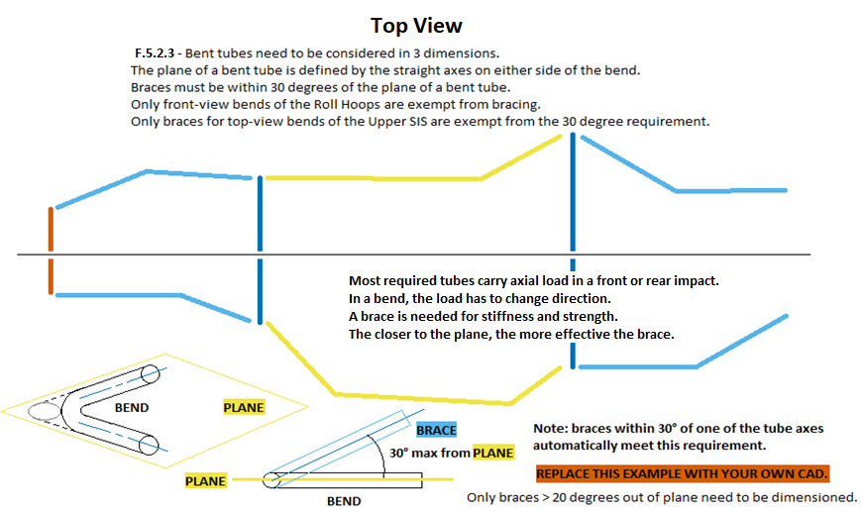
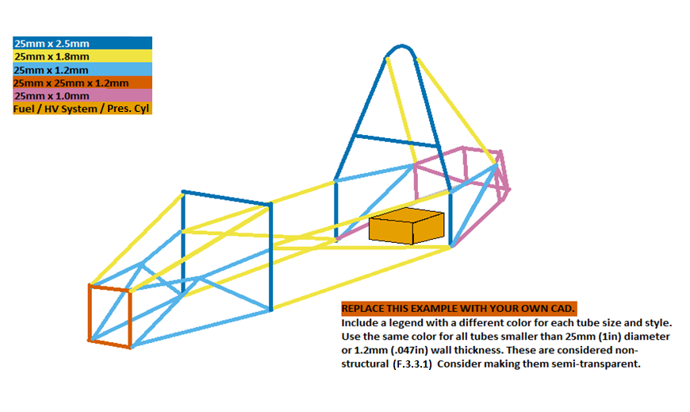
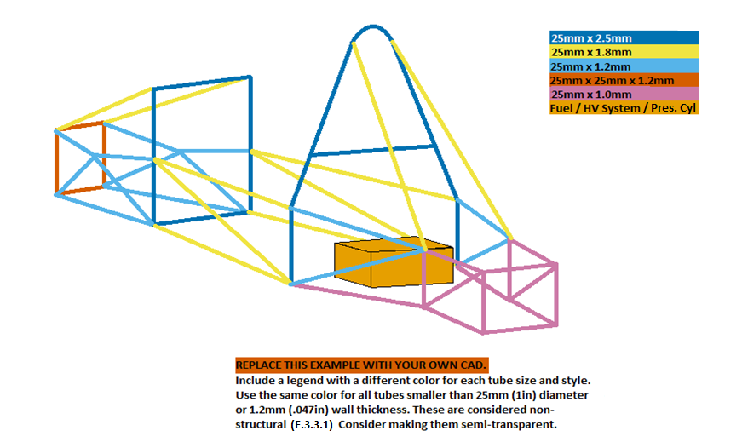
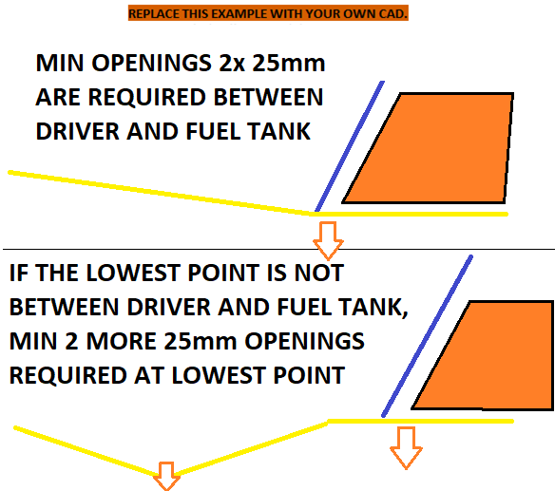
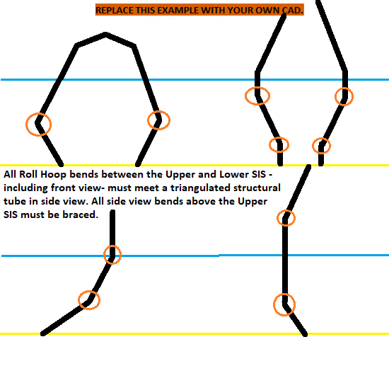
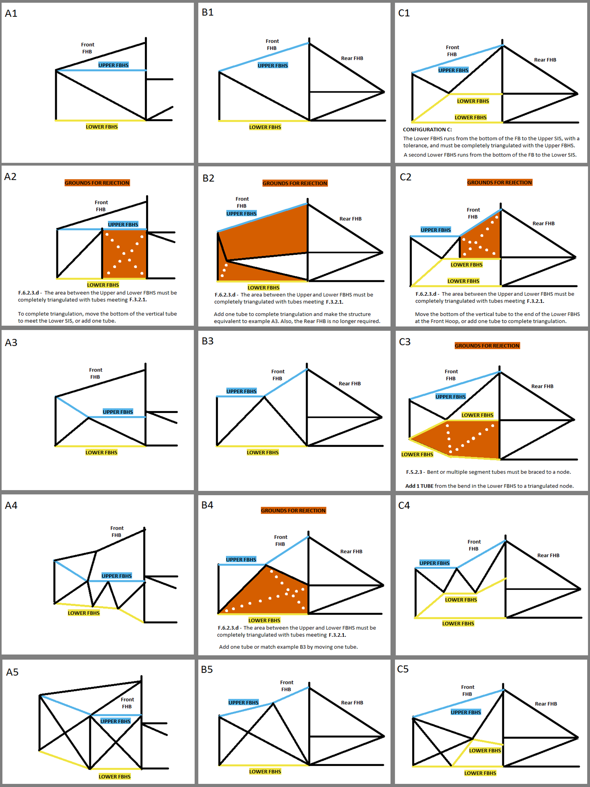
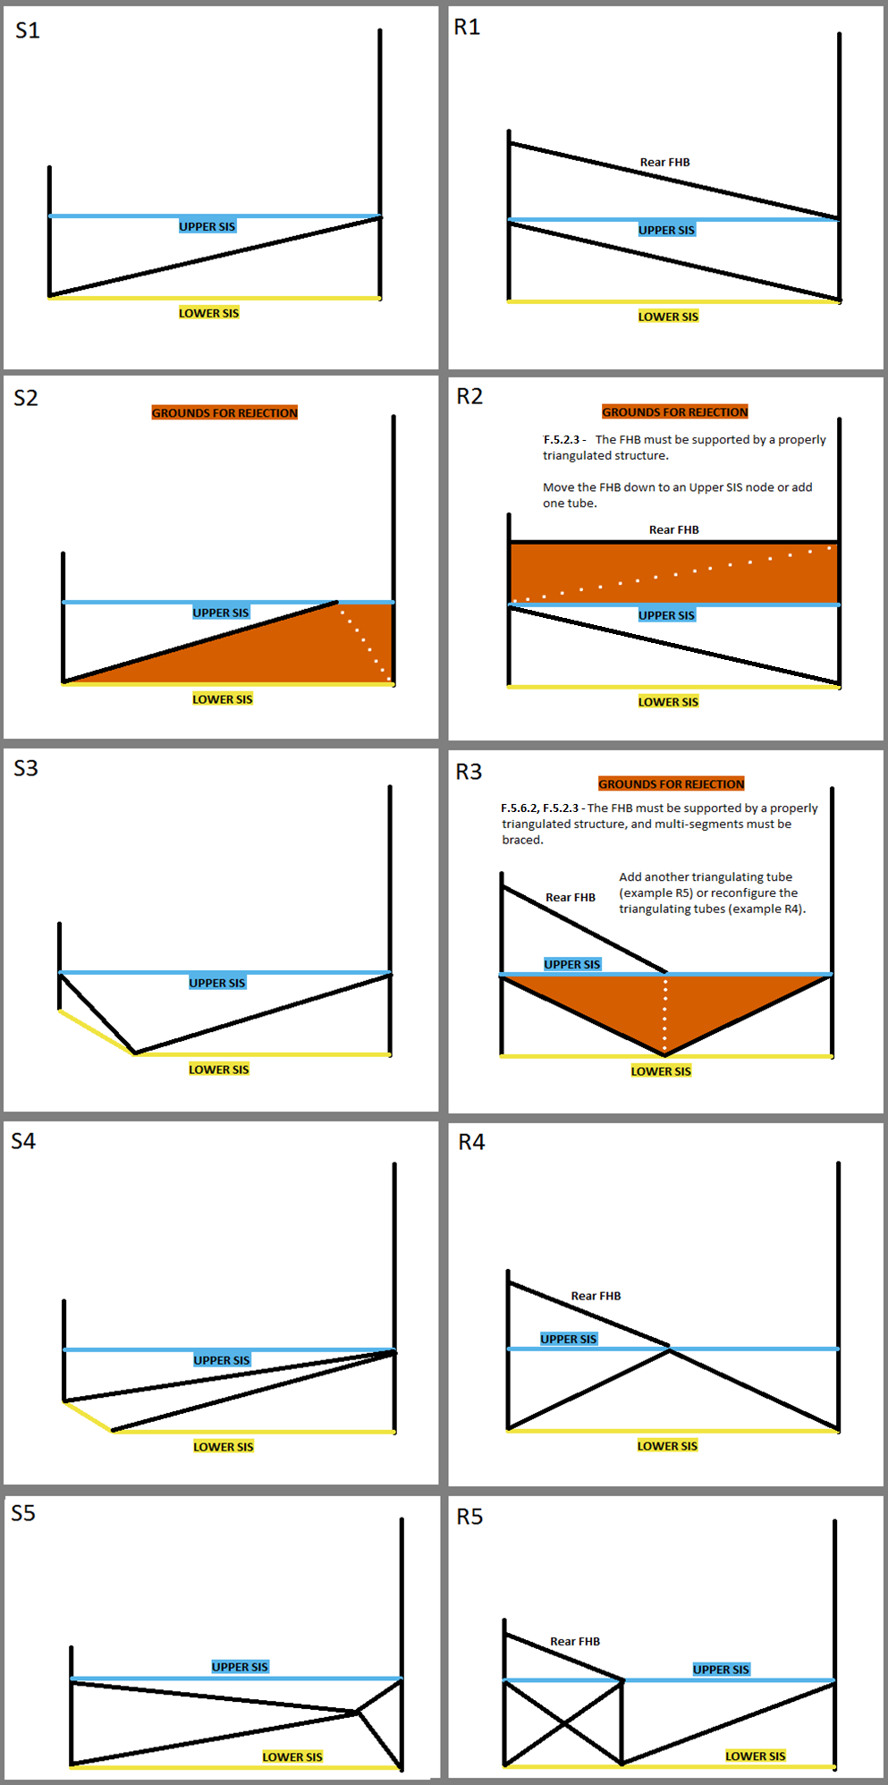
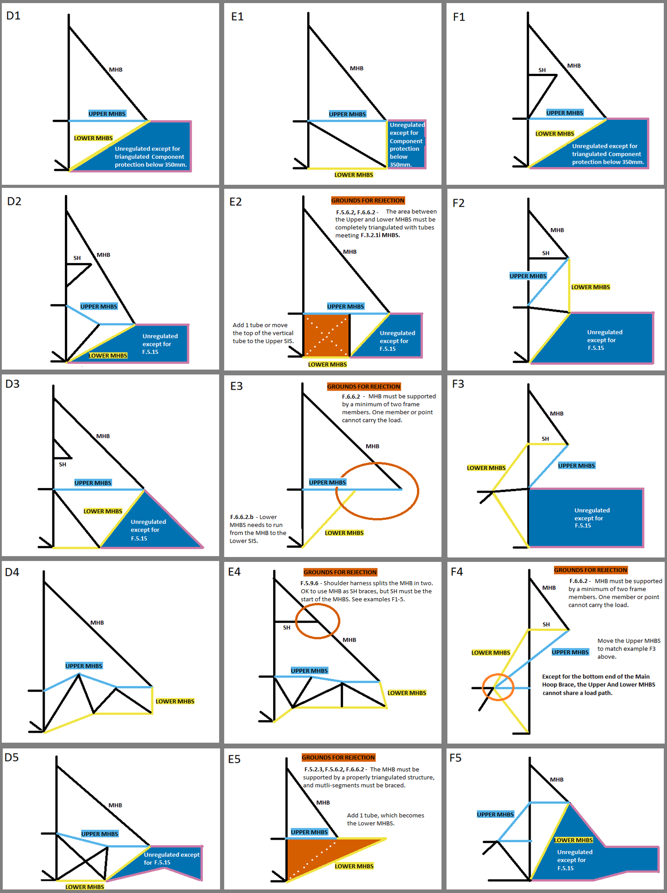
 | University Name |  |  |  |  |  |  | BLANK |  | 2023 | FSAE Structural Equivalency Spreadsheet (SES), includes Impact Attenuator Document (IAD) |  |  |  |  |  |  |  |  |  |  | Steel Tube | 1.1 | Acc Fastener Shear |  |  |  |  |  |  |  |  |  |  |  |  |  |  |  |  |  |  |  |  |  |  |  |  |  |  |  |  |  |  |  |  |  |  |  |  |  |  |  |  |  |  |  |  |  |  |  |  |  | F.3.2.1 | F.3.4.1 |  |  | FBHS: Some examples and explanations for configurations A, B, and C. | SIS Examples | SIS with Rear FHB (or Forward MHB) | MHBS examples and explanations. | Using Shoulder Harness Bar/Braces | Head Restraint Protection
 | Team Name |  |  |  |  |  |  | BLANK |  |  |  |  |  |  |  |  |  |  |  |  |  |  |  |  |  |  |  |  |  |  |  |  |  |  |  |  |  |  |  |  |  |  |  |  |  |  |  |  |  |  |  |  |  |  |  |  |  |  |  |  |  |  |  |  |  |  |  |  |  |  |  |  |  | A round tube which is both the Minimum Diameter and the Minimum Wall Thickness may not meet
 | Competitions | May - IC |  | June - EV | Other - Edit | Other - Edit |  | EQ |  | There are two versions of the 2023 SES: Steel Tube and Monocoque/Hybrid/Non-Ferrous. |  |  |  |  |  |  |  |  |  |  |  |  |  |  |  |  |  |  |  |  |  |  |  |  |  |  |  |  |  |  |  |  |  |  |  |  |  |  |  |  |  |  |  |  |  |  |  |  |  |  |  |  |  |  |  |  |  |  |  |  |  |  |  | the Moment of Inertia and Cross Sectional Area Requirements.
 | Car Numbers |  |  |  |  |  |  | BLANK |  | Aluminum equivalance may be used in the Steel Tube SES for Anti-Intrusion, EV Rear Impact, or Accumulator Containers and Mounting. |  |  |  |  |  |  |  |  |  |  |  |  |  |  |  |  |  |  |  |  |  |  |  |  |  |  |  |  |  |  |  |  |  |  |  |  |  |  |  |  |  |  |  |  |  |  |  |  |  |  |  |  |  |  |  |  |  |  |  |  |  |  |  | A square tube which is both the Minimum Width and the Minimum Wall Thickness always meets
 | Team Contact(s) |  |  |  |  |  |  | BLANK |  | Steel can be used for any part of the frame in the Monocoque/Hybrid/Non-Ferrous SES. |  |  |  |  |  |  |  |  |  |  |  |  |  |  |  |  |  |  |  |  |  |  |  |  |  |  |  |  |  |  |  |  |  |  |  |  |  |  |  |  |  |  |  |  |  |  |  |  |  |  |  |  |  |  |  |  |  |  |  |  |  |  |  | the Moment of Inertia and Cross Sectional Area Requirements.
 | Email Address(es) |  |  |  |  |  |  | BLANK |  | F.3.4.2 - Any and all steel grades are assigned the same material properties. No material properties for different grades may be used in the SES.
Faculty Advisor |  | Email Address |  | Chassis Rules | Powertrain |  |  | EQ |  | Teams using multiple chassis in one season: Comment below the SES submission with a link to the SES for the second chassis, before the Action Deadline. |  |  |  |  |  |  |  |  |  |  |  |  |  |  |  |  |  |  |  |  |  |  |  |  |  |  |  |  |  |  |  |  |  |  |  |  |  |  |  |  |  |  |  |  |  |  |  |  |  |  |  |  |  |  |  |  |  |  |  |  |  |  |  | The examples to the right cover the tube location requirements for the FBHS, SIS, and MHBS. There are many solutions not shown that can meet the documentation, triangulation, and bracing requirements. The examples to the left need to be replaced with your own CAD. Images should be clear, undistorted, moderate filesize. Each SES file 25MB max.
 |  |  |  | Select Drop Down | Select Drop Down |  |  | BLANK
 |  |  |  |  |  |  |  |  |  |  | Only cells of this color can be edited. Enter all values as positive numerals. |  |  |  |  |  |  |  |  |  |  |  |  |  |  |  |  | Front 3/4 3D CAD with color coded tube sizes required. |  |  |  |  |  |  |  |  |  |  | Rear 3/4 3D CAD with color coded tube sizes required.
Overall |  |  | Ready to submit for review? |  |  |  | NO |  |  | Drop down options can be identified by the heavy border. Delete will clear the entry. |  |  |  |  |  |  |  |  |  |  |  |  |  |  |  |  |  |  |  |  |  |  |  |  |  |  |  |  |  |  |  |  |  |  |  |  |  |  |  |  |  |  |  | Top and bottom views required for 30 degree bend check.
 |  |  |  |  |  |  |  |  |  | Each entry, each category, each tab, and the entire sheet are coded as one of the following: |  |  |  |  |  |  |  | BLANK | EQ | CHECK | REJECT | N/A |  |  |  |  |  |  | Use different colors for square and round. |  |  |  |  |  |  |  |  |  |  | Use different colors for square and round.
 | F.3.1-4 Tube Chassis | BLANK | BLUE: NO. BLANK ENTRY. INCOMPLETE. CHECK ALL TABS. |  |  |  |  |  |  | The status of some cells depends on entries in other cells.
 | F.10-11 EV Accumulator | BLANK | This will not change until all required entries are filled out. Check all tabs. |  |  |  |  |  |  |  |  |  |  |  |  |  |  |  |  |  |  |  |  |  |  |  |  |  | Include a legend that shows each color and size. |  |  |  |  |  |  |  |  |  |  | Include a legend that shows each color and size. |  |  |  |  |  |  |  |  |  |  |  |  |  | Multiple or detail images may be used anywhere in the SES.
 | F.8 Front Protection | BLANK | Incomplete submissions will incur a penalty. |  |  |  |  |  |  | SELECT YOUR UNITS. The entire SES will be completed in either mm or Inch. Inch tubing can be entered in mm, and vice versa. |  |  |  |  |  |  |  |  |  |  |  |  |  |  |  |  |  |  |  |  |  |  |  |  |  |  |  |  |  |  |  |  |  |  |  |  |  |  |  |  |  |  |  |  |  |  |  |  |  |  |  |  |  |  |  |  |  |  |  |  |  |  |  | The row numbers are for reference only.
 | F.3.4.3 Welded Inserts | BLANK | RED ORANGE: NO. GROUNDS FOR REJECTION. CHECK ALL TABS. |  |  |  |  |  |  | Keep a copy of the rules open to reference rule numbers directly while filling out the SES. |  |  |  |  |  |  |  |  |  |  |  |  |  |  |  |  |  | Fuel tank or HV systems must be shown in orange. |  |  |  |  |  |  |  |  |  |  | Fuel tank or HV systems must be shown in orange. |  |  |  |  |  |  |  |  |  |  |  |  |  |  |  |  |  |  |  |  |  |  |  |  |  |  |  |  |  |  |  |  |  |  | Designating the FBHS as A,B, or C needed to check rule |  |  | F.6.2.3.ab
 | F.5.12 Bolted Members | BLANK | The SES will permanently REJECT for removing any tab. Fill out a fresh copy. |  |  |  |  |  |  | Fill in all | BLANK | sections on ALL TABS. Start with any drop downs in the top left corner of each tab. |  |  |  |  |  |  |  |  |  |  |  |  |  |  |  |  |  |  |  |  |  |  |  |  |  |  |  |  |  |  |  |  |  |  |  |  |  |  |  |  |  |  |  |  |  |  |  |  |  |  |  |  |  |  |  |  |  |  |  |  |  | The other column letters are for reference only.
BLANK |  |  | Locate all violations and bring the design into compliance before submitting. |  |  |  |  |  |  | Replace example images with your own clear, undistorted CAD, showing all required dimensions in a moderate filesize. Each SES file 25Mb max.
 |  |  | Grounds for rejection could be considered incomplete and incur a penalty. |  |  |  |  |  |  | Read the additional guidance on the right side of this sheet. |  |  |  |  |  |  |  |  |  |  |  |  |  |  |  |  |  |  |  |  |  |  |  |  |  |  |  |  |  |  |  |  |  |  |  |  |  |  |  |  |  |  |  |  |  |  |  |  |  |  |  |  |  |  |  |  |  |  |  |  |  |  |  | Using this 7-color palette will accommodate color blind students or reviewers:
 |  |  | SKY: YES. RULES EQUIVALENCE. |  |  |  |  |  |  |  |  |  |  |  |  |  |  |  |  |  |  |  |  |  |  |  |  |  |  |  |  |  |  |  |  |  |  |  |  |  |  |  |  |  |  |  |  |  |  |  |  |  |  |  |  |  |  |  |  |  |  |  |  |  |  |  |  |  |  |  |  |  |  | http://mkweb.bcgsc.ca/colorblind/
 |  |  | Document is ready for review. Double check triangulation. |  |  |  |  |  | F.2.2.1 | SES forms must be completed and submitted by all teams no later than the date specified in the Action Deadlines on the specific event website. |  |  |  |  |  |  |  |  |  |  |  |  |  |  |  |  |  |  |  |  |  |  |  |  |  |  |  |  |  |  |  |  |  |  |  |  |  |  |  |  |  |  |  |  |  |  |  |  |  |  |  |  |  |  |  |  |  |  |  |  |  |  |  | In the examples to the right:
 |  |  | Sheet protection must still be active when submitted, or the SES will be rejected. |  |  |  |  |  | DR.3.2.1 | Submission of late, blank, incomplete, or previous car's SES will incur a competition point penalty. |  |  |  |  |  |  |  |  |  |  |  |  |  |  |  |  |  |  |  |  |  |  |  |  |  |  |  |  |  |  |  |  |  |  |  |  |  |  |  |  |  |  |  |  |  |  |  |  |  |  |  |  |  |  |  |  |  |  |  |  |  |  |  | THE SKY BLUE LINE is the upper tube
 |  |  | YELLOW: YES. CHECK ADDITIONAL EQUIVALENCIES. |  |  |  |  |  | DR.3.1.2.b | Do not submit an updated document after the deadline without having the previous document rejected. |  |  |  |  |  |  |  |  |  |  |  |  |  |  |  |  |  |  |  |  |  |  |  |  |  |  |  |  |  |  |  |  |  |  |  |  |  |  |  |  |  |  |  |  |  |  |  |  |  |  |  |  |  |  |  |  |  |  |  |  |  |  |  | THE YELLOW LINE is the lower tube
 |  |  | Some entries require additional tubes or documentation. |  |  |  |  |  | DR.3.1.2.b | Submit a comment requesting a rejection on your team's SES page on fsaeonline.com. Submissions or comments on FSAEonline.com will send a notification to your reviewer. |  |  |  |  |  |  |  |  |  |  |  |  |  |  |  |  |  |  |  |  |  |  |  |  |  |  |  |  |  |  |  |  |  |  |  |  |  |  |  |  |  |  |  |  |  |  |  |  |  |  |  |  |  |  |  |  |  |  |  |  |  |  |  | BLACK LINES are additional related tubes
 |  |  | Once these are added, document is ready for review. |  |  |  |  |  | DR.3.1.3 | Please respond quickly and thoroughly to requests for revisions or clarifications. Your team's response time influences Tech Inspection order. |  |  |  |  |  |  |  |  |  |  |  |  |  |  |  |  |  |  |  |  |  |  |  |  |  |  |  |  |  |  |  |  |  |  |  |  |  |  |  |  |  |  |  |  |  |  |  |  |  |  |  |  |  |  |  |  |  |  |  |  |  |  |  | RED ORANGE AREAS highlight design aspects that do not meet the rules
mm |  |  |  |  |  | Units |  |  | IN.8.1 | Bring an ELECTRONIC copy of the approved SES to Tech Inspection. It is your responsibility to bring a functioning, charged tablet or laptop. Bring backups. DO NOT PRINT. |  |  |  |  |  |  |  |  |  |  |  |  |  |  |  |  |  |  |  |  |  |  |  |  |  |  |  |  |  |  |  |  |  |  |  |  |  |  |  |  |  |  |  |  |  |  |  |  |  |  |  |  |  |  |  |  |  |  |  |  |  |  |  | White dotted lines |  | represent potential design changes to an orange area to allow it to pass.
 |  |  |  |  |  |  |  |  | IN.1.4 | Approval of an SES does not guarantee passing Tech Inspection. The final decision about all designs will be made at Tech Inspection.
Use the space below to list changes between uploads, rules inquiries, and any other information. |  |  |  |  |  |  |  |  |  |  |  |  |  |  |  |  |  |  |  |  |  |  |  |  |  |  |  |  |  |  |  |  |  |  |  |  |  |  |  |  |  |  |  |  |  |  |  |  |  |  |  |  |  |  |  |  |  |  |  |  |  |  |  |  |  |  |  |  |  |  |  |  |  | ACRONYMS
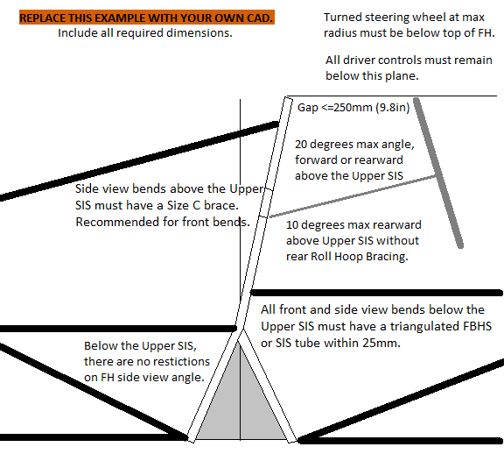
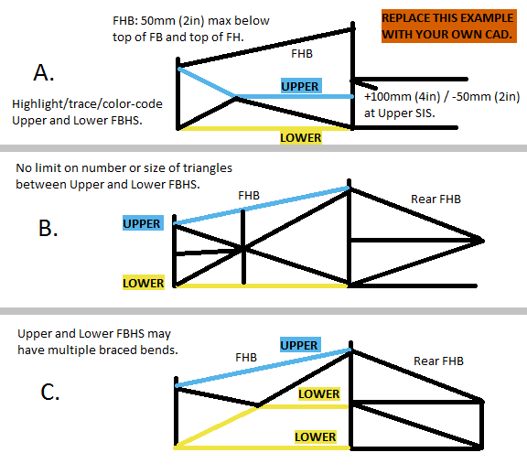
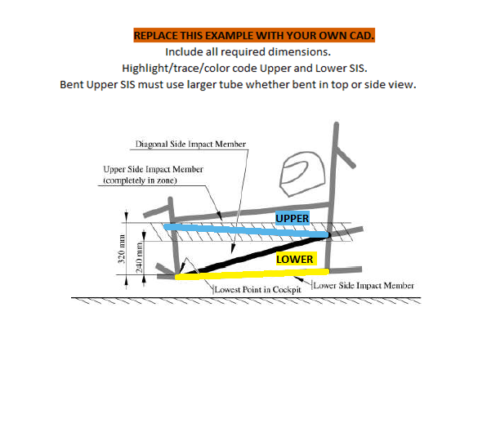
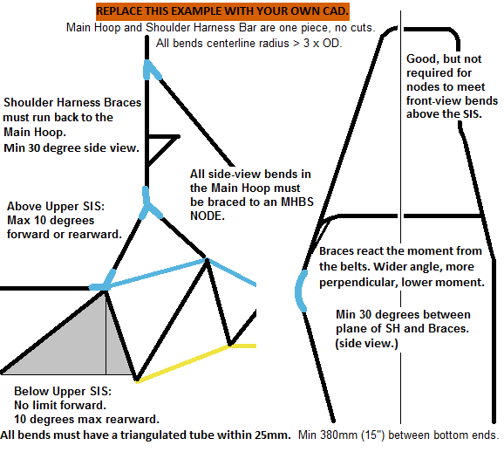
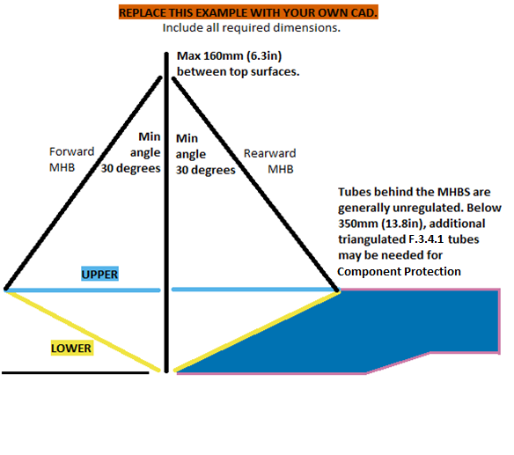
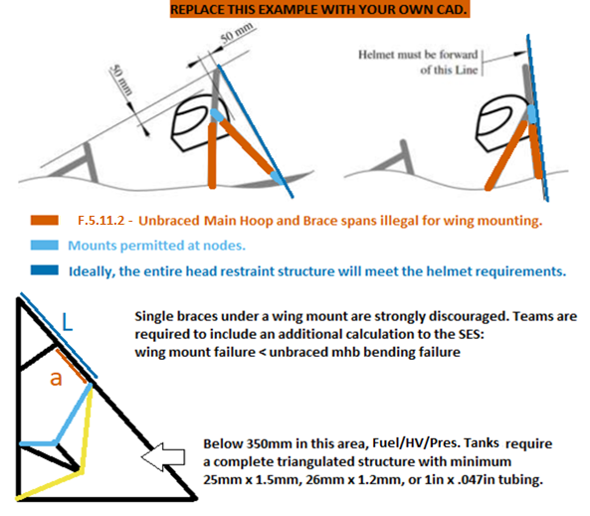
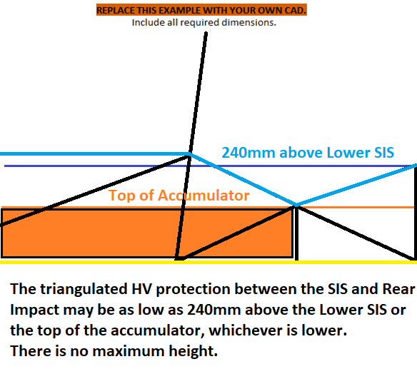
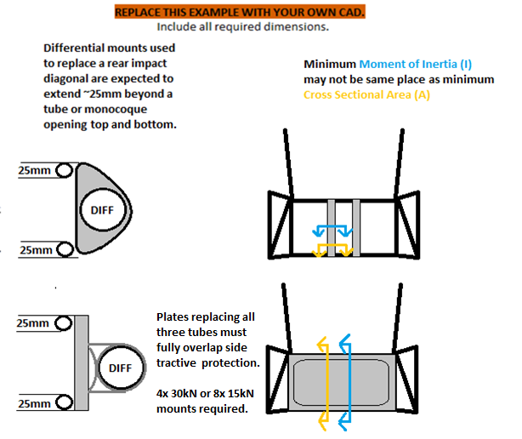
 |  |  |  |  |  |  |  |  |  |  |  |  |  |  |  |  |  |  |  |  |  |  |  |  |  |  |  |  |  |  |  |  |  |  |  |  |  |  |  |  |  |  |  |  |  |  |  |  |  |  |  |  |  |  |  |  |  |  |  |  |  |  |  |  |  |  |  |  |  |  |  |  |  | AI | Anti Intrusion Plate
 |  |  |  |  |  |  |  |  |  |  |  |  |  |  |  |  |  |  |  |  |  |  |  |  |  |  |  |  |  |  |  |  |  |  |  |  |  |  |  |  |  |  |  |  |  |  |  |  |  |  |  |  |  |  |  |  |  |  |  |  |  |  |  |  |  |  |  |  |  |  |  |  |  | IA | Impact Attenuator
 |  |  |  |  |  |  |  |  |  |  |  |  |  |  |  |  |  |  |  |  |  |  |  |  |  |  |  |  |  |  |  |  |  |  |  |  |  |  |  |  |  |  |  |  |  |  |  |  |  |  |  |  |  |  |  |  |  |  |  |  |  |  |  |  |  |  |  |  |  |  |  |  |  | IC | Internal Combustion
 |  |  |  |  |  |  |  |  |  |  |  |  |  |  |  |  |  |  |  |  |  |  |  |  |  |  |  |  |  |  |  |  |  |  |  |  |  |  |  |  |  |  |  |  |  |  |  |  |  |  |  |  |  |  |  |  |  |  |  |  |  |  |  |  |  |  |  |  |  |  |  |  |  | EV | Electric Vehicle
 |  |  |  |  |  |  |  |  |  |  |  |  |  |  |  |  |  |  |  |  |  |  |  |  |  |  |  |  |  |  |  |  |  |  |  |  |  |  |  |  |  |  |  |  |  |  |  |  |  |  |  |  |  |  |  |  |  |  |  |  |  |  |  |  |  |  |  |  |  |  |  |  |  | EQ | Rules Equivalence Achieved
 |  |  |  |  |  |  |  |  |  |  |  |  |  |  |  |  |  |  |  |  |  |  |  |  |  |  |  |  |  |  |  |  |  |  |  |  |  |  |  |  |  |  |  |  |  |  |  |  |  |  |  |  |  |  |  |  |  |  |  |  |  |  |  |  |  |  |  |  |  |  |  |  |  | FB | Front Bulkhead
 |  |  |  |  |  |  |  |  |  |  |  |  |  |  |  |  |  |  |  |  |  |  |  |  |  |  |  |  |  |  |  |  |  |  |  |  |  |  |  |  |  |  |  |  |  |  |  |  |  |  |  |  |  |  |  |  |  |  |  |  |  |  |  |  |  |  |  |  |  |  |  |  |  | FBHS | Front Bulkhead Support
 |  |  |  |  |  |  |  |  |  |  |  |  |  |  |  |  |  |  |  |  |  |  |  |  |  |  |  |  |  |  |  |  |  |  |  |  |  |  |  |  |  |  |  |  |  |  |  |  |  |  |  |  |  |  |  |  |  |  |  |  |  |  |  |  |  |  |  |  |  |  |  |  |  | FH | Front Roll Hoop
 |  |  |  |  |  |  |  |  |  |  |  |  |  |  |  |  |  |  |  |  |  |  |  |  |  |  |  |  |  |  |  |  |  |  |  |  |  |  |  |  |  |  |  |  |  |  |  |  |  |  |  |  |  |  |  |  |  |  |  |  |  |  |  |  |  |  |  |  |  |  |  |  |  | FHB | Front Hoop Brace
 |  |  |  |  |  |  |  |  |  |  |  |  |  |  |  |  |  |  |  |  |  |  |  |  |  |  |  |  |  |  |  |  |  |  |  |  |  |  |  |  |  |  |  |  |  |  |  |  |  |  |  |  |  |  |  |  |  |  |  |  |  |  |  |  |  |  |  |  |  |  |  |  |  | HRP | Head Restraint Protection
 |  |  |  |  |  |  |  | Front Hoop CAD with dimensions required. |  |  |  |  |  |  |  |  | FBHS, FHB CAD with dimensions required. |  |  |  |  |  |  |  |  |  | SIS CAD with dimensions required. |  |  |  |  |  |  |  | MH + SH CAD with dimensions required. |  |  |  |  |  |  |  | MHB, MHBS CAD with dimensions required. |  |  |  |  |  |  |  | Clearance CAD with dimensions required. |  |  |  |  |  |  |  | HV Protection CAD with dimensions. |  |  |  |  |  |  |  | Rear Impact CAD with dimensions required. |  |  |  |  |  |  | HV | High Voltage
 |  |  |  |  |  |  |  |  |  |  |  |  |  |  |  |  |  |  |  |  |  |  |  |  |  |  |  |  |  |  |  |  |  |  |  |  |  |  |  |  |  |  |  |  |  |  |  |  |  |  |  |  |  |  |  |  |  |  |  |  |  |  |  |  |  |  |  |  |  |  |  |  |  | MH | Main Roll Hoop
 |  |  |  |  |  |  |  |  |  |  |  |  |  |  |  |  | Highlight/trace/color code required tubes. |  |  |  |  |  |  |  |  |  | Highlight/trace/color code required tubes. |  |  |  |  |  |  |  |  |  |  |  |  |  |  |  | Highlight/trace/color code required tubes. |  |  |  |  |  |  |  |  |  |  |  |  |  |  |  |  |  |  |  |  |  |  |  |  |  |  |  |  |  |  | MHB | Main Hoop Brace
 |  |  |  |  |  |  |  |  |  |  |  |  |  |  |  |  |  |  |  |  |  |  |  |  |  |  |  |  |  |  |  |  |  |  |  |  |  |  |  |  |  |  |  |  |  |  |  |  |  |  |  |  |  |  |  |  |  |  |  |  |  |  |  |  |  |  |  |  |  |  |  |  |  | MHBS | Main Hoop Brace Support
 |  |  |  |  |  |  |  |  |  |  |  |  |  |  |  |  |  |  |  |  |  |  |  |  |  |  |  |  |  |  |  |  |  |  |  |  |  |  |  |  |  |  |  |  |  |  |  |  |  |  |  |  |  |  |  |  |  |  |  |  |  |  |  |  |  |  |  |  |  |  |  |  |  | N/A | Not Applicable (Not required.)
 |  |  |  |  |  |  |  |  |  |  |  |  |  |  |  |  |  |  |  |  |  |  |  |  |  |  |  |  |  |  |  |  |  |  |  |  |  |  |  |  |  |  |  |  |  |  |  |  |  |  |  |  |  |  |  |  |  |  |  |  |  |  |  |  |  |  |  |  |  |  |  |  |  | SH | Shoulder Harness Structure
 |  |  |  |  |  |  |  |  |  |  |  |  |  |  |  |  |  |  |  |  |  |  |  |  |  |  |  |  |  |  |  |  |  |  |  |  |  |  |  |  |  |  |  |  |  |  |  |  |  |  |  |  |  |  |  |  |  |  |  |  |  |  |  |  |  |  |  |  |  |  |  |  |  | SES | Structural Equivalency Spreadsheet
 |  |  |  |  |  |  |  |  |  |  |  |  |  |  |  |  |  |  |  |  |  |  |  |  |  |  |  |  |  |  |  |  |  |  |  |  |  |  |  |  |  |  |  |  |  |  |  |  |  |  |  |  |  |  |  |  |  |  |  |  |  |  |  |  |  |  |  |  |  |  |  |  |  | SIS | Side Impact Structure

 |  |  |  |  |  |  |  |  |  |  |  |  |  |  |  |  |  |  |  |  |  |  |  |  |  |  |  |  |  |  |  |  |  |  |  |  |  |  |  |  |  |  |  |  |  |  |  |  |  |  |  |  |  |  |  |  |  |  |  |  |  |  |  |  |  |  |  |  |  |  |  |  |  | TRIANGULATION

 |  |  |  |  |  |  |  |  |  |  |  |  |  |  |  |  |  |  |  |  |  |  |  |  |  |  |  |  |  |  |  |  |  |  |  |  |  |  |  |  |  |  |  |  |  |  |  |  |  |  |  |  |  |  |  |  |  |  |  |  |  |  |  |  |  |  |  |  |  |  |  |  |  | F.1.17 | An arrangement of Frame Members where all members and segments of members
 |  |  |  |  |  |  |  |  |  |  |  |  |  |  |  |  |  |  |  |  |  |  |  |  |  |  |  |  |  |  |  |  |  |  |  |  |  |  |  |  |  |  |  |  |  |  |  |  |  |  |  |  |  |  |  |  |  |  |  |  |  |  |  |  |  |  |  |  |  |  |  |  |  | between bends or nodes with other structural tubes form a structure composed entirely of triangles.
 |  |  |  |  |  |  |  |  |  |  |  |  |  |  |  |  |  |  |  |  |  |  |  |  |  |  |  |  |  |  |  |  |  |  |  |  |  |  |  |  |  |  |  |  |  |  |  |  |  |  |  |  |  |  |  |  |  |  |  |  |  |  |  |  |  |  |  |  |  |  |  |  |  | a. This is generally required between an upper member and a lower member, both of which
 |  |  |  |  |  |  |  |  |  |  |  |  |  |  |  |  |  |  |  |  |  |  |  |  |  |  |  |  |  |  |  |  |  |  |  |  |  |  |  |  |  |  |  |  |  |  |  |  |  |  |  |  |  |  |  |  |  |  |  |  |  |  |  |  |  |  |  |  |  |  |  |  |  | may have multiple segments requiring a diagonal to form multiple triangles.
 |  |  |  |  |  |  |  | Additional images may be placed below each section. |  |  |  |  |  |  |  |  | Additional images may be placed below each section. |  |  |  |  |  |  |  |  |  | Additional images may be placed below each section. |  |  |  |  |  |  |  | Additional images may be placed below each section. |  |  |  |  |  |  |  | Additional images may be placed below each section. |  |  |  |  |  |  |  | Additional images may be placed below each section. |  |  |  |  |  |  |  |  |  |  |  |  |  |  |  | Additional images may be placed below each section. |  |  |  |  |  |  | b. This is also what is meant by “properly triangulated”.
 |  |  |  |  |  |  |  | BLANK |  | Front Hoop (FH), Steering Protection |  |  |  |  |  |  | BLANK |  | Front Bulkhead Supports (FBHS), |  |  |  |  |  |  |  | BLANK |  | Side Impact Structure (SIS), |  |  |  |  |  | BLANK |  | Main Hoop (MH), |  |  |  |  |  | BLANK |  | Main Hoop Braces (MHB), |  |  |  |  |  | BLANK |  | Helmet Clearance, Head Restraint, |  |  |  |  |  | BLANK |  | Accumulator Side Protection, |  |  |  |  |  | BLANK |  | Rear Impact Protection (EV Only)
 |  |  |  |  |  |  |  |  |  |  |  |  |  |  |  |  |  |  |  |  |  |  |  |  |  |  |  |  |  |  |  |  |  |  |  |  |  |  |  |  |  |  |  |  |  |  |  |  |  |  |  |  |  |  |  |  |  |  |  |  |  |  |  |  |  |  |  |  |  |  |  |  |  | The Upper and Lower must maintain spacing and not share a load path.
 |  |  |  |  |  |  |  | F.5.7.2-3 | The FH runs from the lowest frame member on each side. The FH may be multiple pieces. |  |  |  |  |  |  |  | Front Hoop Braces (FHB) |  |  |  |  |  |  |  |  |  | Lap and Sub Belt Attachment |  |  |  |  |  |  |  | Shoulder Harness Bar (SH) |  |  |  |  |  |  |  | Main Hoop Brace Supports (MHBS) |  |  |  |  |  |  |  | Fuel System (IC), Rear Wing Mounting |  |  |  |  |  |  |  | Tractive and HV Side Protection (EV Only) |  |  |  |  |  |  |  | F.11.2.2 | From the rear, below 350mm, all HV components must be protected with an upper tube, |  |  |  |  |  | The bottom of the MHB is the only exception to this requirement.
 |  |  |  |  |  |  |  | F.5.6.2.b | Front view FH bends below the Upper SIS must meet a triangulated FBHS or SIS node. |  |  |  |  |  |  |  |  |  |  |  |  |  |  |  |  |  |  |  |  |  |  |  |  |  |  |  |  |  |  |  |  |  |  |  |  |  |  |  |  |  |  |  |  |  |  |  |  |  |  |  |  |  |  |  |  |  | a lower tube, and a diagonal tube or tubes completely triangulating the upper and lower tubes.
 |  |  |  |  |  |  |  | F.5.6.2 | All FH side view bends must meet a triangulated FBHS or SIS tube end. |  |  |  |  |  |  |  | There are three basic configurations for the FBHS. See examples starting in column CO. |  |  |  |  |  |  |  |  |  |  |  |  |  |  |  |  |  | F.5.8.1-2 | The Main Hoop extend, uncut, from the lowest frame member on both sides. |  |  |  |  |  |  | F.5.9.6 | The Main Hoop Braces must be one piece, steel, with no bends. |  |  |  |  |  |  | The rollover plane is defined by the direction of the main hoop braces, shown above. |  |  |  |  |  |  |  |  |  |  |  |  |  |  |  | Triangulation may be asymmetric. |  |  |  |  |  |  | F.3.3.2 | Non structural tubing will be ignored.
 |  |  |  |  |  |  |  |  |  |  |  |  |  |  |  |  | A. | Upper FBHS from the top of the FB to the Upper SIS, with a tolerance. |  |  |  |  |  |  |  |  | F.6.4.4 | Designate the Upper SIS and Lower SIS along their entire length. |  |  |  |  |  |  | F.5.6.2 | All bends below the Upper SIS must have an SIS or MHBS tube within 25mm. |  |  |  |  |  |  | Designate the Main Hoop Braces. |  |  |  |  |  |  |  | F.5.6.5 | The dummy's foot must be resting on the brake pedal face. |  |  |  |  |  |  | F.11.1.1 | F.1.1.j | Accumulators must be within the Primary Structure. |  |  |  |  |  | If a plate replaces all three tubes, it must fully overlap the tractive side protection tubes. |  |  |  |  |  |  |  | Tubes with smaller than 25mm (1in) Outer Diamter will be ignored.
 |  |  |  |  |  |  |  | BLANK |  |  |  |  |  |  |  |  |  | Lower FBHS from the bottom of the FB to the Lower SIS. |  |  |  |  |  |  |  |  | Upper SIS height is measured from the lowest point of the top surface of the Lower SIS tube. |  |  |  |  |  |  |  | F.5.8.3.b | Main Hoop side view bends must be braced to an MHBS or SIS node. |  |  |  |  |  |  | 'X' or 'V' MHB configurations are strongly discouraged. |  |  |  |  |  |  |  |  |  |  |  |  |  |  |  | F.11.2.1.a | If the accumulator extends behind the MH, Size B tubes are needed behind the MH. |  |  |  |  |  |  | F.11.2.2.a | Increase from Size C to Size B if the accumulator is < 100mm (3.937in) from the rear impact . |  |  |  |  |  |  | Tubes with Wall thinner than 1.2mm (0.047in) will be ignored.
 |  |  |  |  |  |  |  | F.5.7 | Front Hoop (FH) |  |  |  | Minimum | Tube Used |  | EQ | B. | Upper FBHS from the top of FB to above the Upper SIS, braced rearward. |  |  |  |  |  |  |  |  | F.6.4.6 | The area between the upper and lower SIS must be completely triangulated. |  |  |  |  |  |  |  |  |  |  |  |  |  |  |  |  |  |  |  |  |  |  | BLANK |  |  |  |  |  |  |  |  |  |  |  |  |  |  |  | F.11.2.2.b | The Rear Protection must be fully triangulated back to the Upper and Lower SIS.
 |  |  |  |  |  |  |  | F.3.2.1.c | Example: 25mm x 2.5mm round |  |  |  | Size A |  |  | BLANK |  | Lower FBHS from the bottom of the FB to the Lower SIS. |  |  |  |  |  |  |  |  | A straight Upper SIS may be intersected by triangulated tubes without being considered bent. |  |  |  |  |  |  |  | F.6.5.1.a | Tube Shoulder Harness Bars must be one piece of uncut, continuous steel tubing. |  |  |  |  |  |  | F.6.6.2 | The MHB must be triangulated back to the Main Hoop at the Upper and Lower SIS. |  |  |  |  |  |  | F.5.6.3.a |  |  |  | Helmet >=50mm (2in) below Roll Hoop plane: |  | mm | BLANK | T.1.8.5 | The accumulator may not be part of the firewall. |  |  |  |  |  |  | If a plate replaces all three tubes, 4x 30kN or 8x 15kN mounts are required. |  |  |  |  |  |  | X-geometry may be used instead of diagonals.
 |  |  |  |  |  |  |  | F.3.4.1.a |  |  |  | Wall thickness: | 2 |  | mm | BLANK | C. | Upper FBHS from the top of FB to above the Upper SIS, braced rearward. |  |  |  |  |  |  |  |  | F.3.2.1.f | A bent Upper Side Impact tube requires Size D. |  |  |  |  |  |  | F.6.5.1.b | Tube Shoulder Harness Bars must connect to the Main Hoop at both ends. |  |  |  |  |  |  | F.6.6.2.a | The Upper MHBS runs from MHB to the Upper SIS. |  |  |  |  |  |  |  |  |  |  |  |  |  |  |  |  |  |  |  |  |  |  | Bolted joints must be documented if a removable panel or tube is used.
 |  |  |  |  |  |  |  |  |  |  |  | Square side: | 25 |  | mm | BLANK |  | Lower FBHS from the bottom of the FB to the Upper SIS, with a tolerance. |  |  |  |  |  |  |  |  | F.5.2.3.c | Diagonals for straight or bent upper SIS are both minimum Size B. |  |  |  |  |  |  | F.6.5.2.b | Shoulder Harness Braces must support the middle of SH bends. |  |  |  |  |  |  | Designate the Upper MHBS along its entire length. |  |  |  |  |  |  |  | BLANK |  |  |  |  |  |  |  | F.11.2.1.a | From the side, below 350mm, the accumulator must be protected with an upper tube, |  |  |  |  |  |  |  |  |  |  |  |  |  | The SES examples show that quadrilateral openings are unacceptable.
 |  |  |  |  |  |  |  |  |  |  |  | Wall thickness: | 2.0 |  | mm | BLANK |  | A second Lower FBHS path from the bottom of the FB to the Lower SIS. |  |  |  |  |  |  |  |  |  |  |  |  |  |  |  |  | F.6.5.2.b | Shoulder Harness Braces must connect back to the Main Hoop, ideally at a node. |  |  |  |  |  |  | F.6.6.2.b | The Lower MHBS runs from MHB to the Lower SIS. |  |  |  |  |  |  | F.5.6.3.bc |  |  |  | Main Hoop Braces protecting Helmet: |  |  | BLANK | a lower tube, and a diagonal tube or tubes completely triangulating the upper and lower tubes. |  |  |  |  |  |  |  | BLANK
 |  |  |  |  |  |  |  |  |  |  |  | Square side: | 25.0 |  | mm | BLANK | F.6.2.3.a | Designate the Upper FBHS along its entire length. |  |  |  |  |  |  |  |  | BLANK |  |  |  |  |  |  |  | F.6.5.2.b | The larger the SH Brace angle (>=30), the better the moment from the harness is reacted. |  |  |  |  |  |  | Designate the Lower MHBS along its entire length. |  |  |  |  |  |  |  | F.5.6.3.bc |  |  |  | Helmet >=0 ahead of Main Hoop rear surface: |  | mm | BLANK |  |  |  |  |  |  |  |  | F.11.2.2.a |  |  |  | Min distance from Accumulator to Rear Impact? | mm | BLANK | Exception One:
 |  |  |  |  |  |  |  |  |  |  |  | Tube cross sectional area (A): | 173 |  | mm^2 | BLANK | F.6.2.3.c | Designate the Lower FBHS along its entire length. |  |  |  |  |  |  |  | F.6.4.4.b | F.6.4.1 | Upper Side Impact Structure (SIS) |  |  |  |  |  | BLANK | The MHB may act as braces for a bent Shoulder Harness Bar. See column 'F' to the right. |  |  |  |  |  |  |  | F.6.6.2 | The area between the Upper and Lower MHBS must be completely triangulated |  |  |  |  |  |  |  |  |  |  |  |  |  |  | F.11.2.1.a | Minimum height for the top edge of the upper tube is the lower of: 240mm above |  |  |  |  |  |  |  | Accumulator Rear Impact Protection |  |  | Minimum |  | BLANK | 1. The space between the two lower paths of a Type-C FBHS is not required to be triangulated.
 |  |  |  |  |  |  |  |  |  |  |  | Tube second moment of inertia (I): | 11320 |  | mm^4 | BLANK | F.6.2.3.d | The area between the Upper and Lower FBHS must be completely triangulated |  |  |  |  |  |  |  | F.6.4.4.b |  |  |  |  | Minimum | Tube Used |  | EQ |  | SH Brace Angle: | https://www.fsaeonline.com/cdsweb/rqa/ViewFAQ.aspx?faqnum=284 |  |  |  |  |  | with tubes meeting F.3.4.1 Size C. |  |  |  |  |  |  |  | Strongly preferred: Locating the fuel fill tube on the opposite side of the exhaust. |  |  |  |  |  |  |  | the lowest point of the top surface of the Lower SIS tube, or the top of the accumulator. |  |  |  |  |  |  |  | F.3.2.1.m | Example: 25.4mm x 1.6mm round |  |  | Size B |  | BLANK | 1a. All bends on the lowest tube must still be braced to the corner of another triangle.
 |  |  |  |  |  |  |  |  |  |  |  |  |  |  |  |  | with tubes meeting F.3.4.1 Size C. |  |  |  |  |  |  |  |  |  | F.3.2.1.f | Example: 35mm x 1.2mm round |  |  | Size D |  |  | BLANK | BLANK |  |  |  |  |  |  |  | F.6.6.2.a | A Shoulder Harness Bar and/or SH Brace may be used as part of the MHBS. |  |  |  |  |  |  |  |  |  |  |  |  |  |  |  |  |  |  |  |  |  |  | F.3.2.1.b |  |  | Wall thickness: | 1.2 | mm | BLANK
 |  |  |  |  |  |  |  | BLANK |  |  |  |  |  |  |  |  |  |  |  |  |  |  |  |  |  |  | F.3.2.1.d |  |  | Wall thickness: | 1.2 |  | mm | BLANK | F.5.8.1 | Main Hoop (MH) |  |  | Minimum | Tube Used |  | EQ |  |  |  |  |  |  |  |  | EQ |  |  |  |  |  |  |  | T.1.6 | Heat insulation requirements apply at operating and failure temperatures. |  |  |  |  |  |  |  |  |  | Square side: | 25 | mm | BLANK | Exception Two:
 |  |  |  |  |  |  |  | F.5.7.4 |  |  |  |  | Turned Steering Wheel minimum below FH top: |  | mm | BLANK | X-braces form two segments in side view, and cannot be used for Upper FBHS |  |  |  |  |  |  |  |  |  |  |  |  | Square side: | 35 |  | mm | BLANK | F.3.2.1.g | Example: 25mm x 2.5mm round |  |  | Size A | Round |  | EQ | F.5.8.3.b | Main Hoop side view bends above Upper SIS must be braced to an MHBS node. |  |  |  |  |  |  |  |  |  |  | Fuel system inside tire envelope? |  | IC.1.2 | N/A | T.1.6.3.b | An air gap no less than 25mm is required between the accumulator and the driver's seat. |  |  |  |  |  |  |  |  |  | Wall thickness: | 1.2 | mm | BLANK | 2. A diagonal that ends on the Upper and Lower tube may be replaced by a tube with a single bend,
 |  |  |  |  |  |  |  |  |  |  |  |  |  |  |  |  | in Types B or C without additional triangulation to the center node. |  |  |  |  |  |  |  |  |  |  |  |  | Wall thickness: | 1.2 |  | mm | BLANK | F.3.4.1.a |  |  | Wall thickness: | 2 |  | mm | BLANK |  |  |  |  |  |  |  |  |  |  |  |  | Fuel system above bottom surface of chassis? |  | F.9.1 | N/A |  |  |  |  |  |  |  |  |  |  |  | Square side: | 25.0 | mm | BLANK | leaving one quadrilateral opening.
 |  |  |  |  |  |  |  | BLANK |  |  |  |  |  |  |  |  | V-braces meet at the center at one end, and cannot be used for Upper FBHS in Types B or C. |  |  |  |  |  |  |  |  |  |  |  |  | Square side: | 35.0 |  | mm | BLANK |  |  |  | Outer Diameter (OD): | 25 |  | mm | BLANK |  | Main Hoop Braces may run forward or rearward. |  |  |  |  |  |  |  |  |  |  | Fuel system including fill tube inside triangulated structure below 350mm? |  | F.9.1.1. | N/A | F.11.2.3 | Especially towards the rear impact side, accumulators should maintain 25mm |  |  |  |  |  |  |  |  |  | Tube cross sectional area (A): | 114 | mm^2 | BLANK | 2a. The brace for the bent tube must form part of a triangle on both sides.
 |  |  |  |  |  |  |  | F.5.7.5 |  |  |  |  | FH to Steering Wheel gap <=250mm (9.8in) |  | mm | BLANK | 'X' or 'V' FHB configurations are discouraged. |  |  |  |  |  |  |  |  |  |  |  |  | Tube cross sectional area (A): | 126 |  | mm^2 | BLANK |  |  |  | Wall thickness: | 2.0 |  | mm | BLANK | BLANK |  |  |  |  |  |  |  |  |  |  |  | Any pressure tanks are metal or separated from exhaust by T.1.6.3? |  | T.6.1.3 | N/A | clearance to non-crushable objects. Not including mounts, but preferably including other chassis tubes. |  |  |  |  |  |  |  |  |  |  | Tube second moment of inertia (I): | 8509 | mm^4 | BLANK
 |  |  |  |  |  |  |  |  |  |  |  |  |  |  |  |  | The upper and lower segments of a straight Front Hoop tube (created by the FBHS offset to |  |  |  |  |  |  |  |  |  |  |  |  | Tube second moment of inertia (I): | 18015 |  | mm^4 | BLANK |  |  |  | Outer Diameter (OD): | 25.0 |  | mm | BLANK | F.5.9.2 |  |  |  | Main Hoop brace direction: |  |  | BLANK |  |  |  |  | 2 holes, chassis low point? 2 holes between driver & fuel tank? >25mm? |  | T.5.5.4 | N/A |  |  |  |  |  |  |  |  |  |  |  |  |  |  |  | Bent Tubes
 |  |  |  |  |  |  |  | BLANK |  |  |  |  |  |  |  |  | the Upper SIS) are treated as one segment. |  |  |  |  |  |  |  |  |  |  |  |  |  |  |  |  |  |  |  |  | Tube cross sectional area (A): | 173 |  | mm^2 | BLANK | F.5.9.5 |  |  |  | Angle between MH and MHB >=30 degrees: |  | degrees | BLANK |  |  |  |  |  |  |  |  | BLANK |  |  |  |  |  |  |  | F.11.2.2.b | The entire top edge of the upper tube or plate must be at least 240mm above
 |  |  |  |  |  |  |  | F.5.7.6 |  |  |  |  | FH side angle above Upper SIS <=20 degrees: |  | degrees | BLANK |  |  |  |  |  |  |  |  |  |  | BLANK |  |  |  |  |  |  |  |  |  |  | Tube second moment of inertia (I): | 11320 |  | mm^4 | BLANK |  |  |  |  |  |  |  |  | T.2.8.3 | A straight tube between the MHB is inside the rollover envelope. Head Restraints behind |  |  |  |  |  |  | F.11.2.1.a | Accumulator Side Protection |  |  | Minimum | Tube Used |  | EQ | the lowest point of the top surface of the Lower SIS tube.
 |  |  |  |  |  |  |  |  |  |  |  |  |  |  |  |  | F.6.3.6 | A tube FHB must be straight, without any bends. (One segment.) |  |  |  |  |  |  |  |  |  |  |  |  | Top surface of Lower SIS to Lowest UpperSIS point >=240mm: |  | mm | BLANK |  |  |  |  |  |  |  |  | BLANK |  |  |  |  |  |  |  | Main Hoop requires rear structure, either triangulated tubing or F.5.10, see examples G1-G5. |  |  |  |  |  |  |  | F.3.2.1.m | Example: 25.4mm x 1.6mm round |  |  | Size B |  |  | BLANK |  |  |  |  |  |  |  | All bends and multiple segment members must be braced according to F.5.2.
 |  |  |  |  |  |  |  | BLANK |  |  |  |  |  |  |  |  | Designate the Front Hoop Braces. |  |  |  |  |  |  |  |  |  |  |  |  |  | Top surface of Lower SIS to Highest UpperSIS point <=320mm: |  | mm | BLANK | BLANK |  |  |  |  |  |  |  | F.5.9.4 |  |  |  | Top of MH of MHB tube, 160mm vertical limit: |  | mm | BLANK | F.5.10 | A single, uncut Size B hoop, attached at the MHB nodes, separate from the Head Restraint, |  |  |  |  |  |  | F.3.4.1.b |  |  | Wall thickness: | 1.2 |  | mm | BLANK | BLANK |  |  |  |  |  |  | F.5.2.1 | The bend radius at the centerline axis must be >= 3 x tube OD.
 |  |  |  |  |  |  |  | F.6.3.5 |  |  |  |  | FH rearward lean above Upper SIS <= 10, or braced: |  | degrees | BLANK | F.6.3.3 | The FHB should extend all the way to the Front Bulkhead. |  |  |  |  |  |  |  |  |  |  |  |  | Highest and lowest are on the top and bottom of the Upper SIS tube. | 0 | mm | BLANK | F.6.5 | Shoulder Harness Bar (SH) |  |  |  |  |  | BLANK |  |  |  |  |  |  |  |  | may be used to Head Restraint envelope. This has no effect on helmet envelopes. |  |  |  |  |  |  |  |  |  |  | Square side: | 25 |  | mm | BLANK |  |  |  |  | Top surface of Lower SIS to top Rear Impact >=240mm: | mm | BLANK | F.5.2.3.a | The brace must be at the center of the bend or intersection.
 |  |  |  |  |  |  |  |  | Rearward Front Hoop Brace is not required. |  |  |  |  |  |  |  | F.5.6.2 | Front FHB that do not reach the FB must end the node of a completely triangulated structure. |  |  |  |  |  |  |  |  |  |  |  |  |  |  |  |  |  |  |  |  | Minimum | Tube Used |  | EQ | BLANK |  |  |  |  |  |  |  |  |  |  |  |  |  |  |  |  |  |  | Wall thickness: | 1.2 |  | mm | BLANK |  |  |  |  |  |  |  | F.5.2.3b | The brace must be at least as big as the largest tube being braced.
 |  |  |  |  |  |  |  |  |  |  |  |  |  |  |  |  | F.5.6.2 | Rear FHB must end at the node of a completely triangulated structure. |  |  |  |  |  |  |  |  | BLANK |  |  |  |  |  |  |  | F.3.2.1.k | Example: 25mm x 2.5mm round |  |  | Size A |  |  | BLANK | F.5.9.1 | Main Hoop Brace (MHB) |  |  | Minimum | Tube Used |  | EQ | F.5.3.3 | Weld caps on open ended tubes lacking inserts. Hoops are exempt. Leave weld vents. |  |  |  |  |  |  |  |  |  | Square side: | 25.0 |  | mm | BLANK | Outside rear differential carriers may be used for diagonal equivalence. |  |  |  |  |  |  | F.5.2.3.b | The brace must be within 30 degrees of the plane of the bend.
 |  |  |  |  |  |  |  | BLANK |  |  |  |  |  |  |  |  | T.1.3.2 | The driver's feet and legs must be completely enclosed by tubes meeting F.3.4.1. |  |  |  |  |  |  |  |  | F.6.4.1 | Lower / Diagonal SIS |  |  | Minimum | Tube Used |  | EQ | F.3.4.1.a |  |  | Wall thickness: | 2 |  | mm | BLANK | F.3.2.1.h | Example: 25.4mm x 1.6mm round |  |  | Size B |  |  | BLANK |  |  |  |  |  |  |  |  |  |  |  | Tube cross sectional area (A): | 114 |  | mm^2 | BLANK | F.11.2.2.d | The mounts or plate extend 25mm above and 25mm below the opening. |  |  |  |  |  | The plane of the bend is defined by the straight axes on either side of the bend.
 |  |  |  |  |  |  |  | F.5.14 |  |  |  |  | Steering rack is inside the FBHS? |  |  | BLANK | In side view, feet on pedals, structural tubes must be above and below all of feet and legs. |  |  |  |  |  |  |  |  |  | F.3.2.1.e | Example: 25.4mm x 1.6mm round |  |  | Size B |  |  | BLANK |  |  |  | Square side: | 25 |  | mm | BLANK | F.3.4.1.b |  |  | Wall thickness: | 1.2 |  | mm | BLANK | BLANK |  |  |  |  |  |  |  |  |  |  | Tube second moment of inertia (I): | 8509 |  | mm^4 | BLANK | Holes in a plate must be too small for the differential to pass through. |  |  |  |  |  |  | The plane and 30 degree requirement must be considered in 3 dimensions.
 |  |  |  |  |  |  |  |  |  |  |  | Additional steering protection required the FBHS. |  |  |  | EQ | Tubes may be added for leg and foot protection. |  |  |  |  |  |  |  |  |  | F.3.4.1.b |  |  | Wall thickness: | 1.2 |  | mm | BLANK |  |  |  | Wall thickness: | 2.0 |  | mm | BLANK |  |  |  | Square side: | 25 |  | mm | BLANK | T.2.8.4 |  |  |  | Head Restraint >=0 from rollover envelope: |  | mm | BLANK
 |  |  |  |  |  |  |  | F.6.2.3.b | Rear Front Bulkhead Support (FBHS) |  |  |  | Minimum | Tube Used |  | EQ | BLANK |  |  |  |  |  |  |  |  |  |  |  |  | Square side: | 25 |  | mm | BLANK |  |  |  | Square side: | 25.0 |  | mm | BLANK |  |  |  | Wall thickness: | 1.2 |  | mm | BLANK | F.5.10 |  |  |  | Head Restraint Protection Hoop Used? |  |  | BLANK | BLANK |  |  |  |  |  |  |  | The mounts are considered as beams, seen in the side view. |  |  |  |  |  |  | There is no limit to the number bends.
 |  |  |  |  |  |  |  | F.3.2.1.b | Example: 25.4mm x 1.2mm round |  |  |  | Size C |  |  | BLANK | F.6.2 | Front Bulkhead Support (FBHS) |  |  |  | Minimum | Tube Used |  | EQ |  |  |  |  | Wall thickness: | 1.2 |  | mm | BLANK |  |  |  | Tube cross sectional area (A): | 173 |  | mm^2 | BLANK |  |  |  | Square side: | 25.0 |  | mm | BLANK | F.3.2.1.h | Example: 25.4mm x 1.6mm round |  |  | Size B |  |  | N/A | T.1.6.3.b |  |  |  | Air gap to driver's seat >=25mm: |  | mm | BLANK | Sections should be taken in a plane parallel to the ground. *Plate minimums are more likely to be vertical. |  |  |  |  |  |  | There is no limit to the number or size of triangles used between an Upper and Lower.
 |  |  |  |  |  |  |  | F.3.4.1.c |  |  |  | Wall thickness: | 1.2 |  | mm | BLANK | F.3.2.1.b | Example: 25.4mm x 1.2mm round |  |  |  | Size C |  |  | BLANK |  |  |  |  | Square side: | 25.0 |  | mm | BLANK |  |  |  | Tube second moment of inertia (I): | 11320 |  | mm^4 | BLANK |  |  |  | Tube cross sectional area (A): | 114 |  | mm^2 | BLANK | F.3.4.1.b |  |  | Wall thickness: | 1.2 |  | mm | N/A |  |  |  |  | Top surface of HV Protection: |  |  | BLANK | Note: The minimum second moment and the minimum cross sectional area may not be in the same place.
 |  |  |  |  |  |  |  |  |  |  |  | Square side: | 25 |  | mm | BLANK | F.3.4.1.c |  |  |  | Wall thickness: | 1.2 |  | mm | BLANK |  |  |  |  | Tube cross sectional area (A): | 114 |  | mm^2 | BLANK |  |  |  |  |  |  |  |  |  |  |  | Tube second moment of inertia (I): | 8509 |  | mm^4 | BLANK |  |  |  | Square side: | 25 |  | mm | N/A |  |  |  |  |  |  |  |  |  |  |  |  |  |  |  | GR.1.4 - Good Engineering Practice
 |  |  |  |  |  |  |  |  |  |  |  | Wall thickness: | 1.2 |  | mm | BLANK |  |  |  |  | Square side: | 25 |  | mm | BLANK |  |  |  |  | Tube second moment of inertia (I): | 8509 |  | mm^4 | BLANK |  | Shoulder Harness Bar bends requires braces. |  |  |  |  |  |  |  |  |  |  |  |  |  |  |  |  |  | Wall thickness: | 1.2 |  | mm | N/A | F.11.1.3 | F.1.13 | HV Components must be within the Rollover Protection Envelope. |  |  |  |  |  | Take the area and moment of inertia of the one mount.
 |  |  |  |  |  |  |  |  |  |  |  | Square side: | 25.0 |  | mm | BLANK |  |  |  |  | Wall thickness: | 1.2 |  | mm | BLANK |  |  |  |  |  |  |  |  |  |  |  |  |  |  |  |  |  | BLANK |  |  |  |  |  |  |  |  |  |  | Square side: | 25.0 |  | mm | N/A | F.11.1.2 | Outboard wheel motors are the only exception. |  |  |  |  |  |  | If they are identical, these values can be multiplied by two.
 |  |  |  |  |  |  |  |  |  |  |  | Tube cross sectional area (A): | 91 |  | mm^2 | BLANK |  |  |  |  | Square side: | 25.0 |  | mm | BLANK |  | T.2.4.2 | F.3.2.1.j | Lap and sub belts attachments must be located on minimum Size B tubes. |  |  |  |  |  | BLANK |  |  |  |  |  |  |  | F.6.6 | Main Hoop Brace Support (MHBS) |  |  | Minimum | Tube Used |  | EQ |  |  |  | Tube cross sectional area (A): | 114 |  | mm^2 | N/A |  |  |  |  |  |  |  |  | If they are unique, add the values from the second mount. |  |  |  |  |  |  | GR.1.4 Chassis catch all:
 |  |  |  |  |  |  |  |  |  |  |  | Tube second moment of inertia (I): | 6695 |  | mm^4 | BLANK |  |  |  |  | Tube cross sectional area (A): | 91 |  | mm^2 | BLANK |  |  |  |  |  |  |  |  |  | F.6.5.2.b |  |  |  | Brace angle to plane of SH side view >= 30: |  | degrees | BLANK | F.3.2.1.i | Example: 25.4mm x 1.2mm round |  |  | Size C |  |  | BLANK |  |  |  | Tube second moment of inertia (I): | 8509 |  | mm^4 | N/A | F.11.2.1.a | From the side, below 350mm, all HV components must be protected with an upper tube, |  |  |  |  |  |  |  |  |  |  |  |  |  | No openings up to Upper SIS Height may allow a 254mm diameter impactor to pass through.
 |  |  |  |  |  |  |  |  |  |  |  |  |  |  |  |  |  |  |  |  | Tube second moment of inertia (I): | 6695 |  | mm^4 | BLANK |  | BLANK |  |  |  |  |  |  |  |  |  |  |  |  |  |  |  | F.3.4.1.c |  |  | Wall thickness: | 1.2 |  | mm | BLANK |  |  |  |  |  |  |  |  | a lower tube, and a diagonal tube or tubes completely triangulating the upper and lower tubes. |  |  |  |  |  |  |  | If mounts are identical, R is the same centroid distance in each, and is the value used. |  |  |  |  |  |  | The top of the impactor will not be raised above the maximum Upper SIS height permitted by rules.
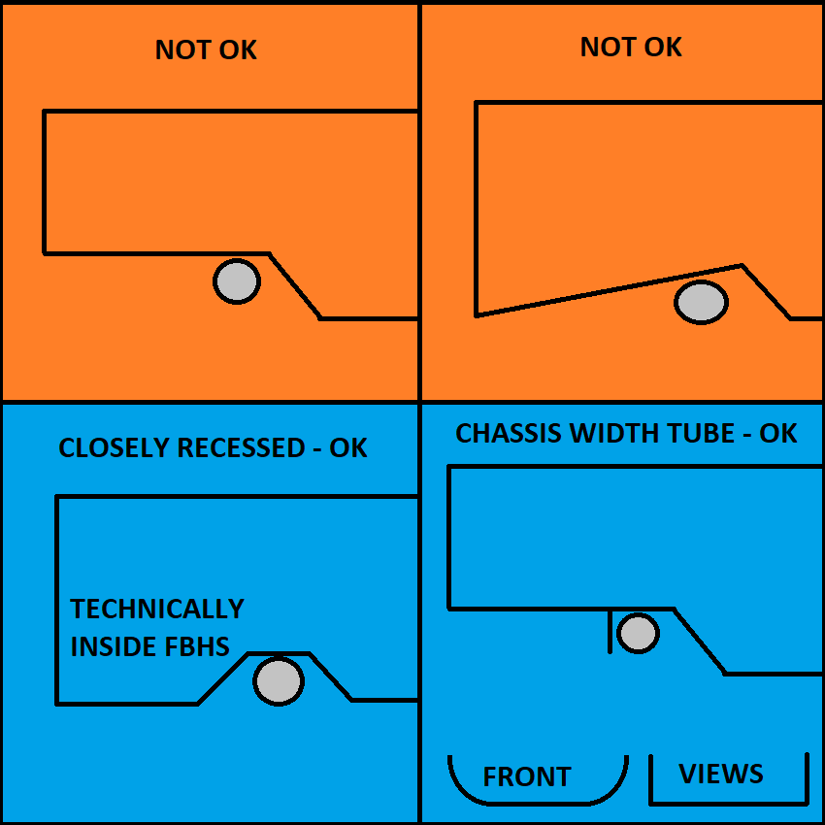
 |  |  |  |  |  |  |  |  |  |  |  |  |  |  |  |  |  |  |  |  |  |  |  |  |  |  | T.2.4.2 | F.3.2.1.j | Minimum Lap/Sub Belt Tube |  | Minimum | Tube Used |  | EQ | F.5.2.3 | The plane of a bent tube is defined by the straight axes on either side of the bend. |  |  |  |  |  |  |  |  |  | Square side: | 25 |  | mm | BLANK | F.5.11 | Wing mounts and other items outside the rollover envelope buckle the MH or MHB. |  |  |  |  |  |  |  |  |  |  |  |  |  |  | If mounts are asymmetric, average the centroid values for R.
 |  |  |  |  |  |  |  |  |  |  |  |  |  |  |  |  | BLANK |  |  |  |  |  |  |  |  |  | F.3.2.1.j | Example: 25.4mm x 1.6mm round |  |  | Size B |  |  | BLANK |  |  |  |  |  |  |  |  |  |  |  | Wall thickness: | 1.2 |  | mm | BLANK | F.5.11.2.a | Place rear wing mounts at nodes, or away from the MH and MHB. |  |  |  |  |  |  | BLANK
 |  |  |  |  |  |  |  |  |  |  |  |  |  |  |  |  | F.6.2.3.a |  |  |  |  | Top of FB to Upper FBHS tube, 50mm vertical limit: |  | mm | BLANK |  | F.3.4.1.b |  |  | Wall thickness: | 1.2 |  | mm | BLANK |  | Shoulder Harness Bar bends requires braces. |  |  |  |  |  |  |  |  |  | Square side: | 25.0 |  | mm | BLANK | Suspension pickups or rocker mounts on the MHB must be at fully triangulated nodes. |  |  |  |  |  |  |  | F.11.2.1.b | Tractive Side Protection |  |  | Minimum | Tube Used |  | EQ | BLANK
 |  |  |  |  |  |  |  |  |  |  |  |  |  |  |  |  |  |  |  |  |  |  |  |  |  |  |  |  |  | Square side: | 25 |  | mm | BLANK | BLANK |  |  |  |  |  |  |  |  |  |  | Tube cross sectional area (A): | 91 |  | mm^2 | BLANK | F.5.11.3 | Wing mounts should not point at the driver. In failure, try to keep outside chassis tubes. |  |  |  |  |  |  | F.3.2.1.n | Example: 25.4mm x 1.2mm round |  |  | Size C |  |  | BLANK | F.11.2.2.a |  |  | Rear Impact Tubes Replaced: | 0 |  | BLANK
 |  |  |  |  |  |  |  |  |  |  |  |  |  |  |  |  | BLANK |  |  |  |  |  |  |  |  |  |  |  |  | Wall thickness: | 1.2 |  | mm | BLANK | F.6.5.1 | Shoulder Harness Braces |  |  | Minimum | Tube Used |  | EQ |  |  |  | Tube second moment of inertia (I): | 6695 |  | mm^4 | BLANK |  |  |  |  |  |  |  |  | F.3.4.1.c |  |  | Wall thickness: | 1.2 |  | mm | BLANK | F.3.3-5 |  |  | Material: | Steel |  | BLANK
 |  |  |  |  |  |  |  |  |  |  |  |  |  |  |  |  | F.6.2.3.ab |  |  |  |  | FBHS configuration: |  |  | BLANK |  |  |  |  | Square side: | 25.0 |  | mm | BLANK | F.3.2.1.l | Example: 25.4mm x 1.2mm round |  |  | Size C |  |  | BLANK |  |  |  |  |  |  |  |  | F.5.11.2.b | Each wing mount in the middle of the MHB must have a structural tube brace underneath, |  |  |  |  |  |  |  |  |  | Square side: | 25 |  | mm | BLANK | F.3.4.2 |  |  | Young's Modulus (E): | 2.00E+11 | Pa | BLANK
 |  |  |  |  |  |  |  |  |  |  |  |  |  |  |  |  |  |  |  |  |  | Top of Upper FBHS tube relative to top of Upper SIS tube: |  |  | BLANK |  |  |  |  | Tube cross sectional area (A): | 114 |  | mm^2 | BLANK | F.3.4.1.c |  |  | Wall thickness: | 1.2 |  | mm | BLANK |  |  |  |  |  |  |  |  | and have a detachment or failure force below the calculated buckling yield of the MHB. |  |  |  |  |  |  |  |  |  |  | Wall thickness: | 1.2 |  | mm | BLANK |  |  |  | Yield Strength (Sy): | 3.05E+08 | Pa | BLANK

 |  |  |  |  |  |  |  |  |  |  |  |  |  |  |  |  |  |  |  |  |  | Vertical limit 50mm below: |  | mm | BLANK |  |  |  |  | Tube second moment of inertia (I): | 8509 |  | mm^4 | BLANK |  |  |  | Square side: | 25 |  | mm | BLANK |  |  |  |  |  |  |  |  | F.2.3 | FEA is not an accepted calculation for mount failure force or any other SES equivalency. |  |  |  |  |  |  |  |  |  | Square side: | 25.0 |  | mm | BLANK |  |  |  | Ultimate Strength (Su): | 3.65E+08 | Pa | BLANK
 |  |  |  |  |  |  |  |  |  |  |  |  |  |  |  |  |  | Rearward Front Hoop Brace is not required. |  |  |  |  |  |  |  |  |  |  |  |  |  |  |  |  |  |  |  | Wall thickness: | 1.2 |  | mm | BLANK |  |  |  |  |  |  |  |  | F.6.6.2 | If the brace has a path to the SIS and is triangulated underneath, it could be the MHBS. |  |  |  |  |  |  |  |  |  | Tube cross sectional area (A): | 91 |  | mm^2 | BLANK |  |  |  |  |  | Pa | BLANK
 |  |  |  |  |  |  |  |  |  |  |  |  |  |  |  |  |  |  |  |  |  |  |  |  |  |  |  |  |  | Wrapping lap and anti-sub belts around tubes is not acceptable for 6-point harnesses. |  |  |  |  |  |  |  | Square side: | 25.0 |  | mm | BLANK |  |  |  |  |  |  |  |  | F.5.9.6 | The wing mount would then be at an MHB node, and there is no failure requirement. |  |  |  |  |  |  |  |  |  | Tube second moment of inertia (I): | 6695 |  | mm^4 | BLANK |  |  |  |  | 0.00E+00 | mm^2 | BLANK
 |  |  |  |  |  |  |  |  |  |  |  |  |  |  |  |  | BLANK |  |  |  |  |  |  |  |  |  |  |  |  | Double shear attachments are preferred, but only one side is measured. |  |  |  |  |  |  |  | Tube cross sectional area (A): | 91 |  | mm^2 | BLANK |  |  |  |  |  |  |  |  |  | F.5.9 External Items: | https://www.fsaeonline.com/cdsweb/rqa/ViewFAQ.aspx?faqnum=279 |  |  |  |  |  |  |  |  |  |  |  |  |  |  |  |  |  | 0.00E+00 | mm^4 | BLANK
 |  |  |  |  |  |  |  |  |  |  |  |  |  |  |  |  | F.6.3.4 |  |  |  |  | Top of FH to top of FHB tube, 50mm vertical limit: |  | mm | BLANK |  | BLANK |  |  |  |  |  |  |  |  |  |  | Tube second moment of inertia (I): | 6695 |  | mm^4 | BLANK |  |  |  |  |  |  |  |  |  |  |  |  |  |  |  |  | F.11.2.1.b | Minimum height for the top edge of the upper tube is the lower of: 240mm above |  |  |  |  |  |  |  |  |  | Mount longitudinal Edge to Moment of Inertia Centroid (R): | 12.500 | mm | BLANK
 |  |  |  |  |  |  |  |  |  |  |  |  |  |  |  |  |  |  |  |  |  |  |  |  |  |  |  |  |  |  | Lap and sub belt attachment: |  |  | BLANK |  |  |  |  |  |  |  |  |  |  |  |  |  |  |  |  | BLANK |  |  |  |  |  |  |  | the lowest point of the top surface of the Lower SIS tube, or the top of the accumulator. |  |  |  |  |  |  |  | Buckling Modulus |  |  | E_1*I_1 <= E_2*I_2: | 0.00E+00 |  | BLANK
 |  |  |  |  |  |  |  |  |  |  |  |  |  |  |  |  | BLANK |  |  |  |  |  |  |  |  |  | T.2.5.8 |  |  |  | Lap belt hole diameter / fastener size: |  | mm | BLANK | BLANK |  |  |  |  |  |  |  |  |  |  |  |  |  |  |  | F.5.11 |  |  | Rear Wing chassis mounting locations: |  |  |  | BLANK |  |  |  |  |  |  |  |  | Critical Strength |  |  | S_1*A_1 <= S_2*A_2: |  |  | BLANK
 |  |  |  |  |  |  |  |  |  |  |  |  |  |  |  |  | F.6.3 | Forward Front Hoop Braces (FHB) |  |  |  | Minimum | Tube Used |  | EQ |  | T.2.7.4 |  |  |  | Anti-submarine belt hole diameter / fastener size: |  |  | BLANK | F.5.8.3.a |  |  |  | Main Hoop side view direction from Upper SIS up: |  |  | BLANK |  |  |  |  |  |  |  |  |  |  |  |  | Number of fasteners per wing mount, chassis side: |  |  | N/A | BLANK |  |  |  |  |  |  |  | Bending |  |  | 4*S_1*I_1/r <= 4*S_2*I_2/r: |  |  | BLANK
 |  |  |  |  |  |  |  |  |  |  |  |  |  |  |  |  | F.3.2.1.d | Example: 25.4mm x 1.6mm round |  |  |  | Size B |  |  | BLANK |  | T.2.4.3.b |  |  |  | Bolt hole thickness >= 1.6mm (0.063in) steel: |  | mm | BLANK |  |  |  |  | Main Hoop angle from vertical above Upper SIS, in side view, <=10: |  | degrees | BLANK |  |  |  |  |  |  |  |  | F.5.11.2.b | Wing Mount Braces |  |  | Minimum | Tube Used |  | N/A |  |  |  | EV motor location: |  |  |  | BLANK | Deflection |  |  | Bending_1/(48*EI): |  |  | BLANK
 |  |  |  |  |  |  |  |  |  |  |  |  |  |  |  |  | F.3.4.1.b |  |  |  | Wall thickness: | 1.2 |  | mm | BLANK |  |  |  |  |  | Minimum tearout distance: |  | mm | BLANK | F.5.8.2 | Main Hoop Braces may run forward or rearward. |  |  |  |  |  |  |  |  |  |  |  |  |  |  | F.3.2.1.o | Example: 25.4mm x 1.2mm round |  |  | Size C |  |  | N/A |  |  |  |  | Top surface of HV Protection: |  |  | BLANK | Energy |  |  | 0.5*Bending^2/(48*EI): |  |  | BLANK
 |  |  |  |  |  |  |  |  |  |  |  |  |  |  |  |  |  |  |  |  | Square side: | 25 |  | mm | BLANK |  |  |  |  |  | Area = 2*thickness*min distance >= 60 mm^2 | 0 | 0.00% | REJECT |  |  |  |  |  |  |  |  |  |  |  |  |  |  |  |  | F.3.4.1.c |  |  | Wall thickness: | 1.2 |  | mm | N/A
 |  |  |  |  |  |  |  |  |  |  |  |  |  |  |  |  |  |  |  |  | Wall thickness: | 1.2 |  | mm | BLANK |  |  |  |  |  | Bracket attachment: |  |  | BLANK | BLANK |  |  |  |  |  |  |  |  |  |  |  |  |  |  |  |  |  |  | Square side: | 25 |  | mm | N/A
 |  |  |  |  |  |  |  |  |  |  |  |  |  |  |  |  |  |  |  |  | Square side: | 25.0 |  | mm | BLANK |  |  |  |  | Tab to tube welding must be on both sides of the tab. |  |  |  |  | F.5.8.3.c |  |  |  | MH side view direction from Upper SIS down: |  |  | BLANK | Required Image: Car showing wing mounts. |  |  |  |  |  |  |  |  |  |  | Wall thickness: | 1.2 |  | mm | N/A
 |  |  |  |  |  |  |  |  |  |  |  |  |  |  |  |  |  |  |  |  | Tube cross sectional area (A): | 114 |  | mm^2 | BLANK |  |  |  |  |  |  |  |  |  |  |  |  |  | Main Hoop side angle from vertical below Upper SIS: |  | degrees | BLANK |  |  |  |  |  |  |  |  |  |  |  | Square side: | 25.0 |  | mm | N/A
 |  |  |  |  |  |  |  |  |  |  |  |  |  |  |  |  |  |  |  |  | Tube second moment of inertia (I): | 8509 |  | mm^4 | BLANK |  |  |  |  |  |  |  |  |  |  |  |  |  |  |  |  |  |  |  |  |  |  |  |  |  |  |  |  | Tube cross sectional area (A): | 91 |  | mm^2 | N/A
 |  |  |  |  |  |  |  |  |  |  |  |  |  |  |  |  |  |  |  |  |  |  |  |  |  |  |  |  |  |  |  |  |  |  | BLANK |  |  |  |  |  |  |  |  |  |  |  |  |  |  |  |  |  |  | Tube second moment of inertia (I): | 6695 |  | mm^4 | N/A
 |  |  |  |  |  |  |  |  |  |  |  |  |  |  |  |  |  | Rearward Front Hoop Brace is not required. |  |  |  |  |  |  |  |  |  |  |  |  |  |  |  |  | F.5.8.4 |  |  |  | Distance between Main Hoop ends, >=380mm (15") |  | mm | BLANK |  |  |  |  |  |  |  |  | F.5.11.2.b |  |  | Calculation of buckling strength of MHB tube. |  |  |  | N/A
 |  |  |  |  |  |  |  |  |  |  |  |  |  |  |  |  | EQ |  |  |  |  |  |  |  |  |  |  |  |  |  |  |  |  |  |  |  |  |  |  |  |  |  |  |  |  |  |  |  |  |  | F.3.4.2 |  |  |  | Yield Strength (Sy): | 3.05E+08 | Pa | N/A
 |  |  |  |  |  |  |  |  |  |  |  |  |  |  |  |  | F.6.2.3.b | Rear Front Bulkhead Support (FBHS) |  |  |  | Minimum | Tube Used |  | N/A |  |  |  |  |  |  |  |  |  | F.5.2.1 | Enter the tightest bend on any T.5-6 tube in the chassis (usually in the MH or SH.) |  |  |  |  |  |  |  |  |  |  |  |  |  |  |  |  |  |  | Main Hoop Brace Outer Diameter (OD): | 0 | mm | N/A
 |  |  |  |  |  |  |  |  |  |  |  |  |  |  |  |  | F.3.2.1.b | Example: 25.4mm x 1.2mm round |  |  |  | Size C |  |  | N/A |  |  |  |  |  |  |  |  |  | BLANK |  |  |  |  |  |  |  |  |  |  |  |  |  |  |  |  |  |  |  | Main Hoop Brace second moment of inertia (I): |  | mm^4 | N/A
 |  |  |  |  |  |  |  |  |  |  |  |  |  |  |  |  | F.3.4.1.c |  |  |  | Wall thickness: | 1.2 |  | mm | N/A |  |  |  |  |  |  |  |  |  | F.5.2.1 |  |  |  | Minimum tube centerline radius: |  | mm | BLANK |  |  |  |  |  |  |  |  |  |  |  |  | Main Hoop Brace Length (Main Hoop to MHBS) (L): |  | mm | N/A
 |  |  |  |  |  |  |  |  |  |  |  |  |  |  |  |  |  |  |  |  | Square side: | 25 |  | mm | N/A |  |  |  |  |  |  |  |  |  |  |  |  |  | Outer Diameter (OD): |  | mm | BLANK |  |  |  |  |  |  |  |  |  |  |  |  | Wing Mount distance to closest MHB end (a): |  | mm | N/A
 |  |  |  |  |  |  |  |  |  |  |  |  |  |  |  |  |  |  |  |  | Wall thickness: | 1.2 |  | mm | N/A |  |  |  |  |  |  |  |  |  |  |  |  |  | Minimum radius::diameter ratio, >=3: |  |  |  |  |  |  |  |  |  |  |  |  |  |  |  | MHB Max Moment Load (Sy*L*I)/(a*(L-a)*OD/2): |  | N | N/A
 |  |  |  |  |  |  |  |  |  |  |  |  |  |  |  |  |  |  |  |  | Square side: | 25.0 |  | mm | N/A |  |  |  |  |  |  |  |  |  |  |  |  |  |  |  |  |  |  |  |  |  |  |  |  |  |  |  | Failure mechanism: |  |  |  |  | N/A
 |  |  |  |  |  |  |  |  |  |  |  |  |  |  |  |  |  |  |  |  | Tube cross sectional area (A): | 91 |  | mm^2 | N/A |  |  |  |  |  |  |  |  |  |  |  |  | Wrapping shoulder harness belts around the SH bar is preferred. |  |  |  |  |  |  |  |  |  |  |  |  |  |  |  |  |  |  | N | N/A
 |  |  |  |  |  |  |  |  |  |  |  |  |  |  |  |  |  |  |  |  | Tube second moment of inertia (I): | 6695 |  | mm^4 | N/A |  | Harness tab location, dimensions, shear area |  |  |  |  |  |  |  | BLANK |  |  |  |  |  |  |  |  |  |  |  |  |  |  |  |  |  |  |  |  | 0 |  | N/A
 |  |  |  |  |  |  |  |  |  |  |  |  |  |  |  |  |  |  |  |  |  |  |  |  |  |  |  |  |  |  |  |  |  |  |  |  |  |  | Shoulder belt attachment: |  |  | BLANK |  |  |  |  |  |  |  |  |  |  |  | Add image of wing mounts in context of car behind MH.
 |  |  |  |  |  |  |  |  |  |  |  |  |  |  |  |  | F.6.2.3.b | Rear FBHS braces minimum Size C. |  |  |  |  |  |  |  |  |  |  |  |  |  |  |  |  | T.2.6.3 |  |  |  | Shoulder belt hole diameter / fastener size: |  | mm | BLANK | F.5.11 | Approaches to wing detachment.
 |  |  |  |  |  |  |  |  |  |  |  |  |  |  |  |  | F.6.3.5 | Rear FH braces minimum Size B. |  |  |  |  |  |  |  |  |  |  |  |  |  |  |  |  |  |  |  |  |  |  |  | BLANK |  |  |  |  |  |  |  |  | BLANK
 |  |  |  |  |  |  |  |  |  |  |  |  |  |  |  |  |  |  |  |  |  |  |  |  |  |  |  |  |  |  |  |  |  |  | T.2.4.3 |  |  |  | Bolt hole thickness >= 1.6mm (0.063in) steel: |  | mm | BLANK | A | STRONGLY PREFERRED |  |  |  |  |  |  |  |  |  |  | Do any regulated tubes use F.5.12 bolted connections? |  |  | BLANK
 |  |  |  |  |  |  |  |  |  |  |  |  |  |  |  |  |  |  |  |  |  |  |  |  |  |  |  |  |  |  |  |  |  |  |  |  |  |  | Minimum tearout distance: |  | mm | BLANK |  | Single fastener at each node, rotationally free. |  |  |  |  |  |  |  |  |  |  | Any holes over 4mm drilled in F.3.2.1 required tubes? |  |  | BLANK
 |  |  |  |  |  |  |  |  |  |  |  |  |  |  |  |  |  |  |  |  |  |  |  |  |  |  |  |  |  |  |  |  |  |  |  |  |  |  | Area = 2*thickness*min distance >= 60 mm^2 | 0 | 0.00% | REJECT |  | No failure force required. |  |  |  |  |  |  |  |  |  |  | Does the steering rack interrupt any required tubes? |  |  | BLANK
 |  |  |  |  |  |  |  |  |  |  |  |  |  |  |  |  |  |  |  |  |  |  |  |  |  |  |  |  |  |  |  |  |  |  |  |  |  |  | Bracket attachment: |  |  | BLANK |  | Mounts rearward of the MHB assembly are completely unrestricted
 |  |  |  |  |  |  |  |  |  |  |  |  |  |  |  |  |  |  |  |  |  |  |  |  |  |  |  |  |  |  |  |  |  |  |  |  |  | Tab to tube welding must be on both sides of the tab. |  |  |  |  |  |  |  |  |  |  |  |  | Welded Inserts tab may be activated by AIP or EV
 |  |  |  |  |  |  |  |  |  |  |  |  |  |  |  |  |  |  |  |  |  |  |  |  |  |  |  |  |  |  |  |  |  |  |  |  |  |  |  |  |  |  | B | NOT RECOMMENEDED - ILLEGAL IN AUSTRALIA
 |  |  |  |  |  |  |  |  |  |  |  |  |  |  |  |  |  |  |  |  |  |  |  |  |  |  |  |  |  |  |  |  |  |  |  |  |  |  |  |  |  |  |  | Mounts in the middle of the MHB or MH require a brace between the two.
 |  |  |  |  |  |  |  |  |  |  |  |  |  |  |  |  |  |  |  |  |  |  |  |  |  |  |  |  |  |  |  |  |  |  |  |  |  |  |  |  |  |  |  | All fasteners or mounts on a side must fail simultaneously below the MHB buckling force. |  |  |  |  |  |  | EV: Complete EV protection columns to the right

 |  |  |  |  |  |  |  |  |  |  |  |  |  |  |  |  |  |  |  |  |  |  |  |  |  |  |  |  |  |  |  |  |  |  |  |  |  |  |  |  |  |  | C | NOT RECOMMENEDED - GUSSET MAY BE REQUIRED
 |  |  |  |  |  |  |  |  |  |  |  |  |  |  |  |  |  |  |  |  |  |  |  |  |  |  |  |  |  |  |  |  |  |  |  |  |  |  |  |  |  |  |  | Multiple fasteners within 1x outer diameter of the node. |  |  |  |  |  |  | EV: Complete all other tabs
 |  |  |  |  |  |  |  |  |  |  |  |  |  |  |  |  |  |  |  |  |  |  |  |  |  |  |  |  |  |  |  |  |  |  |  |  |  |  |  |  |  |  |  | All but one fastener must fail simultaneously below the MHB buckling force.

 |  |  |  |  |  |  |  |  |  |  |  |  |  |  |  |  |  |  |  |  |  |  |  |  |  |  |  |  |  |  |  |  |  |  |  |  |  |  |  |  |  |  | D | NOT RECOMMENEDED - ILLEGAL IN AUSTRALIA |  |  |  |  |  |  | BLANK |  | F.3.1-4 Tube Chassis
 |  |  |  |  |  |  |  |  |  |  |  |  |  |  |  |  |  |  |  |  |  |  |  |  |  |  |  |  |  |  |  |  |  |  |  |  |  |  |  |  |  |  |  | Multiple fasteners along the MHB.
 |  |  |  |  |  |  |  |  |  |  |  |  |  |  |  |  |  |  |  |  |  |  |  |  |  |  |  |  |  |  |  |  |  |  |  |  |  |  |  |  |  |  |  | Brace required between MH and MHB at rearmost fastener. |  |  |  |  |  |  | BLANK |  | F.10-11 EV Accumulator
 |  |  |  |  |  |  |  |  |  |  |  |  |  |  |  |  |  |  |  |  |  |  |  |  |  |  |  |  |  |  |  |  |  |  |  |  |  |  |  |  |  |  |  | All fasteners not located at the MH-MHB node must fail simultaneously below the MHB buckling force.
 |  |  |  |  |  |  |  |  |  |  |  |  |  |  |  |  |  |  |  |  |  |  |  |  |  |  |  |  |  |  |  |  |  |  |  |  |  |  |  |  |  |  |  |  |  |  |  |  |  |  | BLANK |  | F.8 Front Protection

 |  |  |  |  |  |  |  |  |  |  |  |  |  |  |  |  |  |  |  |  |  |  |  |  |  |  |  |  |  |  |  |  |  |  |  |  |  |  |  |  |  |  |  |  |  |  |  |  |  |  | BLANK |  | F.3.4.3 Welded Inserts

 |  |  |  |  |  |  |  |  |  |  |  |  |  |  |  |  |  |  |  |  |  |  |  |  |  |  |  |  |  |  |  |  |  |  |  |  |  |  |  |  |  |  |  |  |  |  |  |  |  |  | BLANK |  | F.5.12 Bolted Members

 |  |  |  |  |  |  |  |  |  |  |  |  |  |  |  |  |  |  |  |  |  |  |  |  |  |  |  |  |  |  |  |  |  |  |  |  |  |  |  |  |  |  |  |  |  |  |  |  |  |  | NO |  | Ready to submit for review?

F.10-11 EV Accumulator
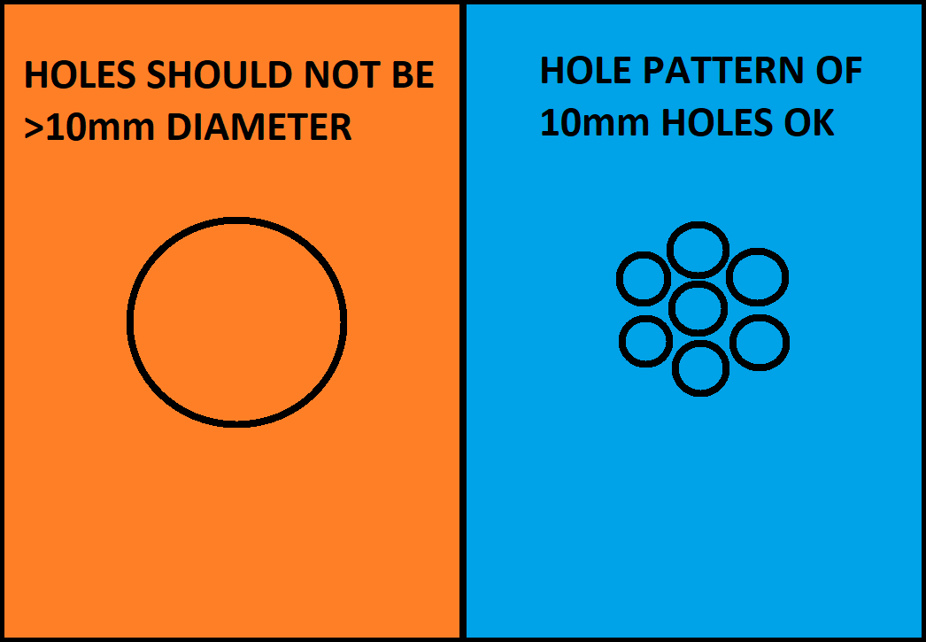
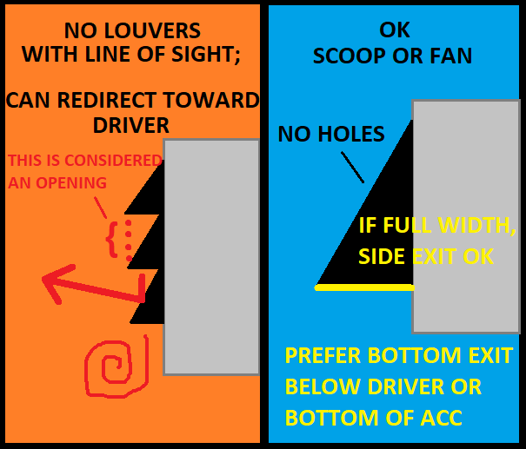
Match composite testing tabs and material list names. Properties auto-populate. No need to use "F.4.3 Composite" in the name. |  |  |  | Note: Forces are given in Pa, not Mpa or Gpa. |  |  |  |  |  |  |  |  |  |  | F.10.4.4 | FOR ACCUMULATORS LOCATED BEHIND THE DRIVER, NO AIRFLOW OPENINGS ARE PERMITTED IN THE FRONT OR TOP. |  |  |  |  |  |  |  |  |  |  |  | Section 3: Mount attachment to the accumulator container. If the mount sticks out from the accumulator, the mount
 |  |  |  | Material |  | E (Pa) |  | S_Ultimate (Pa) |  | Shear (Pa) |  |  |  |  |  | 75% OF EACH SEGMENT FACE MUST BE COVERED. HOLE PATTERNS ARE ENCOURAGED. LARGE HOLES ARE DISCOURAGED. |  |  |  |  |  |  |  |  |  |  |  | itself has to attach to the accumulator skin. It may be bolted, bonded, welded, or continuous material. (AA100)
 |  |  |  | Steel Unwelded |  | 2.00E+11 |  | 3.65E+08 |  | 2.11E+08 |  |  |  |  |  | SLOTS FOR AIRFLOW ARE PROHIBITED |  |  |  |  |  |  |  |  |  |  |  | Chassis mount sections are broken into four subsections.
 |  |  |  | Steel Welded |  | 2.00E+11 |  | 3.00E+08 |  | 1.73E+08 |  |  |  |  | F.10.5.6.a | For accumulator mounting, the SES considers the accumulator modules as one solid block. Most likely, your |  |  |  |  |  |  |  |  |  |  |  | Section 4: Main accumulator fastener to chassis. Same ideas as Section 1, just on the chassis side instead of the
 |  |  |  | 6061-T6 Unwelded |  | 6.90E+10 |  | 2.90E+08 |  | 1.67E+08 |  |  |  |  |  | modules are basically rectangular. Most likely, all the modules in the accumulator form a larger rectangle. |  |  |  |  |  |  |  |  |  |  |  | accumulator side. How far does the mount stick out from the chassis at the point where the fastener is in shear?
 |  |  |  | 6061-T6 Welded |  | 6.90E+10 |  | 1.75E+08 |  | 1.01E+08 |  |  |  |  |  | If it's not a rectangle, structure may be added to make it rectangular, or maybe it's an L-shape made of two rectangles. |  |  |  |  |  |  |  |  |  |  |  | Note: Fastener shear should be identical to the accumulator section, since it's the same fastener/fasteners.
 |  |  |  | Other Unwelded |  |  |  |  |  | 0.00E+00 |  | Core | Outer | Inner | F.10.5.5 | Start by imagining the accumulator as a block with planar surfaces. We encourage you to engineer the accumulator |  |  |  |  |  |  |  |  |  |  |  | Mounts using welded inserts on the centerline of Size B tubes automatically meet a 15kN load requirement.
 |  |  |  | Other Welded |  |  |  |  |  | 0.00E+00 |  | mm | mm | mm |  | and chassis for F.10.5.6 corner attachment. Due to better moment reaction with mounts at all corners, the required |  |  |  |  |  |  |  |  |  |  |  | F.10.5.2.a | MOUNTS PROHIBITED ON SH, MHB, AND PORTIONS OF MH ABOVE TRIANGULATED SIDE STRUCTURE.
Doubled skin must repeat whole layup. Scroll up if Layup Used blank. |  |  |  |  |  |  |  |  |  |  |  |  |  |  |  | test load for corner attachment mounts is reduced compared to F.10.5.7 load based attachment. |  |  |  |  |  |  |  |  |  |  |  | Tall packs will also have more difficulty passing the tilt test, IN.9.2.2. |  |  |  |  |  |  |  |  |  |  | Show accumulator / frame with all mounts. |  |  |  |  |  |  |  |  |  |  |  |  | Show accumulator / frame mounts. |  |  |  |  |  |  |  |  |  |  |  |  | Show accumulator / frame mounts. |  |  |  |  |  |  |  |  |  |  | Show accumulator / frame mounts.
 |  |  |  |  |  |  |  |  |  |  |  |  |  |  |  | Accumulator mount sections are broken into three subsections. |  |  |  |  |  |  |  |  |  |  |  | F.11.2.3 | IDEALLY, CHASSIS TUBES AND NON-CRUSHABLE OBJECTS HAVE 25mm CLEARANCE TO ANY CELLS.
 |  |  |  |  |  |  |  |  |  |  |  |  |  |  | F.10.5.6.c | Section 1: Main accumulator fastener location and fastener interaction with mount. Use 0 for internal hardpoints. |  |  |  |  |  |  |  |  |  |  |  | IDEALLY, ACCUMULATOR AND CHASSIS MOUNTS HAVE THE LOWEST OFFSET AND BENDING POSSIBLE. |  |  |  |  |  |  |  |  |  |  | Identify mounts by corresponding number / corner name. |  |  |  |  |  |  |  |  |  |  |  |  | Show fastener bending distances from segments. |  |  |  |  |  |  |  |  |  |  |  |  | Show fastener bending distances from segments. |  |  |  |  |  |  |  |  |  |  | Show fastener bending distances from segments.
 |  |  |  |  |  |  |  |  |  |  |  |  |  |  | F.10.5.7.c | Where the fastener is in shear, at the centerpoint, what is the minimum distance to the block representation of the |  |  |  |  |  |  |  |  |  |  |  | Section 5: For a tube frame section, a bending check on the tubes themselves. For 2023, the SES committee will not
 |  |  |  |  |  |  |  |  |  |  |  |  |  |  |  | accumulator in the X, Y, and Z views? "Outside" shows where the mount is sticking out. (In front, to the left, above, etc.) |  |  |  |  |  |  |  |  |  |  |  | be overly concerned with accumulator tube CHECK values if the rest of the design is reasonable. It was included to |  |  |  |  |  |  |  |  |  |  | All walls must maintain 75% area, holes < 10mm each. |  |  |  |  |  |  |  |  |  |  |  |  | Show fastener bending distances from chassis. |  |  |  |  |  |  |  |  |  |  |  |  | Show fastener bending distances from chassis. |  |  |  |  |  |  |  |  |  |  | Show fastener bending distances from chassis.
 |  |  |  |  |  |  |  |  |  |  |  |  |  |  |  | Any "outside" measurements count towards AA65, "Total Surface Offset", which is the minimum lever distance from the |  |  |  |  |  |  |  |  |  |  |  | help student teams consider whether there could be a better location for their chassis-side mounts. Rather than
 |  |  |  |  |  |  |  |  |  |  |  |  |  |  |  | fastener shear plane to the block representation of the accumulator. Any "between" measurement is where the mount |  |  |  |  |  |  |  |  |  |  |  | randomly placing one or more high load requirements in the middle of a span. And hopefully take any reasonable steps
Select Drop Down |  |  |  |  |  |  |  |  |  |  |  |  |  |  |  | is between two planes. Also in this section: Checks for fastener shear, pullout, and tearout from the accumulator side. |  |  |  |  |  |  |  |  |  |  |  | for improvement. Designing a strong mount without paying attention to the underlying structure is not good engineering.
BLANK |  |  |  |  |  |  |  |  |  |  |  |  |  |  |  | Section 2: Geometry to react bending moments. If the mount is sticking out, it has to have sufficient bending strength. |  |  |  |  |  |  |  |  |  |  |  | F.10.5.7.e | MAXIMUM OF TWO MOUNTS ON A CHASSIS TUBE BETWEEN TWO TRIANGULATED NODES.
 |  |  |  |  |  |  |  |  |  |  |  |  |  |  |  | The image in AY28 shows how to find the measurements for this section, using the shape of the mount contacting the skin. |  |  |  |  |  |  |  |  |  |  |  | Section 6: Geometry to react bending moments, same ideas as Section 2.
 |  |  |  |  |  |  |  |  |  |  |  |  |  |  |  | Sufficient bending strength is needed for the fastener trying to move around its axis, gusset thickness parallel to the shear plane. |  |  |  |  |  |  |  |  |  |  |  | Section 7: Mount attachment to chassis, same ideas as section 3.
 |  |  |  |  |  |  |  |  | Composite teams: Enter tab names for materials used. |  |  |  |  |  |  | Sufficient bending strength is needed for the fastener trying to move ALONG its axis, gusset thickness parallel to the axis. |  |  |  |  |  |  |  |  |  |  |  | If the mount sticks out from the chassis, the mount itself has to attach to the chassis skin.
 |  |  |  |  | BLANK |  |  |  |  |  |  |  |  |  |  |  | BLANK
 |  |  |  |  | Low Est | 0 |  |  |  | Total mass of all segments: |  | kg | BLANK |  |  | F.10.5.6-7 |  |  | Mounting Method: |  |  |  |  |  |  | BLANK |  | All mounts on an accumulator, even if identical, need to be entered into the SES.
 |  |  |  |  | High Est | 0 |  |  |  | Total accumulator mass: |  | kg | BLANK |  |  |  |  |  | Test Load: | 15000 | N |  |  |  |  | EQ |  | Identical mounts for multiple packs only need to be entered once.
 |  |  |  |  | F.10.5.6 |  |  |  |  | Corner attachment test load: | 0 | N | each |  |  |  |  |  | Accumulator mount symmetry: |  |  | This will change the names of sections. |  |  |  | BLANK |  | Nearly identical mounts (or if repeated across multiple packs) should be entered as highest offset, smallest brace.
mm |  |  |  |  | F.10.5.7 |  |  |  | Mass based min attachment number: | 4x at | 15000 | N | each |  |  |  |  |  | Chassis mount symmetry: |  |  | This will change the names of sections. |  |  |  | BLANK |  | For asymmetric packs, more than 10 mounts, or removable subframes: Right click and make a copy of this tab.

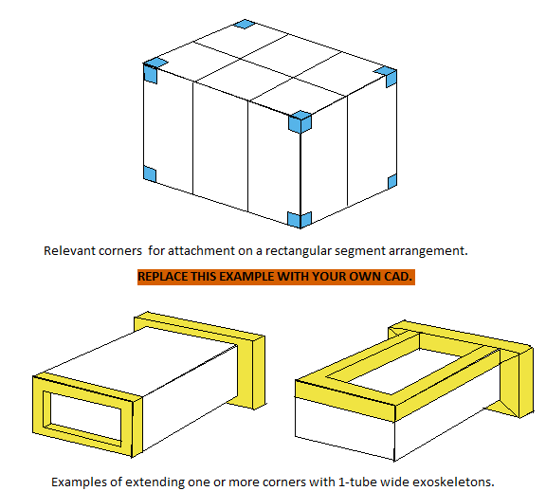
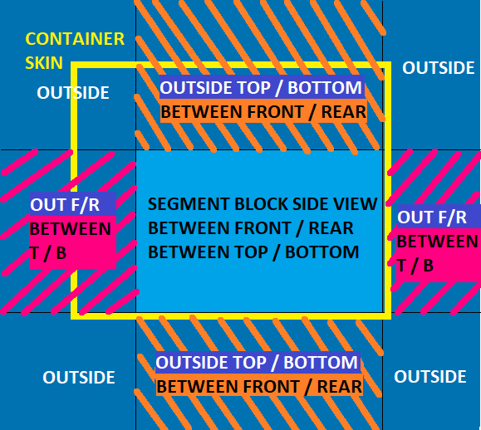
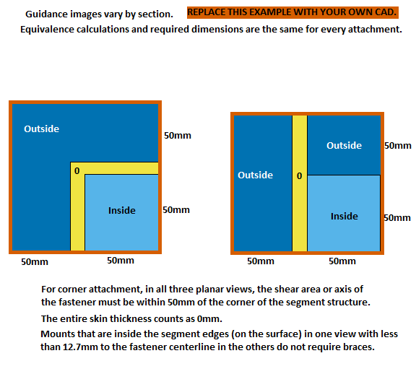
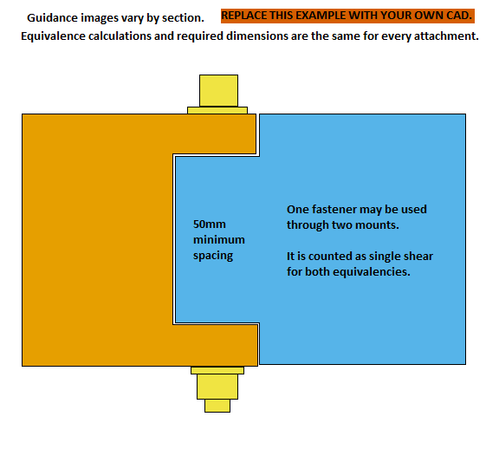
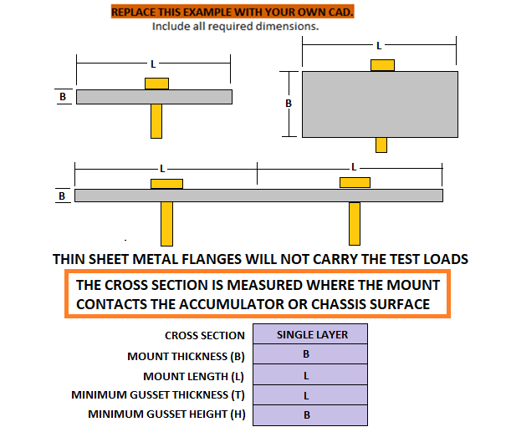
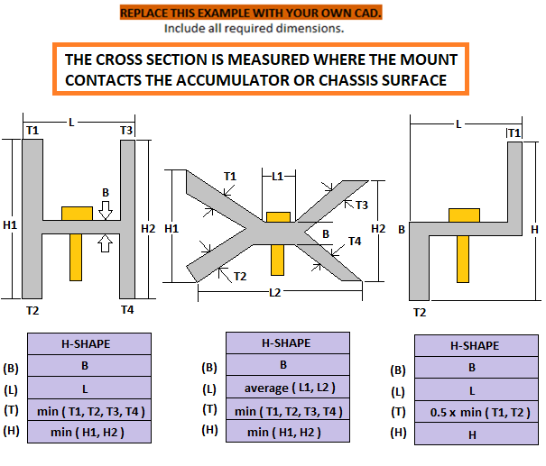
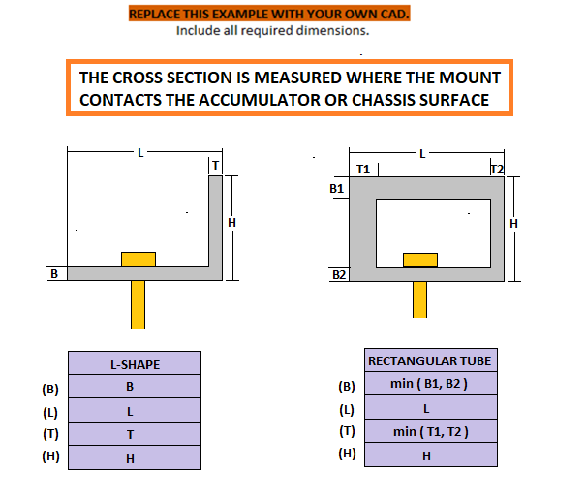
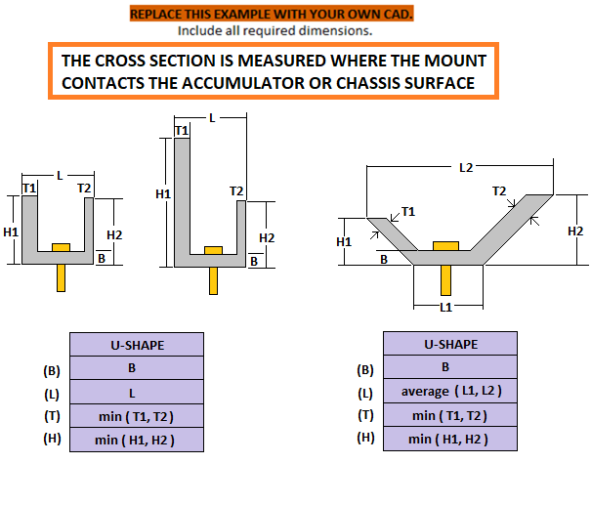
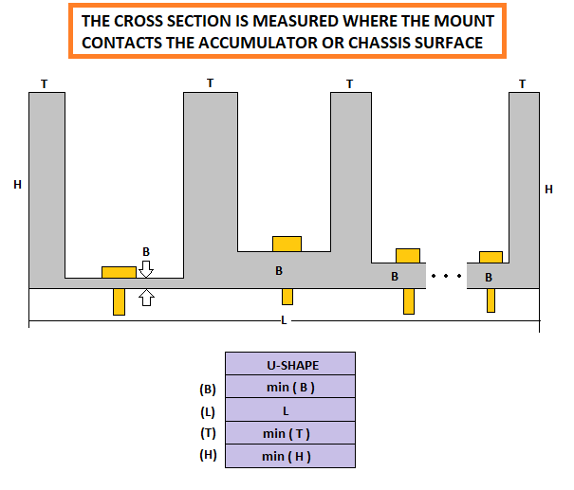
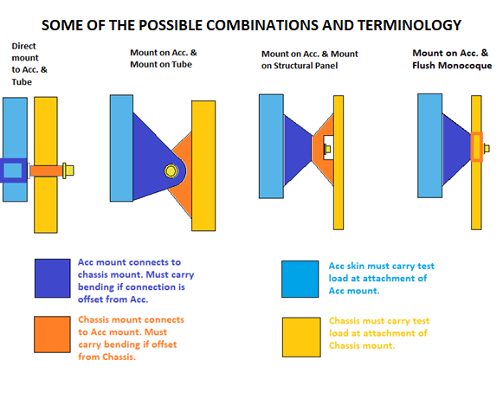

Segment cross sections required. |  |  |  |  |  |  |  |  |  | Segment arrangement CAD required. |  |  |  |  |  |  |  |  |  | Top Front Accumulator Mount |  |  |  |  |  |  |  |  |  | Top Rear Accumulator Mount |  |  |  |  |  |  |  |  | Bottom Front Accumulator Mount |  |  |  |  |  |  |  |  | Bottom Rear Accumulator Mount |  |  |  |  |  |  |  |  | Accumulator Mount 5 |  |  |  |  |  |  |  |  | Top Front Chassis Mount |  |  |  |  |  |  |  | Top Rear Chassis Mount |  |  |  |  |  |  |  | Bottom Front Chassis Mount |  |  |  |  |  |  |  | Bottom Rear Chassis Mount |  |  |  |  |  |  |  | Chassis Mount 5

 |  |  |  |  |  |  |  |  |  |  | Include all dimensions entered below.

 | Segment lateral cross section. (Multiple if modules are not identical.) |  |  |  |  |  |  |  |  |  | Lateral cross sections at attachment points.
 | Segment longitudinal cross section. (Multiple if modules are not identical.) |  |  |  |  |  |  |  |  |  | Longitudinal cross sections at attachment points.
 | Include all dimensions entered below. |  |  |  |  |  |  |  |  |  | If symmetric, only one lateral and longitudinal section cut showing half of the attachments is needed.

 |  |  |  |  |  |  |  |  |  |  | If the section through the mounts does not intersect the segments, provide the accumulator cross sections at the segment ends.

 |  |  |  |  |  |  |  |  |  |  |  |  |  |  |  |  |  |  |  | Include all dimensions entered below. |  |  |  |  |  |  |  |  |  | Include all dimensions entered below. |  |  |  |  |  |  |  |  | Include all dimensions entered below. |  |  |  |  |  |  |  |  | Include all dimensions entered below. |  |  |  |  |  |  |  |  | Include all dimensions entered below. |  |  |  |  |  |  |  |  | Include all dimensions entered below. |  |  |  |  |  |  |  | Include all dimensions entered below. |  |  |  |  |  |  |  | Include all dimensions entered below. |  |  |  |  |  |  |  | Include all dimensions entered below. |  |  |  |  |  |  |  | Include all dimensions entered below.

Additional images may be placed below each section. |  |  |  |  |  |  |  |  |  | Additional images may be placed below each section. |  |  |  |  |  |  |  |  |  | Additional images may be placed below each section. |  |  |  |  |  |  |  |  |  | Additional images may be placed below each section. |  |  |  |  |  |  |  |  | Additional images may be placed below each section. |  |  |  |  |  |  |  |  | Additional images may be placed below each section. |  |  |  |  |  |  |  |  | Additional images may be placed below each section. |  |  |  |  |  |  |  |  | Additional images may be placed below each section. |  |  |  |  |  |  |  | Additional images may be placed below each section. |  |  |  |  |  |  |  | Additional images may be placed below each section. |  |  |  |  |  |  |  | Additional images may be placed below each section. |  |  |  |  |  |  |  | Additional images may be placed below each section.
BLANK |  | Accumulator Segments |  |  |  |  |  |  |  | BLANK |  | Accumulator Container |  |  |  |  |  |  |  | BLANK |  | Top Front Accumulator Mount |  |  |  |  |  |  |  | BLANK |  | Top Rear Accumulator Mount |  |  |  |  |  |  | BLANK |  | Bottom Front Accumulator Mount |  |  |  |  |  |  | BLANK |  | Bottom Rear Accumulator Mount |  |  |  |  |  |  | EQ |  | Accumulator Mount 5 |  |  |  |  |  |  | BLANK |  | Top Front Chassis Mount |  |  |  |  |  | BLANK |  | Top Rear Chassis Mount |  |  |  |  |  | BLANK |  | Bottom Front Chassis Mount |  |  |  |  |  | BLANK |  | Bottom Rear Chassis Mount |  |  |  |  |  | EQ |  | Chassis Mount 5

 |  |  |  |  |  |  |  |  |  |  |  |  |  |  |  |  |  |  |  |  |  |  |  |  |  |  |  |  |  |  |  |  |  |  |  |  |  |  |  |  |  |  |  |  |  |  |  |  |  |  |  |  |  |  |  |  |  |  |  |  | Clear entry cells if unused. |  |  |  |  |  |  |  |  |  |  |  |  |  |  |  |  |  |  |  |  |  |  |  |  |  |  |  |  |  |  |  |  |  |  |  |  |  |  |  | Clear entry cells if unused.
The segment structures carry the load to the accumulator container and mounts. |  |  |  |  |  |  |  |  |  | Structure may be added between or around segments to define a rectangular structure. |  |  |  |  |  |  |  |  |  | ACCUMULATOR MOUNT: Where fastener passes through to Chassis Mount |  |  |  |  |  |  |  |  |  | ACCUMULATOR MOUNT: Where fastener passes through to Chassis Mount |  |  |  |  |  |  |  |  | ACCUMULATOR MOUNT: Where fastener passes through to Chassis Mount |  |  |  |  |  |  |  |  | ACCUMULATOR MOUNT: Where fastener passes through to Chassis Mount |  |  |  |  |  |  |  |  | ACCUMULATOR MOUNT: Where fastener passes through to Chassis Mount |  |  |  |  |  |  |  |  | CHASSIS MOUNT: Where fastener passes through to Accumulator Mount |  |  |  |  |  |  |  | CHASSIS MOUNT: Where fastener passes through to Accumulator Mount |  |  |  |  |  |  |  | CHASSIS MOUNT: Where fastener passes through to Accumulator Mount |  |  |  |  |  |  |  | CHASSIS MOUNT: Where fastener passes through to Accumulator Mount |  |  |  |  |  |  |  | CHASSIS MOUNT: Where fastener passes through to Accumulator Mount
This information will help develop FSAE standards for accumulator and segment internal structure. |  |  |  |  |  |  |  |  |  | A 1-tube thick exoskeleton with a direct load path around the perimeter of the assembled segments may be used to define the structural limits and corners. |  |  |  |  |  |  |  |  |  | BLANK |  |  |  |  |  |  |  |  |  | BLANK |  |  |  |  |  |  |  |  | BLANK |  |  |  |  |  |  |  |  | BLANK |  |  |  |  |  |  |  |  | EQ |  |  |  |  |  |  |  |  | BLANK |  |  |  |  |  |  |  | BLANK |  |  |  |  |  |  |  | BLANK |  |  |  |  |  |  |  | BLANK |  |  |  |  |  |  |  | EQ
Segment installation is generally assumed to increase the strength of containers. |  |  |  |  |  |  |  |  |  |  |  |  |  |  |  |  |  |  |  |  |  |  |  | Intersection of fastener axis and fastener shear plane. |  |  |  | EQ |  |  |  |  |  | Intersection of fastener axis and fastener shear plane. |  |  |  | EQ |  |  |  |  | Intersection of fastener axis and fastener shear plane. |  |  |  | EQ |  |  |  |  | Intersection of fastener axis and fastener shear plane. |  |  |  | EQ |  |  |  |  | Intersection of fastener axis and fastener shear plane. |  |  |  | EQ |  |  |  |  | Intersection of fastener axis and fastener shear plane. |  |  | BLANK |  |  |  |  | Intersection of fastener axis and fastener shear plane. |  |  | BLANK |  |  |  |  | Intersection of fastener axis and fastener shear plane. |  |  | BLANK |  |  |  |  | Intersection of fastener axis and fastener shear plane. |  |  | BLANK |  |  |  |  | Intersection of fastener axis and fastener shear plane. |  |  | N/A
EV.2.1 | Additional documentation is required in the ESF. |  |  |  |  |  |  |  |  | A subframe may be used to bring nodes to the accumulator if the tubes meet F.3.4 |  |  |  |  |  |  |  |  |  | Outside | the front/rear planes of the accumulator segments: |  |  |  |  |  | mm | BLANK |  | Outside | the front/rear planes of the accumulator segments: |  |  |  |  |  | mm | BLANK | Outside | the front/rear planes of the accumulator segments: |  |  |  |  |  | mm | BLANK | Outside | the front/rear planes of the accumulator segments: |  |  |  |  |  | mm | BLANK | Outside | the front/rear planes of the accumulator segments: |  |  |  |  |  | mm | N/A |  |  |  | Enter 0 for centerline tube inserts or flush with a monocoque hardpoint. |  |  |  | EQ |  |  |  | Enter 0 for centerline tube inserts or flush with a monocoque hardpoint. |  |  |  | EQ |  |  |  | Enter 0 for centerline tube inserts or flush with a monocoque hardpoint. |  |  |  | EQ |  |  |  | Enter 0 for centerline tube inserts or flush with a monocoque hardpoint. |  |  |  | EQ |  |  |  | Enter 0 for centerline tube inserts or flush with a monocoque hardpoint. |  |  |  | N/A
 |  |  |  |  |  |  |  |  |  |  |  |  |  |  |  |  |  |  |  | Outside | the top/bottom planes of the accumulator segments: |  |  |  |  |  | mm | BLANK |  | Outside | the top/bottom planes of the accumulator segments: |  |  |  |  |  | mm | BLANK | Outside | the top/bottom planes of the accumulator segments: |  |  |  |  |  | mm | BLANK | Outside | the top/bottom planes of the accumulator segments: |  |  |  |  |  | mm | BLANK | Outside | the top/bottom planes of the accumulator segments: |  |  |  |  |  | mm | N/A |  |  |  |  | Offset from composite panel or radially from tube surface: |  | mm | BLANK |  |  |  |  | Offset from composite panel or radially from tube surface: |  | mm | BLANK |  |  |  |  | Offset from composite panel or radially from tube surface: |  | mm | BLANK |  |  |  |  | Offset from composite panel or radially from tube surface: |  | mm | BLANK |  |  |  |  | Offset from composite panel or radially from tube surface: |  | mm | N/A
BLANK |  |  |  |  |  |  |  |  |  | BLANK |  |  |  |  |  |  |  |  |  | Outside | the left/right planes of the accumulator segments: |  |  |  |  |  | mm | BLANK |  | Outside | the left/right planes of the accumulator segments: |  |  |  |  |  | mm | BLANK | Outside | the left/right planes of the accumulator segments: |  |  |  |  |  | mm | BLANK | Outside | the left/right planes of the accumulator segments: |  |  |  |  |  | mm | BLANK | Outside | the left/right planes of the accumulator segments: |  |  |  |  |  | mm | N/A |  |  |  |  | Mount material (Composite skin for internal hardpoint): | Steel Unwelded |  | EQ |  |  |  |  | Mount material (Composite skin for internal hardpoint): | Steel Unwelded |  | EQ |  |  |  |  | Mount material (Composite skin for internal hardpoint): | Steel Unwelded |  | EQ |  |  |  |  | Mount material (Composite skin for internal hardpoint): | Steel Unwelded |  | EQ |  |  |  |  | Mount material (Composite skin for internal hardpoint): | Steel Unwelded |  | N/A
 |  |  |  |  | Cell type: |  |  | BLANK |  |  |  |  |  |  | Minimum segment mass: |  | kg | BLANK |  |  |  |  |  |  | Total Surface Offset, zero for an internal hardpoint: | 0 | mm | EQ |  |  |  |  |  |  | Total Surface Offset, zero for an internal hardpoint: | 0 | mm | EQ |  |  |  |  |  | Total Surface Offset, zero for an internal hardpoint: | 0 | mm | EQ |  |  |  |  |  | Total Surface Offset, zero for an internal hardpoint: | 0 | mm | EQ |  |  |  |  |  | Total Surface Offset, zero for an internal hardpoint: | 0 | mm | N/A |  |  | Young's Modulus (E): |  |  | 2.00E+11 | Pa | EQ |  |  | Young's Modulus (E): |  |  | 2.00E+11 | Pa | EQ |  |  | Young's Modulus (E): |  |  | 2.00E+11 | Pa | EQ |  |  | Young's Modulus (E): |  |  | 2.00E+11 | Pa | EQ |  |  | Young's Modulus (E): |  |  | 2.00E+11 | Pa | N/A
 |  |  |  |  | Maximum Voltage: |  | V | BLANK |  | F.10.3.2.b |  |  |  |  | Maximum segment mass <=12kg (26.4lbs): |  | kg | BLANK |  |  |  |  |  |  | Mount material (Accumulator skin if directly mounted): | Steel Unwelded |  | EQ |  |  |  |  |  |  | Mount material (Accumulator skin if directly mounted): | Steel Unwelded |  | EQ |  |  |  |  |  | Mount material (Accumulator skin if directly mounted): | Steel Unwelded |  | EQ |  |  |  |  |  | Mount material (Accumulator skin if directly mounted): | Steel Unwelded |  | EQ |  |  |  |  |  | Mount material (Accumulator skin if directly mounted): | Steel Unwelded |  | N/A |  | Ultimate Tensile and Bending Strength (S): |  |  |  | 3.65E+08 | Pa | EQ |  | Ultimate Tensile and Bending Strength (S): |  |  |  | 3.65E+08 | Pa | EQ |  | Ultimate Tensile and Bending Strength (S): |  |  |  | 3.65E+08 | Pa | EQ |  | Ultimate Tensile and Bending Strength (S): |  |  |  | 3.65E+08 | Pa | EQ |  | Ultimate Tensile and Bending Strength (S): |  |  |  | 3.65E+08 | Pa | N/A
 |  |  |  |  | Nominal Voltage: |  | V | BLANK |  |  |  |  |  |  | Number of segments <= 8kg (17.6lbs): |  |  | BLANK |  |  |  | Young's Modulus (E): |  |  |  | 2.00E+11 | Pa | EQ |  |  |  | Young's Modulus (E): |  |  |  | 2.00E+11 | Pa | EQ |  |  | Young's Modulus (E): |  |  |  | 2.00E+11 | Pa | EQ |  |  | Young's Modulus (E): |  |  |  | 2.00E+11 | Pa | EQ |  |  | Young's Modulus (E): |  |  |  | 2.00E+11 | Pa | N/A |  |  | Shear: |  |  | 2.11E+08 | Pa | EQ |  |  | Shear: |  |  | 2.11E+08 | Pa | EQ |  |  | Shear: |  |  | 2.11E+08 | Pa | EQ |  |  | Shear: |  |  | 2.11E+08 | Pa | EQ |  |  | Shear: |  |  | 2.11E+08 | Pa | N/A
 |  |  |  |  | Nominal Capacity: |  | mAh | BLANK |  |  |  |  |  |  | Number of 8kg < segments <= 12kg (26.4lbs): |  |  | BLANK |  |  | Ultimate Tensile and Bending Strength (S): |  |  |  |  | 3.65E+08 | Pa | EQ |  |  | Ultimate Tensile and Bending Strength (S): |  |  |  |  | 3.65E+08 | Pa | EQ |  | Ultimate Tensile and Bending Strength (S): |  |  |  |  | 3.65E+08 | Pa | EQ |  | Ultimate Tensile and Bending Strength (S): |  |  |  |  | 3.65E+08 | Pa | EQ |  | Ultimate Tensile and Bending Strength (S): |  |  |  |  | 3.65E+08 | Pa | N/A |  |  |  |  | Mounting face thickness (Do not include core.): |  | mm | BLANK |  |  |  |  | Mounting face thickness (Do not include core.): |  | mm | BLANK |  |  |  |  | Mounting face thickness (Do not include core.): |  | mm | BLANK |  |  |  |  | Mounting face thickness (Do not include core.): |  | mm | BLANK |  |  |  |  | Mounting face thickness (Do not include core.): |  | mm | N/A
 |  |  |  |  | Maximum segment cells in series: |  |  | BLANK |  | F.10.3.2.d |  |  |  |  |  |  | Min fastener count in fastened connections between vertical walls: | 3 |  |  |  | Shear: |  |  |  | 2.11E+08 | Pa | EQ |  |  |  | Shear: |  |  |  | 2.11E+08 | Pa | EQ |  |  | Shear: |  |  |  | 2.11E+08 | Pa | EQ |  |  | Shear: |  |  |  | 2.11E+08 | Pa | EQ |  |  | Shear: |  |  |  | 2.11E+08 | Pa | N/A |  |  |  |  | Minimum - Fastener spacing, edge, or corner distance: |  | mm | BLANK |  |  |  |  | Minimum - Fastener spacing, edge, or corner distance: |  | mm | BLANK |  |  |  |  | Minimum - Fastener spacing, edge, or corner distance: |  | mm | BLANK |  |  |  |  | Minimum - Fastener spacing, edge, or corner distance: |  | mm | BLANK |  |  |  |  | Minimum - Fastener spacing, edge, or corner distance: |  | mm | N/A
 |  |  |  |  | Maximum segment cells in parallel: |  |  | BLANK |  |  |  |  |  |  |  |  |  |  |  |  |  |  |  |  | Mounting face thickness (Do not include core.): |  | mm | BLANK |  |  |  |  |  |  | Mounting face thickness (Do not include core.): |  | mm | BLANK |  |  |  |  |  | Mounting face thickness (Do not include core.): |  | mm | BLANK |  |  |  |  |  | Mounting face thickness (Do not include core.): |  | mm | BLANK |  |  |  |  |  | Mounting face thickness (Do not include core.): |  | mm | N/A | From |  |  |  | Number of fasteners used (2x if in double shear): | 0 |  | BLANK | From |  |  |  | Number of fasteners used (2x if in double shear): | 0 |  | BLANK | From |  |  |  | Number of fasteners used (2x if in double shear): | 0 |  | BLANK | From |  |  |  | Number of fasteners used (2x if in double shear): | 0 |  | BLANK | From |  |  |  | Number of fasteners used (2x if in double shear): | 0 |  | N/A
EV.6.1.2 |  |  |  |  | Maximum segment voltage: | 0 | V | EQ |  | BLANK |  |  |  |  |  |  |  |  |  |  |  |  |  |  | Minimum - Fastener spacing, edge, or corner distance: |  | mm | BLANK |  |  |  |  |  |  | Minimum - Fastener spacing, edge, or corner distance: |  | mm | BLANK |  |  |  |  |  | Minimum - Fastener spacing, edge, or corner distance: |  | mm | BLANK |  |  |  |  |  | Minimum - Fastener spacing, edge, or corner distance: |  | mm | BLANK |  |  |  |  |  | Minimum - Fastener spacing, edge, or corner distance: |  | mm | N/A | Top Front Accumulator Mount |  |  |  | Fastener diameter: | 0 | mm | EQ | Top Rear Accumulator Mount |  |  |  | Fastener diameter: | 0 | mm | EQ | Bottom Front Accumulator Mount |  |  |  | Fastener diameter: | 0 | mm | EQ | Bottom Rear Accumulator Mount |  |  |  | Fastener diameter: | 0 | mm | EQ | Accumulator Mount 5 |  |  |  | Fastener diameter: | 0 | mm | N/A
EV.6.1.2 |  |  |  |  | Maximum segment capacity: | 0 | MJ | EQ |  | F.10.2.2e |  |  |  |  | Number of segment external vertical walls: |  |  | BLANK |  |  |  |  |  |  | Number of fasteners used (2x if in double shear): |  |  | BLANK |  |  |  |  |  |  | Number of fasteners used (2x if in double shear): |  |  | BLANK |  |  |  |  |  | Number of fasteners used (2x if in double shear): |  |  | BLANK |  |  |  |  |  | Number of fasteners used (2x if in double shear): |  |  | BLANK |  |  |  |  |  | Number of fasteners used (2x if in double shear): |  |  | N/A |  |  |  |  | Threads in shear: | 0 |  | EQ |  |  |  |  | Threads in shear: | 0 |  | EQ |  |  |  |  | Threads in shear: | 0 |  | EQ |  |  |  |  | Threads in shear: | 0 |  | EQ |  |  |  |  | Threads in shear: | 0 |  | N/A
 |  |  |  |  | Total accumulator cells in series: |  |  | BLANK |  |  |  |  |  |  | Number of cover fasteners: |  |  | BLANK |  |  |  |  |  |  | Fastener diameter: |  | mm | BLANK |  |  |  |  |  |  | Fastener diameter: |  | mm | BLANK |  |  |  |  |  | Fastener diameter: |  | mm | BLANK |  |  |  |  |  | Fastener diameter: |  | mm | BLANK |  |  |  |  |  | Fastener diameter: |  | mm | N/A |  |  |  |  | Fastener UTS: | 0 | Pa | BLANK |  |  |  |  | Fastener UTS: | 0 | Pa | BLANK |  |  |  |  | Fastener UTS: | 0 | Pa | BLANK |  |  |  |  | Fastener UTS: | 0 | Pa | BLANK |  |  |  |  | Fastener UTS: | 0 | Pa | N/A
 |  |  |  |  | Total accumulator cells in parallel: |  |  | BLANK |  | F.10.3.1.d | Min 1 per segment when using fasteners between external walls and floor. |  |  |  |  |  |  |  |  |  |  |  |  |  | Threads in shear: |  |  | BLANK |  |  |  |  |  |  | Threads in shear: |  |  | BLANK |  |  |  |  |  | Threads in shear: |  |  | BLANK |  |  |  |  |  | Threads in shear: |  |  | BLANK |  |  |  |  |  | Threads in shear: |  |  | N/A |  |  |  |  | Min total perimeter of all washers, inserts, brackets on one surface: |  | mm | BLANK |  |  |  |  | Min total perimeter of all washers, inserts, brackets on one surface: |  | mm | BLANK |  |  |  |  | Min total perimeter of all washers, inserts, brackets on one surface: |  | mm | BLANK |  |  |  |  | Min total perimeter of all washers, inserts, brackets on one surface: |  | mm | BLANK |  |  |  |  | Min total perimeter of all washers, inserts, brackets on one surface: |  | mm | N/A
EV.4.1.2 |  |  |  |  | Maximum accumulator voltage: | 0 | V | EQ |  |  |  |  |  |  |  |  |  |  |  |  |  |  |  |  | Fastener UTS: |  | Pa | BLANK |  |  |  |  |  |  | Fastener UTS: |  | Pa | BLANK |  |  |  |  |  | Fastener UTS: |  | Pa | BLANK |  |  |  |  |  | Fastener UTS: |  | Pa | BLANK |  |  |  |  |  | Fastener UTS: |  | Pa | N/A | F.10.5.7.c |  |  |  | --Shear--0.577*fasteners*UTS*pi*r^2 >= Test Load: | 0.00E+00 |  | EQ | F.10.5.7.c |  |  |  | --Shear--0.577*fasteners*UTS*pi*r^2 >= Test Load: | 0.00E+00 |  | EQ | F.10.5.7.c |  |  |  | --Shear--0.577*fasteners*UTS*pi*r^2 >= Test Load: | 0.00E+00 |  | EQ | F.10.5.7.c |  |  |  | --Shear--0.577*fasteners*UTS*pi*r^2 >= Test Load: | 0.00E+00 |  | EQ | F.10.5.7.c |  |  |  | --Shear--0.577*fasteners*UTS*pi*r^2 >= Test Load: | 0.00E+00 |  | N/A
 |  |  |  |  | Maximum accumulator capacity: | 0 | kWh | EQ |  | BLANK |  |  |  |  |  |  |  |  |  |  |  |  |  |  | Min total perimeter of all washers, inserts, brackets on one surface: |  | mm | BLANK |  |  |  |  |  |  | Min total perimeter of all washers, inserts, brackets on one surface: |  | mm | BLANK |  |  |  |  |  | Min total perimeter of all washers, inserts, brackets on one surface: |  | mm | BLANK |  |  |  |  |  | Min total perimeter of all washers, inserts, brackets on one surface: |  | mm | BLANK |  |  |  |  |  | Min total perimeter of all washers, inserts, brackets on one surface: |  | mm | N/A |  |  |  |  | --Pullout--Mount shear*thickness*perimeter >= Test Load: | 0.00E+00 |  | EQ |  |  |  |  | --Pullout--Mount shear*thickness*perimeter >= Test Load: | 0.00E+00 |  | EQ |  |  |  |  | --Pullout--Mount shear*thickness*perimeter >= Test Load: | 0.00E+00 |  | EQ |  |  |  |  | --Pullout--Mount shear*thickness*perimeter >= Test Load: | 0.00E+00 |  | EQ |  |  |  |  | --Pullout--Mount shear*thickness*perimeter >= Test Load: | 0.00E+00 |  | N/A
 |  |  |  |  |  |  |  |  |  | F.10.2.3 |  |  |  |  | Vertical wall joining method: |  |  | BLANK |  | F.10.5.7.c |  |  |  |  | --Shear--0.577*fasteners*UTS*pi*r^2 >= Test Load: | 0.00E+00 |  | EQ |  | F.10.5.7.c |  |  |  |  | --Shear--0.577*fasteners*UTS*pi*r^2 >= Test Load: | 0.00E+00 |  | EQ | F.10.5.7.c |  |  |  |  | --Shear--0.577*fasteners*UTS*pi*r^2 >= Test Load: | 0.00E+00 |  | EQ | F.10.5.7.c |  |  |  |  | --Shear--0.577*fasteners*UTS*pi*r^2 >= Test Load: | 0.00E+00 |  | EQ | F.10.5.7.c |  |  |  |  | --Shear--0.577*fasteners*UTS*pi*r^2 >= Test Load: | 0.00E+00 |  | N/A |  |  |  |  | --Tearout--Mount shear*thickness*edge distance >= Test Load: | 0.00E+00 |  | EQ |  |  |  |  | --Tearout--Mount shear*thickness*edge distance >= Test Load: | 0.00E+00 |  | EQ |  |  |  |  | --Tearout--Mount shear*thickness*edge distance >= Test Load: | 0.00E+00 |  | EQ |  |  |  |  | --Tearout--Mount shear*thickness*edge distance >= Test Load: | 0.00E+00 |  | EQ |  |  |  |  | --Tearout--Mount shear*thickness*edge distance >= Test Load: | 0.00E+00 |  | N/A
BLANK |  |  |  |  |  |  |  |  |  |  |  |  |  |  | Average unit strength of 50% weld, 0.9mm wall: | 135 | N/mm | N/A |  |  |  |  |  |  | --Pullout--Mount shear*thickness*perimeter >= Test Load: | 0.00E+00 |  | EQ |  |  |  |  |  |  | --Pullout--Mount shear*thickness*perimeter >= Test Load: | 0.00E+00 |  | EQ |  |  |  |  |  | --Pullout--Mount shear*thickness*perimeter >= Test Load: | 0.00E+00 |  | EQ |  |  |  |  |  | --Pullout--Mount shear*thickness*perimeter >= Test Load: | 0.00E+00 |  | EQ |  |  |  |  |  | --Pullout--Mount shear*thickness*perimeter >= Test Load: | 0.00E+00 |  | N/A
F.10.3.4 | Cell mounting and bracing material: |  |  |  | E: |  | Pa | BLANK |  | #VALUE! |  |  |  |  |  |  | N | N/A |  |  |  |  |  |  | --Tearout--Mount shear*thickness*edge distance >= Test Load: | 0.00E+00 |  | EQ |  |  |  |  |  |  | --Tearout--Mount shear*thickness*edge distance >= Test Load: | 0.00E+00 |  | EQ |  |  |  |  |  | --Tearout--Mount shear*thickness*edge distance >= Test Load: | 0.00E+00 |  | EQ |  |  |  |  |  | --Tearout--Mount shear*thickness*edge distance >= Test Load: | 0.00E+00 |  | EQ |  |  |  |  |  | --Tearout--Mount shear*thickness*edge distance >= Test Load: | 0.00E+00 |  | N/A |  |  |  | TUBE CHECK: < 95% not a cause for rejection in 2023. See cell AC5. |  |  |  |  |  |  |  | TUBE CHECK: < 95% not a cause for rejection in 2023. See cell AC5. |  |  |  |  |  |  |  | TUBE CHECK: < 95% not a cause for rejection in 2023. See cell AC5. |  |  |  |  |  |  |  | TUBE CHECK: < 95% not a cause for rejection in 2023. See cell AC5. |  |  |  |  |  |  |  | TUBE CHECK: < 95% not a cause for rejection in 2023. See cell AC5.
 |  |  |  |  | UTS: |  | Pa | BLANK |  |  |  |  |  |  |  |  | mm | N/A |  |  |  |  |  |  |  |  |  |  |  |  |  |  |  |  |  |  |  |  |  |  |  |  |  |  |  |  |  |  |  |  |  |  |  |  |  |  |  |  |  |  |  |  |  |  |  | BLANK |  |  |  |  |  |  |  | BLANK |  |  |  |  |  |  |  | BLANK |  |  |  |  |  |  |  | BLANK |  |  |  |  |  |  |  | EQ
 |  |  |  |  | Shear: |  | Pa | BLANK |  |  |  |  |  |  |  |  | N/mm^2 | N/A |  |  |  |  |  |  |  |  |  |  |  |  |  |  |  |  |  |  |  |  |  |  |  |  |  |  |  |  |  |  |  |  |  |  |  |  |  |  |  |  |  |  |  |  |  |  |  |  |  |  |  | Chassis type at mount: | Tube |  | EQ |  |  |  |  | Chassis type at mount: | Tube |  | EQ |  |  |  |  | Chassis type at mount: | Tube |  | EQ |  |  |  |  | Chassis type at mount: | Tube |  | EQ |  |  |  |  | Chassis type at mount: | Tube |  | N/A
 |  |  |  |  | Assembled Segment moment of inertia, Lateral cross section: |  | mm^4 | BLANK |  |  |  |  |  |  |  |  | mm | N/A |  |  |  |  |  | MOUNT GEOMETRY - ACCUMULATOR SIDE |  |  |  |  |  |  |  |  |  | MOUNT GEOMETRY - ACCUMULATOR SIDE |  |  |  |  |  |  |  |  | MOUNT GEOMETRY - ACCUMULATOR SIDE |  |  |  |  |  |  |  |  | MOUNT GEOMETRY - ACCUMULATOR SIDE |  |  |  |  |  |  |  |  | MOUNT GEOMETRY - ACCUMULATOR SIDE |  |  |  |  |  |  |  |  |  | Round |  | EQ |  |  |  |  |  | Round |  | EQ |  |  |  |  |  | Round |  | EQ |  |  |  |  |  | Round |  | EQ |  |  |  |  |  | Round |  | N/A
 |  |  |  |  | Assembled Segment moment, Longitudinal cross section: |  | mm^4 | BLANK |  | F.10.2.3.b |  |  |  |  |  |  |  | EQ |  | EQ |  |  |  |  |  |  |  |  |  | EQ |  |  |  |  |  |  |  |  | EQ |  |  |  |  |  |  |  |  | EQ |  |  |  |  |  |  |  |  | EQ |  |  |  |  |  |  |  |  | F.3.2.1 |  |  |  | Chassis tube diameter: |  | mm | BLANK | F.3.2.1 |  |  |  | Chassis tube diameter: |  | mm | BLANK | F.3.2.1 |  |  |  | Chassis tube diameter: |  | mm | BLANK | F.3.2.1 |  |  |  | Chassis tube diameter: |  | mm | BLANK | F.3.2.1 |  |  |  | Chassis tube diameter: |  | mm | N/A
 |  |  |  |  | Maximum segment length: |  | mm | BLANK |  |  |  |  |  |  |  |  |  |  |  |  |  |  |  |  | Mount cross section on accumulator skin: |  |  | N/A |  |  |  |  |  |  | Mount cross section on accumulator skin: |  |  | N/A |  |  |  |  |  | Mount cross section on accumulator skin: |  |  | N/A |  |  |  |  |  | Mount cross section on accumulator skin: |  |  | N/A |  |  |  |  |  | Mount cross section on accumulator skin: |  |  | N/A |  |  |  |  | Chassis tube wall: |  | mm | BLANK |  |  |  |  | Chassis tube wall: |  | mm | BLANK |  |  |  |  | Chassis tube wall: |  | mm | BLANK |  |  |  |  | Chassis tube wall: |  | mm | BLANK |  |  |  |  | Chassis tube wall: |  | mm | N/A
 |  |  |  |  | Maximum segment width: |  | mm | BLANK |  | F.10.2.1 |  |  |  | MINIMUM ACCUMULATOR FLOOR |  |  |  |  |  |  |  |  |  |  | Mount thickness (B): |  | mm | N/A |  |  |  |  |  |  | Mount thickness (B): |  | mm | N/A |  |  |  |  |  | Mount thickness (B): |  | mm | N/A |  |  |  |  |  | Mount thickness (B): |  | mm | N/A |  |  |  |  |  | Mount thickness (B): |  | mm | N/A | F.10.5.7.e |  |  |  | Number of chassis mounts on this tube: |  |  | BLANK | F.10.5.7.e |  |  |  | Number of chassis mounts on this tube: |  |  | BLANK | F.10.5.7.e |  |  |  | Number of chassis mounts on this tube: |  |  | BLANK | F.10.5.7.e |  |  |  | Number of chassis mounts on this tube: |  |  | BLANK | F.10.5.7.e |  |  |  | Number of chassis mounts on this tube: |  |  | N/A
 |  |  |  |  | Maximum segment height: |  | mm | BLANK |  | BLANK |  |  |  |  |  |  |  |  |  |  |  |  |  |  | Mount length (L): |  | mm | N/A |  |  |  |  |  |  | Mount length (L): |  | mm | N/A |  |  |  |  |  | Mount length (L): |  | mm | N/A |  |  |  |  |  | Mount length (L): |  | mm | N/A |  |  |  |  |  | Mount length (L): |  | mm | N/A | F.3.4.2 |  |  |  | Ultimate Strength (Su): | 3.65E+08 | Pa | EQ | F.3.4.2 |  |  |  | Ultimate Strength (Su): | 3.65E+08 | Pa | EQ | F.3.4.2 |  |  |  | Ultimate Strength (Su): | 3.65E+08 | Pa | EQ | F.3.4.2 |  |  |  | Ultimate Strength (Su): | 3.65E+08 | Pa | EQ | F.3.4.2 |  |  |  | Ultimate Strength (Su): | 3.65E+08 | Pa | N/A
 |  |  |  |  |  |  |  |  |  |  |  |  |  |  | All segment floor sections >= 75% area: |  |  | BLANK |  |  |  |  |  |  | Minimum gusset thickness (T): |  | mm | N/A |  |  |  |  |  |  | Minimum gusset thickness (T): |  | mm | N/A |  |  |  |  |  | Minimum gusset thickness (T): |  | mm | N/A |  |  |  |  |  | Minimum gusset thickness (T): |  | mm | N/A |  |  |  |  |  | Minimum gusset thickness (T): |  | mm | N/A |  |  |  |  | Acc Mount Tube second moment of inertia (I): | 0.00E+00 | mm^4 | BLANK |  |  |  |  | Acc Mount Tube second moment of inertia (I): | 0.00E+00 | mm^4 | BLANK |  |  |  |  | Acc Mount Tube second moment of inertia (I): | 0.00E+00 | mm^4 | BLANK |  |  |  |  | Acc Mount Tube second moment of inertia (I): | 0.00E+00 | mm^4 | BLANK |  |  |  |  | Acc Mount Tube second moment of inertia (I): | 0.00E+00 | mm^4 | N/A
BLANK |  |  |  |  |  |  |  |  |  | F.10.2.1 | Accumulator Floor Construction: |  |  |  |  |  |  | EQ |  |  |  |  |  |  | Minimum gusset height normal to mount face (H): |  | mm | N/A |  |  |  |  |  |  | Minimum gusset height normal to mount face (H): |  | mm | N/A |  |  |  |  |  | Minimum gusset height normal to mount face (H): |  | mm | N/A |  |  |  |  |  | Minimum gusset height normal to mount face (H): |  | mm | N/A |  |  |  |  |  | Minimum gusset height normal to mount face (H): |  | mm | N/A |  |  |  |  | Tube Length (L): |  | mm | BLANK |  |  |  |  | Tube Length (L): |  | mm | BLANK |  |  |  |  | Tube Length (L): |  | mm | BLANK |  |  |  |  | Tube Length (L): |  | mm | BLANK |  |  |  |  | Tube Length (L): |  | mm | N/A
F.10.3.4 | Restraint Method: |  | Examples: Bolted, Friction, Adhesive |  |  |  |  | BLANK |  |  |  |  |  |  | Steel: 1.25mm (0.049in), Aluminum: 3.2mm (.125in): |  | mm | BLANK |  | F.3.4.2 | 0.0 |  |  |  | 15000N Bending in shear M*y / I < Su: |  |  | N/A |  | F.3.4.2 | 0.0 |  |  |  | 15000N Bending in shear M*y / I < Su: |  |  | N/A | F.3.4.2 | 0.0 |  |  |  | 15000N Bending in shear M*y / I < Su: |  |  | N/A | F.3.4.2 | 0.0 |  |  |  | 15000N Bending in shear M*y / I < Su: |  |  | N/A | F.3.4.2 | 0.0 |  |  |  | 15000N Bending in shear M*y / I < Su: |  |  | N/A |  |  |  |  | Chassis mount distance to closest triangulated node (a): |  | mm | BLANK |  |  |  |  | Chassis mount distance to closest triangulated node (a): |  | mm | BLANK |  |  |  |  | Chassis mount distance to closest triangulated node (a): |  | mm | BLANK |  |  |  |  | Chassis mount distance to closest triangulated node (a): |  | mm | BLANK |  |  |  |  | Chassis mount distance to closest triangulated node (a): |  | mm | N/A
 |  |  |  |  |  |  |  |  |  | Material Used: |  |  |  |  |  | Steel Unwelded |  | EQ |  | 3.65E+08 | 0.0 |  |  |  | 15000N Bending normal M*y / I < Su: |  |  | N/A |  | 3.65E+08 | 0.0 |  |  |  | 15000N Bending normal M*y / I < Su: |  |  | N/A | 3.65E+08 | 0.0 |  |  |  | 15000N Bending normal M*y / I < Su: |  |  | N/A | 3.65E+08 | 0.0 |  |  |  | 15000N Bending normal M*y / I < Su: |  |  | N/A | 3.65E+08 | 0.0 |  |  |  | 15000N Bending normal M*y / I < Su: |  |  | N/A | F.10.1.1.a |  |  |  | Tube Max Bending Force (Su*L*I)/(a*(L-a)*OD/2): |  |  | BLANK | F.10.1.1.a |  |  |  | Tube Max Bending Force (Su*L*I)/(a*(L-a)*OD/2): |  |  | BLANK | F.10.1.1.a |  |  |  | Tube Max Bending Force (Su*L*I)/(a*(L-a)*OD/2): |  |  | BLANK | F.10.1.1.a |  |  |  | Tube Max Bending Force (Su*L*I)/(a*(L-a)*OD/2): |  |  | BLANK | F.10.1.1.a |  |  |  | Tube Max Bending Force (Su*L*I)/(a*(L-a)*OD/2): |  |  | N/A
 |  |  |  |  |  |  |  |  |  | Panel thickness: |  |  |  |  |  | #VALUE! | mm | N/A |  | 2.11E+08 |  |  |  |  | Parabolic shear 3*Test Load/2*area <= Shear: |  |  | N/A |  | 2.11E+08 |  |  |  |  | Parabolic shear 3*Test Load/2*area <= Shear: |  |  | N/A | 2.11E+08 |  |  |  |  | Parabolic shear 3*Test Load/2*area <= Shear: |  |  | N/A | 2.11E+08 |  |  |  |  | Parabolic shear 3*Test Load/2*area <= Shear: |  |  | N/A | 2.11E+08 |  |  |  |  | Parabolic shear 3*Test Load/2*area <= Shear: |  |  | N/A
 |  |  |  |  |  |  |  |  |  | Core thickness: |  |  |  |  |  |  | mm | N/A
 |  |  |  |  |  |  |  |  |  |  |  | Scaling option, layup repeats: |  |  | Outer skin thickness: | Layup | mm | N/A |  |  |  |  |  | ACCUMULATOR MOUNT :: Accumulator Skin interface |  |  |  |  |  |  |  |  |  | ACCUMULATOR MOUNT :: Accumulator Skin interface |  |  |  |  |  |  |  |  | ACCUMULATOR MOUNT :: Accumulator Skin interface |  |  |  |  |  |  |  |  | ACCUMULATOR MOUNT :: Accumulator Skin interface |  |  |  |  |  |  |  |  | ACCUMULATOR MOUNT :: Accumulator Skin interface |  |  |  |  |  |  |  | MOUNT GEOMETRY - CHASSIS SIDE |  |  |  |  |  |  |  | MOUNT GEOMETRY - CHASSIS SIDE |  |  |  |  |  |  |  | MOUNT GEOMETRY - CHASSIS SIDE |  |  |  |  |  |  |  | MOUNT GEOMETRY - CHASSIS SIDE |  |  |  |  |  |  |  | MOUNT GEOMETRY - CHASSIS SIDE
 |  |  |  |  |  |  |  |  |  |  |  | Scaling option, layup repeats: |  |  | Inner skin thickness: | Typo | mm | N/A |  | EQ |  |  |  |  |  |  |  |  |  | EQ |  |  |  |  |  |  |  |  | EQ |  |  |  |  |  |  |  |  | EQ |  |  |  |  |  |  |  |  | EQ |  |  |  |  |  |  |  |  | EQ |  |  |  |  |  |  |  | EQ |  |  |  |  |  |  |  | EQ |  |  |  |  |  |  |  | EQ |  |  |  |  |  |  |  | EQ
 |  |  |  |  |  |  |  |  |  | Flat Panel Properties |  |  | Flat Panel Properties |  |  | Flat Panel Properties |  |  |  |  |  |  | Accumulator skin at accumulator mount: |  |  | Steel Unwelded |  | N/A |  |  |  |  | Accumulator skin at accumulator mount: |  |  | Steel Unwelded |  | N/A |  |  |  | Accumulator skin at accumulator mount: |  |  | Steel Unwelded |  | N/A |  |  |  | Accumulator skin at accumulator mount: |  |  | Steel Unwelded |  | N/A |  |  |  | Accumulator skin at accumulator mount: |  |  | Steel Unwelded |  | N/A |  |  |  |  | Mount cross section on chassis surface: |  |  | N/A |  |  |  |  | Mount cross section on chassis surface: |  |  | N/A |  |  |  |  | Mount cross section on chassis surface: |  |  | N/A |  |  |  |  | Mount cross section on chassis surface: |  |  | N/A |  |  |  |  | Mount cross section on chassis surface: |  |  | N/A
 |  |  |  |  |  |  |  |  |  | Outer (b) | 0 | m | A1 | #VALUE! | m^2 | I1 | #VALUE! | m^4 |  |  |  | Young's Modulus (E): |  |  |  | 2.00E+11 | Pa | N/A |  |  |  | Young's Modulus (E): |  |  |  | 2.00E+11 | Pa | N/A |  |  | Young's Modulus (E): |  |  |  | 2.00E+11 | Pa | N/A |  |  | Young's Modulus (E): |  |  |  | 2.00E+11 | Pa | N/A |  |  | Young's Modulus (E): |  |  |  | 2.00E+11 | Pa | N/A |  |  |  |  | Mount thickness (B): |  | mm | N/A |  |  |  |  | Mount thickness (B): |  | mm | N/A |  |  |  |  | Mount thickness (B): |  | mm | N/A |  |  |  |  | Mount thickness (B): |  | mm | N/A |  |  |  |  | Mount thickness (B): |  | mm | N/A
 |  |  |  |  |  |  |  |  |  | Outer (h) | #VALUE! | m | A2 | #VALUE! | m^2 | I2 | #VALUE! | m^4 |  |  | Ultimate Tensile and Bending Strength (S): |  |  |  |  | 3.65E+08 | Pa | N/A |  |  | Ultimate Tensile and Bending Strength (S): |  |  |  |  | 3.65E+08 | Pa | N/A |  | Ultimate Tensile and Bending Strength (S): |  |  |  |  | 3.65E+08 | Pa | N/A |  | Ultimate Tensile and Bending Strength (S): |  |  |  |  | 3.65E+08 | Pa | N/A |  | Ultimate Tensile and Bending Strength (S): |  |  |  |  | 3.65E+08 | Pa | N/A |  |  |  |  | Mount length (L): |  | mm | N/A |  |  |  |  | Mount length (L): |  | mm | N/A |  |  |  |  | Mount length (L): |  | mm | N/A |  |  |  |  | Mount length (L): |  | mm | N/A |  |  |  |  | Mount length (L): |  | mm | N/A
 |  |  |  |  |  |  |  |  |  | Thickness | #VALUE! | m | y1 | #VALUE! | m | Ic1 | #VALUE! | m^4 |  |  |  | Shear: |  |  |  | 2.11E+08 | Pa | N/A |  |  |  | Shear: |  |  |  | 2.11E+08 | Pa | N/A |  |  | Shear: |  |  |  | 2.11E+08 | Pa | N/A |  |  | Shear: |  |  |  | 2.11E+08 | Pa | N/A |  |  | Shear: |  |  |  | 2.11E+08 | Pa | N/A |  |  |  |  | Minimum gusset thickness (T): |  | mm | N/A |  |  |  |  | Minimum gusset thickness (T): |  | mm | N/A |  |  |  |  | Minimum gusset thickness (T): |  | mm | N/A |  |  |  |  | Minimum gusset thickness (T): |  | mm | N/A |  |  |  |  | Minimum gusset thickness (T): |  | mm | N/A
 |  |  |  |  |  |  |  |  |  | Inner (b) | 0 | m | y2 | #VALUE! | m | Ic2 | #VALUE! | m^4 |  |  |  |  |  |  |  | 0 | mm | N/A |  |  |  |  |  |  |  | 0 | mm | N/A |  |  |  |  |  |  | 0 | mm | N/A |  |  |  |  |  |  | 0 | mm | N/A |  |  |  |  |  |  | 0 | mm | N/A |  |  |  |  | Minimum gusset height normal to mount face (H): |  | mm | N/A |  |  |  |  | Minimum gusset height normal to mount face (H): |  | mm | N/A |  |  |  |  | Minimum gusset height normal to mount face (H): |  | mm | N/A |  |  |  |  | Minimum gusset height normal to mount face (H): |  | mm | N/A |  |  |  |  | Minimum gusset height normal to mount face (H): |  | mm | N/A
 |  |  |  |  |  |  |  |  |  | Inner (h) | #VALUE! | m | Centroid | 0.000 | m | Ic12 | #VALUE! | m^4 |  | F.10.5.7.c |  |  |  |  |  |  |  | N/A |  | F.10.5.7.c |  |  |  |  |  |  |  | N/A | F.10.5.7.c |  |  |  |  |  |  |  | N/A | F.10.5.7.c |  |  |  |  |  |  |  | N/A | F.10.5.7.c |  |  |  |  |  |  |  | N/A | F.3.5 | 0.0 |  |  | 15000N Bending in shear M*y / I < Su: |  |  | N/A | F.3.5 | 0.0 |  |  | 15000N Bending in shear M*y / I < Su: |  |  | N/A | F.3.5 | 0.0 |  |  | 15000N Bending in shear M*y / I < Su: |  |  | N/A | F.3.5 | 0.0 |  |  | 15000N Bending in shear M*y / I < Su: |  |  | N/A | F.3.5 | 0.0 |  |  | 15000N Bending in shear M*y / I < Su: |  |  | N/A
 |  |  |  |  |  |  |  |  |  |  |  |  |  | Baseline Steel |  | 0 |  |  |  |  |  |  |  |  |  |  | mm | N/A |  |  |  |  |  |  |  |  | mm | N/A |  |  |  |  |  |  |  | mm | N/A |  |  |  |  |  |  |  | mm | N/A |  |  |  |  |  |  |  | mm | N/A | 3.65E+08 | 0.0 |  |  | 15000N Bending normal M*y / I < Su: |  |  | N/A | 3.65E+08 | 0.0 |  |  | 15000N Bending normal M*y / I < Su: |  |  | N/A | 3.65E+08 | 0.0 |  |  | 15000N Bending normal M*y / I < Su: |  |  | N/A | 3.65E+08 | 0.0 |  |  | 15000N Bending normal M*y / I < Su: |  |  | N/A | 3.65E+08 | 0.0 |  |  | 15000N Bending normal M*y / I < Su: |  |  | N/A
 |  |  |  |  |  |  |  |  |  |  | Thickness: |  |  |  | 0.00125 | #VALUE! | m | N/A |  |  |  |  |  |  |  |  |  | N/A |  |  |  |  |  |  |  |  |  | N/A |  |  |  |  |  |  |  |  | N/A |  |  |  |  |  |  |  |  | N/A |  |  |  |  |  |  |  |  | N/A | 2.11E+08 |  |  |  | Parabolic shear 3*Test Load/2*area <= Shear: |  |  | N/A | 2.11E+08 |  |  |  | Parabolic shear 3*Test Load/2*area <= Shear: |  |  | N/A | 2.11E+08 |  |  |  | Parabolic shear 3*Test Load/2*area <= Shear: |  |  | N/A | 2.11E+08 |  |  |  | Parabolic shear 3*Test Load/2*area <= Shear: |  |  | N/A | 2.11E+08 |  |  |  | Parabolic shear 3*Test Load/2*area <= Shear: |  |  | N/A
 |  |  |  |  |  |  |  |  |  |  | Cross sectional area (A): |  |  |  | 0.00E+00 | #VALUE! | m^2 | N/A |  |  |  |  |  |  |  |  | mm | N/A |  |  |  |  |  |  |  |  | mm | N/A |  |  |  |  |  |  |  | mm | N/A |  |  |  |  |  |  |  | mm | N/A |  |  |  |  |  |  |  | mm | N/A
 |  |  |  |  |  |  |  |  |  |  | Second moment of inertia (I): |  |  |  | 0.00E+00 | #VALUE! | m^4 | N/A |  |  |  |  |  |  |  |  |  | N/A |  |  |  |  |  |  |  |  |  | N/A |  |  |  |  |  |  |  |  | N/A |  |  |  |  |  |  |  |  | N/A |  |  |  |  |  |  |  |  | N/A | Chassis Mount to Chassis interface |  |  |  |  |  |  |  | Chassis Mount to Chassis interface |  |  |  |  |  |  |  | Chassis Mount to Chassis interface |  |  |  |  |  |  |  | Chassis Mount to Chassis interface |  |  |  |  |  |  |  | Chassis Mount to Chassis interface
 |  |  |  |  |  |  |  |  |  | F.3.4.2 | Young's Modulus (E): |  |  |  | 2.00E+11 | 2.00E+11 | Pa | N/A |  |  |  |  |  |  |  |  | Pa | N/A |  |  |  |  |  |  |  |  | Pa | N/A |  |  |  |  |  |  |  | Pa | N/A |  |  |  |  |  |  |  | Pa | N/A |  |  |  |  |  |  |  | Pa | N/A | EQ |  |  |  |  |  |  |  | EQ |  |  |  |  |  |  |  | EQ |  |  |  |  |  |  |  | EQ |  |  |  |  |  |  |  | EQ
 |  |  |  |  |  |  |  |  |  | Ultimate Tensile and Bending Strength (S): |  |  |  |  | 3.65E+08 | 3.65E+08 | 100.00% | N/A |  |  |  |  |  |  |  |  | mm | N/A |  |  |  |  |  |  |  |  | mm | N/A |  |  |  |  |  |  |  | mm | N/A |  |  |  |  |  |  |  | mm | N/A |  |  |  |  |  |  |  | mm | N/A |  |  |  |  | Chassis wall at chassis mount: | Steel Unwelded |  | N/A |  |  |  |  | Chassis wall at chassis mount: | Steel Unwelded |  | N/A |  |  |  |  | Chassis wall at chassis mount: | Steel Unwelded |  | N/A |  |  |  |  | Chassis wall at chassis mount: | Steel Unwelded |  | N/A |  |  |  |  | Chassis wall at chassis mount: | Steel Unwelded |  | N/A
 |  |  |  |  |  |  |  |  |  |  | Shear: |  |  |  | 2.11E+08 | 2.11E+08 | 100.00% | N/A |  |  |  |  |  |  |  | 0.00E+00 |  | N/A |  |  |  |  |  |  |  | 0.00E+00 |  | N/A |  |  |  |  |  |  | 0.00E+00 |  | N/A |  |  |  |  |  |  | 0.00E+00 |  | N/A |  |  |  |  |  |  | 0.00E+00 |  | N/A |  |  | Young's Modulus (E): |  |  | 2.00E+11 | Pa | N/A |  |  | Young's Modulus (E): |  |  | 2.00E+11 | Pa | N/A |  |  | Young's Modulus (E): |  |  | 2.00E+11 | Pa | N/A |  |  | Young's Modulus (E): |  |  | 2.00E+11 | Pa | N/A |  |  | Young's Modulus (E): |  |  | 2.00E+11 | Pa | N/A
 |  |  |  |  |  |  |  |  |  | Buckling Modulus |  | E_1*I_1 <= E_2*I_2: |  |  | 0.00E+00 | 0.00E+00 | 0.00% | N/A |  |  |  |  |  |  |  | 0.00E+00 |  | N/A |  |  |  |  |  |  |  | 0.00E+00 |  | N/A |  |  |  |  |  |  | 0.00E+00 |  | N/A |  |  |  |  |  |  | 0.00E+00 |  | N/A |  |  |  |  |  |  | 0.00E+00 |  | N/A |  | Ultimate Tensile and Bending Strength (S): |  |  |  | 3.65E+08 | Pa | N/A |  | Ultimate Tensile and Bending Strength (S): |  |  |  | 3.65E+08 | Pa | N/A |  | Ultimate Tensile and Bending Strength (S): |  |  |  | 3.65E+08 | Pa | N/A |  | Ultimate Tensile and Bending Strength (S): |  |  |  | 3.65E+08 | Pa | N/A |  | Ultimate Tensile and Bending Strength (S): |  |  |  | 3.65E+08 | Pa | N/A
 |  |  |  |  |  |  |  |  |  | UTS | S_1*A_1 <= S_2*A_2: |  |  |  | 0.00E+00 | #VALUE! | #VALUE! | N/A |  |  |  |  |  |  |  | 0.00E+00 |  | N/A |  |  |  |  |  |  |  | 0.00E+00 |  | N/A |  |  |  |  |  |  | 0.00E+00 |  | N/A |  |  |  |  |  |  | 0.00E+00 |  | N/A |  |  |  |  |  |  | 0.00E+00 |  | N/A |  |  | Shear: |  |  | 2.11E+08 | Pa | N/A |  |  | Shear: |  |  | 2.11E+08 | Pa | N/A |  |  | Shear: |  |  | 2.11E+08 | Pa | N/A |  |  | Shear: |  |  | 2.11E+08 | Pa | N/A |  |  | Shear: |  |  | 2.11E+08 | Pa | N/A
 |  |  |  |  |  |  |  |  |  | Bending | 4*S_1*I_1/r <= 4*S_2*I_2/r: |  |  |  | 0.00E+00 | #VALUE! | #VALUE! | N/A |  |  |  |  |  |  |  | 0.00E+00 | 0.0% | N/A |  |  |  |  |  |  |  | 0.00E+00 | 0.0% | N/A |  |  |  |  |  |  | 0.00E+00 | 0.0% | N/A |  |  |  |  |  |  | 0.00E+00 | 0 | N/A |  |  |  |  |  |  | 0.00E+00 | 0.0% | N/A |  |  |  |  |  |  | mm | N/A |  |  |  |  |  |  | mm | N/A |  |  |  |  |  |  | mm | N/A |  |  |  |  |  |  | mm | N/A |  |  |  |  |  |  | mm | N/A
 |  |  |  |  |  |  |  |  |  | Deflection | Bending_1/(48*EI): |  |  |  | 0.00E+00 | #VALUE! | #VALUE! | N/A |  |  |  |  |  |  |  |  | mm | N/A |  |  |  |  |  |  |  |  | mm | N/A |  |  |  |  |  |  |  | mm | N/A |  |  |  |  |  |  |  | mm | N/A |  |  |  |  |  |  |  | mm | N/A | F.10.5.7.c |  |  |  |  |  |  | N/A | F.10.5.7.c |  |  |  |  |  |  | N/A | F.10.5.7.c |  |  |  |  |  |  | N/A | F.10.5.7.c |  |  |  |  |  |  | N/A | F.10.5.7.c |  |  |  |  |  |  | N/A
 |  |  |  |  |  |  |  |  |  | Energy | 0.5*Bending^2/(48*EI): |  |  |  | 0.00E+00 | #VALUE! | #VALUE! | N/A |  |  |  |  |  |  |  | 0 | mm | N/A |  |  |  |  |  |  |  | 0 | mm | N/A |  |  |  |  |  |  | 0 | mm | N/A |  |  |  |  |  |  | 0 | mm | N/A |  |  |  |  |  |  | 0 | mm | N/A |  |  |  |  |  |  | mm | N/A |  |  |  |  |  |  | mm | N/A |  |  |  |  |  |  | mm | N/A |  |  |  |  |  |  | mm | N/A |  |  |  |  |  |  | mm | N/A
 |  |  |  |  |  |  |  |  |  | Shear |  |  |  | Shear x Thickness: | 2.63E+05 | #VALUE! | #VALUE! | N/A |  |  |  |  |  |  |  |  |  | N/A |  |  |  |  |  |  |  |  |  | N/A |  |  |  |  |  |  |  |  | N/A |  |  |  |  |  |  |  |  | N/A |  |  |  |  |  |  |  |  | N/A |  |  |  |  |  |  |  | N/A |  |  |  |  |  |  |  | N/A |  |  |  |  |  |  |  | N/A |  |  |  |  |  |  |  | N/A |  |  |  |  |  |  |  | N/A
 |  |  |  |  |  |  |  |  |  |  |  |  |  |  |  |  |  |  |  |  |  |  |  |  |  |  | N/mm^2 | N/A |  |  |  |  |  |  |  |  | N/mm^2 | N/A |  |  |  |  |  |  |  | N/mm^2 | N/A |  |  |  |  |  |  |  | N/mm^2 | N/A |  |  |  |  |  |  |  | N/mm^2 | N/A |  |  |  |  |  |  | mm | N/A |  |  |  |  |  |  | mm | N/A |  |  |  |  |  |  | mm | N/A |  |  |  |  |  |  | mm | N/A |  |  |  |  |  |  | mm | N/A
 |  |  |  |  |  |  |  |  |  | F.10.2.2 |  |  |  | MINIMUM ACCUMULATOR WALLS |  |  |  |  |  |  |  |  |  |  |  |  | N/mm^2 | N/A |  |  |  |  |  |  |  |  | N/mm^2 | N/A |  |  |  |  |  |  |  | N/mm^2 | N/A |  |  |  |  |  |  |  | N/mm^2 | N/A |  |  |  |  |  |  |  | N/mm^2 | N/A |  |  |  |  |  |  |  | N/A |  |  |  |  |  |  |  | N/A |  |  |  |  |  |  |  | N/A |  |  |  |  |  |  |  | N/A |  |  |  |  |  |  |  | N/A
 |  |  |  |  |  |  |  |  |  | BLANK |  |  |  |  |  |  |  |  |  |  |  |  |  |  |  |  | mm^2 | N/A |  |  |  |  |  |  |  |  | mm^2 | N/A |  |  |  |  |  |  |  | mm^2 | N/A |  |  |  |  |  |  |  | mm^2 | N/A |  |  |  |  |  |  |  | mm^2 | N/A |  |  |  |  |  |  | Pa | N/A |  |  |  |  |  |  | Pa | N/A |  |  |  |  |  |  | Pa | N/A |  |  |  |  |  |  | Pa | N/A |  |  |  |  |  |  | Pa | N/A
 |  |  |  |  |  |  |  |  |  |  |  |  |  |  | All segment wall sections >= 75% area: |  |  | BLANK |  | F.5.5.3 |  |  |  |  |  |  |  | N/A |  | F.5.5.3 |  |  |  |  |  |  |  | N/A | F.5.5.3 |  |  |  |  |  |  |  | N/A | F.5.5.3 |  |  |  |  |  |  |  | N/A | F.5.5.3 |  |  |  |  |  |  |  | N/A |  |  |  |  |  |  | mm | N/A |  |  |  |  |  |  | mm | N/A |  |  |  |  |  |  | mm | N/A |  |  |  |  |  |  | mm | N/A |  |  |  |  |  |  | mm | N/A
 |  |  |  |  |  |  |  |  |  | F.10.2.2 | Minimum Wall Construction: |  |  |  |  |  |  | EQ |  |  |  |  |  |  |  |  |  | N/A |  |  |  |  |  |  |  |  |  | N/A |  |  |  |  |  |  |  |  | N/A |  |  |  |  |  |  |  |  | N/A |  |  |  |  |  |  |  |  | N/A |  |  |  |  |  | 0.00E+00 |  | N/A |  |  |  |  |  | 0.00E+00 |  | N/A |  |  |  |  |  | 0.00E+00 |  | N/A |  |  |  |  |  | 0.00E+00 |  | N/A |  |  |  |  |  | 0.00E+00 |  | N/A
 |  |  |  |  |  |  |  |  |  |  |  |  |  |  | Steel: 0.90mm (0.035in), Aluminum: 2.3mm (0.090in): |  | mm | BLANK |  |  |  |  |  |  |  |  | mm | N/A |  |  |  |  |  |  |  |  | mm | N/A |  |  |  |  |  |  |  | mm | N/A |  |  |  |  |  |  |  | mm | N/A |  |  |  |  |  |  |  | mm | N/A |  |  |  |  |  | 0.00E+00 |  | N/A |  |  |  |  |  | 0.00E+00 |  | N/A |  |  |  |  |  | 0.00E+00 |  | N/A |  |  |  |  |  | 0.00E+00 |  | N/A |  |  |  |  |  | 0.00E+00 |  | N/A
 |  |  |  |  |  |  |  |  |  | Material Used: |  |  |  |  |  | Steel Unwelded |  | EQ |  |  |  |  |  |  |  |  | mm | N/A |  |  |  |  |  |  |  |  | mm | N/A |  |  |  |  |  |  |  | mm | N/A |  |  |  |  |  |  |  | mm | N/A |  |  |  |  |  |  |  | mm | N/A |  |  |  |  |  | 0.00E+00 |  | N/A |  |  |  |  |  | 0.00E+00 |  | N/A |  |  |  |  |  | 0.00E+00 |  | N/A |  |  |  |  |  | 0.00E+00 |  | N/A |  |  |  |  |  | 0.00E+00 |  | N/A
 |  |  |  |  |  |  |  |  |  | Panel thickness: |  |  |  |  |  | #VALUE! | mm | N/A |  |  |  |  |  |  |  |  |  | N/A |  |  |  |  |  |  |  |  |  | N/A |  |  |  |  |  |  |  |  | N/A |  |  |  |  |  |  |  |  | N/A |  |  |  |  |  |  |  |  | N/A |  |  |  |  |  | 0.00E+00 | 0.0% | N/A |  |  |  |  |  | 0.00E+00 | 0.0% | N/A |  |  |  |  |  | 0.00E+00 | 0.0% | N/A |  |  |  |  |  | 0.00E+00 | 0.0% | N/A |  |  |  |  |  | 0.00E+00 | 0.0% | N/A
 |  |  |  |  |  |  |  |  |  | Core thickness: |  |  |  |  |  |  | mm | N/A |  |  |  |  |  |  |  |  |  |  |  |  |  |  |  |  |  |  |  |  |  |  |  |  |  |  |  |  |  |  |  |  |  |  |  |  |  |  |  |  |  |  |  |  |  |  |  |  |  |  |  |  |  | mm | N/A |  |  |  |  |  |  | mm | N/A |  |  |  |  |  |  | mm | N/A |  |  |  |  |  |  | mm | N/A |  |  |  |  |  |  | mm | N/A
 |  |  |  |  |  |  |  |  |  |  |  | Scaling option, layup repeats: |  |  | Outer skin thickness: | Layup | mm | N/A |  |  |  |  |  |  |  |  |  |  |  |  |  |  |  |  |  |  |  |  |  |  |  |  |  |  |  |  |  |  |  |  |  |  |  |  |  |  |  |  |  |  |  |  |  |  |  |  |  |  |  |  | 0 | mm | N/A |  |  |  |  |  | 0 | mm | N/A |  |  |  |  |  | 0 | mm | N/A |  |  |  |  |  | 0 | mm | N/A |  |  |  |  |  | 0 | mm | N/A
 |  |  |  |  |  |  |  |  |  |  |  | Scaling option, layup repeats: |  |  | Inner skin thickness: | Typo | mm | N/A |  |  |  |  |  |  |  |  |  |  |  |  |  |  |  |  |  |  |  |  |  |  |  |  |  |  |  |  |  |  |  |  |  |  |  |  |  |  |  |  |  |  |  |  |  |  |  |  |  |  |  |  |  |  | N/A |  |  |  |  |  |  |  | N/A |  |  |  |  |  |  |  | N/A |  |  |  |  |  |  |  | N/A |  |  |  |  |  |  |  | N/A
 |  |  |  |  |  |  |  |  |  | Flat Panel Properties |  |  | Flat Panel Properties |  |  | Flat Panel Properties |  |  |  |  |  |  |  |  |  |  |  |  |  |  |  |  |  |  |  |  |  |  |  |  |  |  |  |  |  |  |  |  |  |  |  |  |  |  |  |  |  |  |  |  |  |  |  |  |  |  |  |  |  |  |  | N/mm^2 | N/A |  |  |  |  |  |  | N/mm^2 | N/A |  |  |  |  |  |  | N/mm^2 | N/A |  |  |  |  |  |  | N/mm^2 | N/A |  |  |  |  |  |  | N/mm^2 | N/A
 |  |  |  |  |  |  |  |  |  | Outer (b) | 0 | m | A1 | #VALUE! | m^2 | I1 | #VALUE! | m^4 |  |  |  |  |  |  |  |  |  |  |  |  |  |  |  |  |  |  |  |  |  |  |  |  |  |  |  |  |  |  |  |  |  |  |  |  |  |  |  |  |  |  |  |  |  |  |  |  |  |  |  |  |  | N/mm^2 | N/A |  |  |  |  |  |  | N/mm^2 | N/A |  |  |  |  |  |  | N/mm^2 | N/A |  |  |  |  |  |  | N/mm^2 | N/A |  |  |  |  |  |  | N/mm^2 | N/A
 |  |  |  |  |  |  |  |  |  | Outer (h) | #VALUE! | m | A2 | #VALUE! | m^2 | I2 | #VALUE! | m^4 |  |  |  |  |  |  |  |  |  |  |  |  |  |  |  |  |  |  |  |  |  |  |  |  |  |  |  |  |  |  |  |  |  |  |  |  |  |  |  |  |  |  |  |  |  |  |  |  |  |  |  |  |  | mm^2 | N/A |  |  |  |  |  |  | mm^2 | N/A |  |  |  |  |  |  | mm^2 | N/A |  |  |  |  |  |  | mm^2 | N/A |  |  |  |  |  |  | mm^2 | N/A
 |  |  |  |  |  |  |  |  |  | Thickness | #VALUE! | m | y1 | #VALUE! | m | Ic1 | #VALUE! | m^4 |  |  |  |  |  |  |  |  |  |  |  |  |  |  |  |  |  |  |  |  |  |  |  |  |  |  |  |  |  |  |  |  |  |  |  |  |  |  |  |  |  |  |  |  |  |  |  | F.5.5.3 |  |  |  |  |  |  | N/A | F.5.5.3 |  |  |  |  |  |  | N/A | F.5.5.3 |  |  |  |  |  |  | N/A | F.5.5.3 |  |  |  |  |  |  | N/A | F.5.5.3 |  |  |  |  |  |  | N/A
 |  |  |  |  |  |  |  |  |  | Inner (b) | 0 | m | y2 | #VALUE! | m | Ic2 | #VALUE! | m^4 |  |  |  |  |  |  |  |  |  |  |  |  |  |  |  |  |  |  |  |  |  |  |  |  |  |  |  |  |  |  |  |  |  |  |  |  |  |  |  |  |  |  |  |  |  |  |  |  |  |  |  |  |  |  | N/A |  |  |  |  |  |  |  | N/A |  |  |  |  |  |  |  | N/A |  |  |  |  |  |  |  | N/A |  |  |  |  |  |  |  | N/A
 |  |  |  |  |  |  |  |  |  | Inner (h) | #VALUE! | m | Centroid | 0.000 | m | Ic12 | #VALUE! | m^4 |  |  |  |  |  |  |  |  |  |  |  |  |  |  |  |  |  |  |  |  |  |  |  |  |  |  |  |  |  |  |  |  |  |  |  |  |  |  |  |  |  |  |  |  |  |  |  |  |  |  |  |  |  | mm | N/A |  |  |  |  |  |  | mm | N/A |  |  |  |  |  |  | mm | N/A |  |  |  |  |  |  | mm | N/A |  |  |  |  |  |  | mm | N/A
 |  |  |  |  |  |  |  |  |  |  |  |  |  | Baseline Steel |  | 0 |  |  |  |  |  |  |  |  |  |  |  |  |  |  |  |  |  |  |  |  |  |  |  |  |  |  |  |  |  |  |  |  |  |  |  |  |  |  |  |  |  |  |  |  |  |  |  |  |  |  |  |  |  |  |  | mm | N/A |  |  |  |  |  |  | mm | N/A |  |  |  |  |  |  | mm | N/A |  |  |  |  |  |  | mm | N/A |  |  |  |  |  |  | mm | N/A
 |  |  |  |  |  |  |  |  |  |  | Thickness: |  |  |  | 0.0009 | #VALUE! | m | N/A |  |  |  |  |  |  |  |  |  |  |  |  |  |  |  |  |  |  |  |  |  |  |  |  |  |  |  |  |  |  |  |  |  |  |  |  |  |  |  |  |  |  |  |  |  |  |  |  |  |  |  |  |  |  | N/A |  |  |  |  |  |  |  | N/A |  |  |  |  |  |  |  | N/A |  |  |  |  |  |  |  | N/A |  |  |  |  |  |  |  | N/A
 |  |  |  |  |  |  |  |  |  |  | Cross sectional area (A): |  |  |  | 0.00E+00 | #VALUE! | m^2 | N/A
 |  |  |  |  |  |  |  |  |  |  | Second moment of inertia (I): |  |  |  | 0.00E+00 | #VALUE! | m^4 | N/A
 |  |  |  |  |  |  |  |  |  | F.3.4.2 | Young's Modulus (E): |  |  |  | 2.00E+11 | 2.00E+11 | Pa | N/A
 |  |  |  |  |  |  |  |  |  | Ultimate Tensile and Bending Strength (S): |  |  |  |  | 3.65E+08 | 3.65E+08 | 100.00% | N/A
 |  |  |  |  |  |  |  |  |  |  | Shear: |  |  |  | 2.11E+08 | 2.11E+08 | 100.00% | N/A
 |  |  |  |  |  |  |  |  |  | Buckling Modulus |  | E_1*I_1 <= E_2*I_2: |  |  | 0.00E+00 | 0.00E+00 | 0.00% | N/A
 |  |  |  |  |  |  |  |  |  | UTS | S_1*A_1 <= S_2*A_2: |  |  |  | 0.00E+00 | #VALUE! | #VALUE! | N/A
 |  |  |  |  |  |  |  |  |  | Bending | 4*S_1*I_1/r <= 4*S_2*I_2/r: |  |  |  | 0.00E+00 | #VALUE! | #VALUE! | N/A
 |  |  |  |  |  |  |  |  |  | Deflection | Bending_1/(48*EI): |  |  |  | 0.00E+00 | #VALUE! | #VALUE! | N/A
 |  |  |  |  |  |  |  |  |  | Energy | 0.5*Bending^2/(48*EI): |  |  |  | 0.00E+00 | #VALUE! | #VALUE! | N/A
 |  |  |  |  |  |  |  |  |  | Shear |  |  |  | Shear x Thickness: | 1.90E+05 | #VALUE! | #VALUE! | N/A

 |  |  |  |  |  |  |  |  |  | F.10.2.2 |  |  |  | MINIMUM ACCUMULATOR COVER/LID
 |  |  |  |  |  |  |  |  |  | BLANK
 |  |  |  |  |  |  |  |  |  |  |  |  | No accumulator holes with line of sight to driver: |  |  |  |  | BLANK
 |  |  |  |  |  |  |  |  |  |  |  |  |  |  | All segment cover sections >= 75% area: |  |  | BLANK
 |  |  |  |  |  |  |  |  |  | F.10.2.2 |  |  |  | Accumulator Lid: |  |  |  | EQ
 |  |  |  |  |  |  |  |  |  |  |  |  |  |  | Steel: 0.90mm (0.035in), Aluminum: 2.3mm (0.090in): |  | mm | BLANK
 |  |  |  |  |  |  |  |  |  | Material Used: |  |  |  |  |  | Steel Unwelded |  | N/A
 |  |  |  |  |  |  |  |  |  | Panel thickness: |  |  |  |  |  | #VALUE! | mm | N/A
 |  |  |  |  |  |  |  |  |  | Core thickness: |  |  |  |  |  |  | mm | N/A
 |  |  |  |  |  |  |  |  |  |  |  | Scaling option, layup repeats: |  |  | Outer skin thickness: | Layup | mm | N/A
 |  |  |  |  |  |  |  |  |  |  |  | Scaling option, layup repeats: |  |  | Inner skin thickness: | Typo | mm | N/A
 |  |  |  |  |  |  |  |  |  | Flat Panel Properties |  |  | Flat Panel Properties |  |  | Flat Panel Properties
 |  |  |  |  |  |  |  |  |  | Outer (b) | 0 | m | A1 | #VALUE! | m^2 | I1 | #VALUE! | m^4
 |  |  |  |  |  |  |  |  |  | Outer (h) | #VALUE! | m | A2 | #VALUE! | m^2 | I2 | #VALUE! | m^4
 |  |  |  |  |  |  |  |  |  | Thickness | #VALUE! | m | y1 | #VALUE! | m | Ic1 | #VALUE! | m^4
 |  |  |  |  |  |  |  |  |  | Inner (b) | 0 | m | y2 | #VALUE! | m | Ic2 | #VALUE! | m^4
 |  |  |  |  |  |  |  |  |  | Inner (h) | #VALUE! | m | Centroid | 0.000 | m | Ic12 | #VALUE! | m^4
 |  |  |  |  |  |  |  |  |  |  |  |  |  | Baseline Steel |  | 0
 |  |  |  |  |  |  |  |  |  |  | Thickness: |  |  |  | 0.0009 | #VALUE! | m | N/A
 |  |  |  |  |  |  |  |  |  |  | Cross sectional area (A): |  |  |  | 0.00E+00 | #VALUE! | m^2 | N/A
 |  |  |  |  |  |  |  |  |  |  | Second moment of inertia (I): |  |  |  | 0.00E+00 | #VALUE! | m^4 | N/A
 |  |  |  |  |  |  |  |  |  | F.3.4.2 | Young's Modulus (E): |  |  |  | 2.00E+11 | 2.00E+11 | Pa | N/A
 |  |  |  |  |  |  |  |  |  | Ultimate Tensile and Bending Strength (S): |  |  |  |  | 3.65E+08 | 3.65E+08 | 100.00% | N/A
 |  |  |  |  |  |  |  |  |  |  | Shear: |  |  |  | 2.11E+08 | 2.11E+08 | 100.00% | N/A
 |  |  |  |  |  |  |  |  |  | Buckling Modulus |  | E_1*I_1 <= E_2*I_2: |  |  | 0.00E+00 | 0.00E+00 | 0.00% | N/A
 |  |  |  |  |  |  |  |  |  | UTS | S_1*A_1 <= S_2*A_2: |  |  |  | 0.00E+00 | #VALUE! | #VALUE! | N/A
 |  |  |  |  |  |  |  |  |  | Bending | 4*S_1*I_1/r <= 4*S_2*I_2/r: |  |  |  | 0.00E+00 | #VALUE! | #VALUE! | N/A
 |  |  |  |  |  |  |  |  |  | Deflection | Bending_1/(48*EI): |  |  |  | 0.00E+00 | #VALUE! | #VALUE! | N/A
 |  |  |  |  |  |  |  |  |  | Energy | 0.5*Bending^2/(48*EI): |  |  |  | 0.00E+00 | #VALUE! | #VALUE! | N/A
 |  |  |  |  |  |  |  |  |  | Shear |  |  |  | Shear x Thickness: | 1.90E+05 | #VALUE! | #VALUE! | N/A

F.8 Front Protection
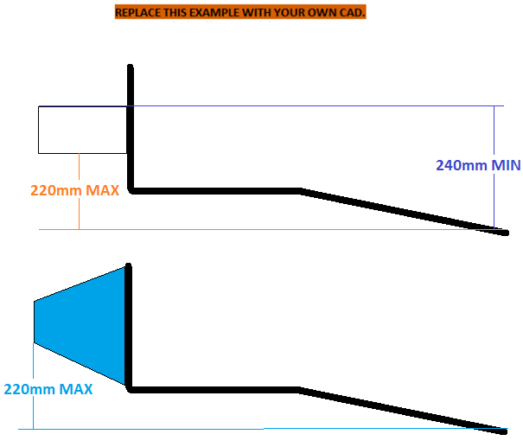
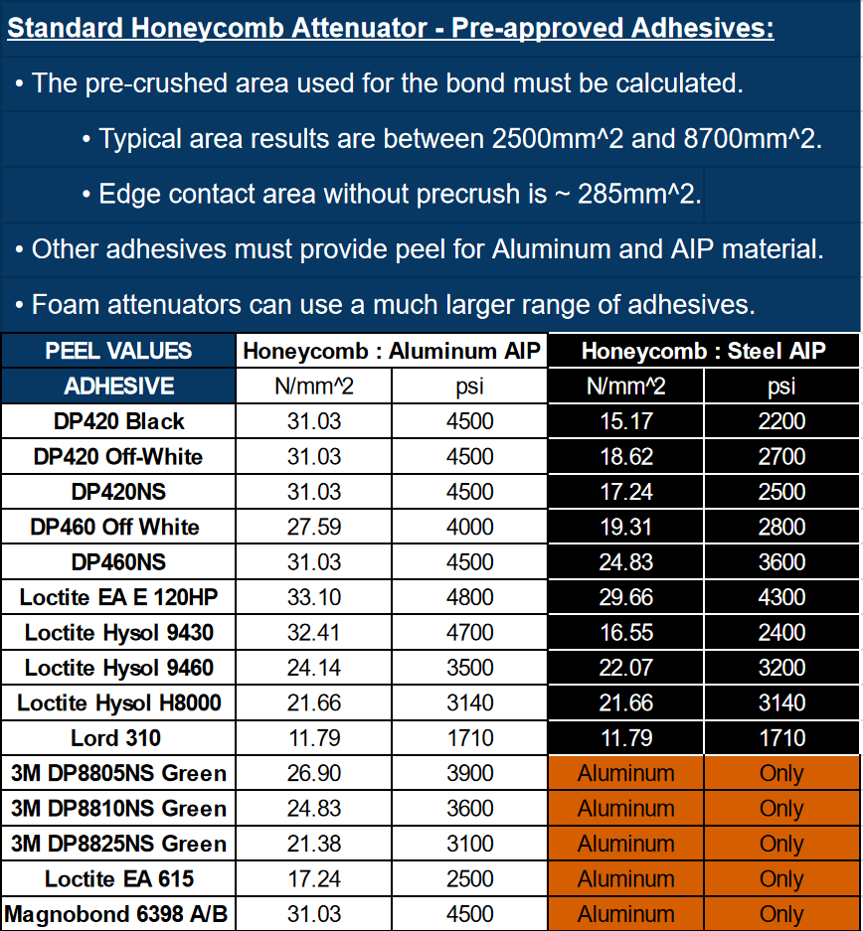
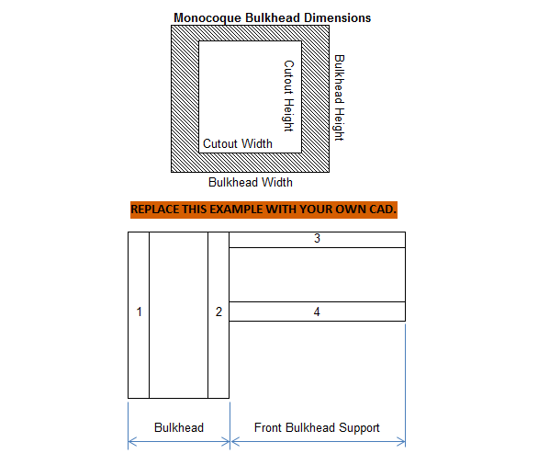
E, Sy, Su, Sy-Weld, Su-Weld |  |  |  |  |  |  |  |  |  |  |  |  |  |  |  |  |  |  |  |  |  |  |  |  |  |  |  |  |  |  |  |  |  |  |  |  |  |  |  |  |  |  |  |  |  |  |  |  |  |  |  |  |  |  |  |  |  |  |  |  | Paste in IA data from test below: It is acceptable to resample the data at a lower frequency to reduce the number of datapoints. Repeat the weighted average force and energy calculations in columns three and four. Do not assume all steps are identical. |  |  |  | Paste in COMPOSITE AIP data from test below: It is acceptable to resample the data at a lower frequency. |  | Paste in SEPARATE WING data from test below: It is acceptable to resample the data at a lower frequency.
Steel | 6061-T6 | Other
2.00E+11 | 6.90E+10
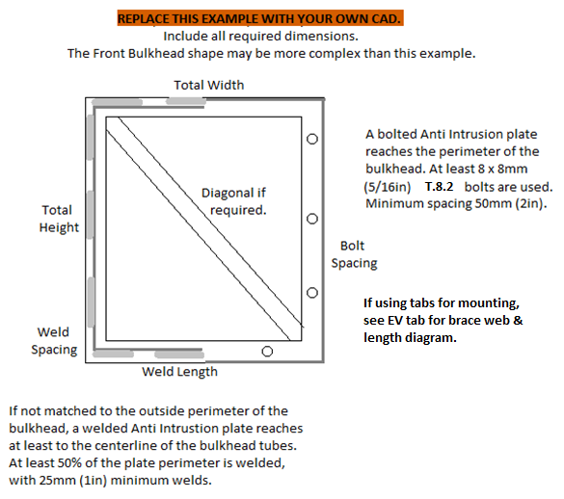
3.05E+08 | 2.40E+08 |  |  |  |  |  |  |  |  |  |  |  |  |  |  |  |  |  |  |  |  |  |  |  |  |  |  |  |  |  |  |  |  |  |  |  |  |  |  |  |  |  |  |  |  |  |  |  |  |  |  |  | Insert Test Pictures - may be added below:
3.65E+08 | 2.90E+08
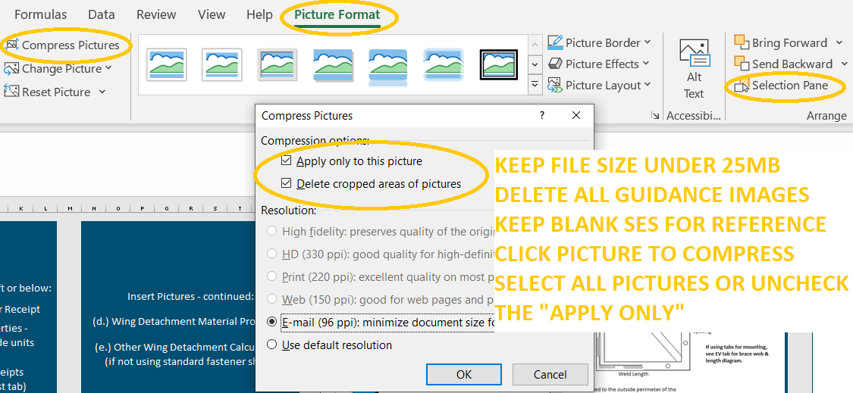
1.80E+08 | 1.15E+08 |  |  |  |  |  |  |  |  |  |  |  |  |  |  |  |  |  |  |  |  |  |  |  |  |  |  |  |  |  |  |  |  |  |  |  |  |  |  |  |  |  |  |  |  |  |  |  |  |  |  |  | (a.) IA and FB test fixture before the test (F.8.7.4.d) which also shows the method of spacing AIP at least 50mm from any rigid structure (F.8.7.6.c)
3.00E+08 | 1.75E+08
Sy | 79% | 0% |  |  |  |  |  |  |  |  |  |  |  |  |  |  |  |  |  |  |  |  |  |  |  |  |  |  |  |  |  |  |  |  |  |  |  |  |  |  |  |  |  |  |  |  |  |  |  |  |  |  |  |  |  |  |  |  |  |  | Disp. | Force | Weighted | Energy | Disp. | Force | Disp. | Force
Su | 79% | 0% | Insert Pictures - may be added left or below: |  |  |  |  |  |  |  |  |  |  |  |  |  |  |  |  |  |  |  |  |  |  |  |  |  |  |  |  |  |  |  |  |  |  |  |  |  |  |  |  |  |  |  |  |  |  |  |  |  |  |  |  |  |  |  |  |  | mm | N | N | J | mm | N | mm | N
Sy-Weld | 64% | 0% |  |  |  |  |  |  |  |  |  | Insert Pictures - continued: |  |  |  |  |  |  |  |  |  | Insert measurement of IA front top edge height. |  |  |  |  |  |  |  |  |  |  |  |  |  |  |  |  |  |  |  |  |  |  |  |  |  |  |  |  |  |  |  |  |  |  |  |  |  |  | MAX | MAX | MAX | MAX | MAX | MAX | MAX | MAX
Su-Weld | 58% | 0% | (a.) Standard Impact Attenuator Receipt |  |  |  |  |  |  |  |  |  |  |  |  |  |  |  |  |  |  |  |  |  |  |  |  |  |  |  |  |  |  |  |  |  |  |  |  |  |  |  |  |  |  |  |  |  |  |  |  |  |  |  |  |  |  |  |  |  | 0 | 0 | 0 | 0
 | Critical Steel Comparison |  |  |  |  |  |  |  |  |  |  | (d.) Wing Detachment Material Properites |  |  |  |  |  |  |  |  |  |  |  |  |  |  |  |  | Front Bulkhead CAD with dimensions required. |  |  |  |  |  |  |  |  | Front Bulkhead CAD with dimensions required.
Su | Su-Weld | Sy |  |  |  |  |  |  |  |  |  |  |  |  |  |  |  |  |  |  |  | Shear Dimensions |  |  |  |  |  |  |  |  |  |  |  |  |  |  |  |  |  |  |  |  |  |  |  | Annually tested items must be
3.65E+08 | 3.00E+08 | 3.05E+08 | (b.) Adhesive Material Properties - Indicate selected value, include units conversion |  |  |  |  |  |  |  |  |  |  |  |  |  |  |  |  |  |  |  |  |  |  |  |  |  |  |  |  |  |  |  |  |  |  | Include skin and core thickness, height, depth, and moment of inertia. |  |  |  |  |  |  |  |  |  |  |  |  |  |  | (b. ) IA, Anti-Intrusion Plate after the IA test (F.8.7.4.d) which shows the deflection was less than 25.4mm (F.8.7.6.d)
3.65E+08 | 1.75E+08 | 0.00E+00 |  |  |  |  |  |  |  |  |  |  |  |  |  |  |  |  |  |  |  | Do not count holes as part of the area. |  |  |  |  |  |  | Show 25mm gap to pedal assembly. |  |  |  |  |  |  |  |  |  |  |  |  |  |  |  |  | permanently marked with the date.
 |  |  |  |  |  |  |  |  |  |  |  | (e.) Other Wing Detachment Calculations (if not using standard fastener shear)
BLANK |  |  |  |  |  |  |  |  |  |  |  |  |  |  |  |  |  |  |  |  |  | Even with precrush, honeycomb bond area is |  |  |  |  |  |  |  |  |  |  |  |  |  |  |  |  |  |  |  |  |  |  |  | Tested items must be presented during
 |  |  |  |  |  |  |  |  |  |  |  |  |  |  |  |  |  |  |  |  |  |  |  |  |  |  |  |  | Pedal attachments preferably >25mm behind FB.
 |  |  | (c.) Composite Material Receipts (if not already on 3-Point test tab) |  |  |  |  |  |  |  |  |  |  |  |  |  |  |  |  |  |  | usually <50% of the face. |  |  |  |  |  |  |  |  |  |  |  |  |  |  |  |  |  |  |  |  |  |  |  | Technical Inspection.
 |  |  |  |  |  |  |  |  |  |  |  |  |  |  |  |  |  |  |  |  |  |  |  |  |  |  |  |  |  |  |  |  |  |  |  |  |  |  |  |  |  |  |  |  |  |  |  |  |  |  |  |  | (c.) IA / AIP Force Displacement Curve

 |  |  |  |  |  |  |  |  |  |  |  |  |  |  |  |  |  |  |  |  |  |  |  |  |  |  |  |  |  |  |  |  |  |  |  |  |  |  |  |  |  |  |  |  |  |  |  |  |  |  |  |  | (d.) IA Energy Displacement Curve

mm

 |  |  |  |  |  |  |  |  |  |  |  |  |  |  |  |  |  |  |  |  |  |  |  |  |  |  |  |  |  |  |  |  |  |  |  |  |  |  |  |  | FB compares the minimum horizontal or vertical panel to two tubes (plus diagonal if required.)
 |  |  | F.8.7.3 | F.5.5.2 | Provide IA receipt and material properties documents above or below. |  |  |  |  |  |  |  |  |  |  |  |  |  |  |  |  | Additional images or calculations may be placed below each section. |  |  |  |  |  |  | If additional images are necessary, they may be placed below each section. |  |  |  |  |  |  |  |  |  |  |  | If additional images are necessary, they may be placed below each section. |  |  |  |  |  |  |  |  |  |  |  | Additional images or calculations may be placed below each section.
 |  |  | BLANK |  | Attenuator and Diagonal |  |  |  |  |  |  | BLANK |  | Anti-Intrusion Plate |  |  |  |  |  |  |  | BLANK |  | IA Attachment, Wing Detachment |  |  |  |  | BLANK |  | Front Bulkhead, Composite Diagonal |  |  |  |  |  |  | BLANK |  | AIP Attachment |  |  |  |  |  | EQ |  | Physical Test Fixture Guidance |  |  |  |  | EQ |  | Physical Tests

 |  |  | No Test: |  |  | + |  |  |  |  |  | No additional test for Steel or Aluminum AIP. |  |  |  |  |  |  |  |  |  | F.8.5.2 | Foam and honeycomb attenuators must be bonded to the AIP. |  |  |  |  |  | F.8.2.4 | A 25mm gap is required between the AIP + FB + Diagonal and the pedal assembly. |  |  |  |  |  |  |  | F.8.2.2 | A welded AIP must reach tube centerlines. Any other AIP must match the bulkhead perimeter. |  |  |  |  |  |  | F.8.7.6.b | The tested IA must be attached to a structurally representative section of the chassis. |  |  |  |  |  | F.8.4.3.b | Teams may use quasi-static or dynamic testing on the Impact Attenuator tab to prove
 |  |  |  |  |  |  |  |  |  |  |  |  |  |  |  |  |  |  |  |  |  | The entire attenuator face must be bonded with adhesive suitable for both materials. |  |  |  |  |  |  | BLANK |  |  |  |  |  |  |  |  | F.8.2.3.b | Anti Intrusion Plates bolted through welded inserts on the centerline of Size B tubes |  |  |  |  |  |  |  |  |  |  |  |  |  |  | the AI plate deflects less than 25mm without a diagonal.
 |  |  |  |  |  |  |  |  |  |  |  |  |  |  |  |  |  |  |  |  |  |  |  |  |  |  |  |  | F.6.1 | Front Bulkhead |  |  |  |  |  |  | BLANK |  | automatically meet the 15kN load requirement. The centerline method is strongly preferred. |  |  |  |  |  |  | EQ
 |  |  | F.8.4.3 | A Standard Foam Attenuator may be oriented horizontally or vertically. |  |  |  |  |  |  |  | BLANK |  |  |  |  |  |  |  |  |  | Honeycomb attenuators must be glued on a pre-crushed side. Do not count area of holes. |  |  |  |  |  |  |  |  |  |  |  | Minimum | Tube Used |  | EQ | F.8.2.3.c | Bonding is legal for composite bulkheads with no openings. The entire surface must be bonded. |  |  |  |  |  |  |  |  |  | Front Bulkhead Outside to Outside Height: | 0 | mm | N/A | F.8.7.7.b | Dynamic tests may not be performed by students.
 |  |  |  | The outside edges of the Bulkhead must be no more than 25mm (1in) from the foam. |  |  |  |  |  |  |  | F.8.2.1 |  |  |  |  | Anti-Intrusion Plate (AI) material: |  |  | BLANK |  | No wall wetting may be factored into the bond area. Use a calculation of pre-crushed area. |  |  |  |  |  |  | F.3.2.1 | Example: 25.4mm x 1.6mm round |  |  |  | Steel |  |  | BLANK | F.8.3 | An integrated composite AIP may also qualify as the monocoque front bulkhead. |  |  |  |  |  |  |  |  |  | Front Bulkhead Outside To Outside Width: | 0 | mm | N/A
 |  |  |  | Otherwise, a diagonal or an annual physical test will be required. |  |  |  |  |  |  |  |  |  |  |  |  | Steel: 1.5mm (0.060in), Aluminum: 4.0mm (0.157in): |  | mm | BLANK |  | Multiple layers of honeycomb require pre-crushed bond on both sides of a plate between each layer. |  |  |  |  |  |  | F.3.4.1 | Front Bulkhead Minimum Tube: |  |  |  | Size B |  |  | BLANK | F.8.2.3.d | If the AIP does not meet FB equivalence, it may be fully enclosed in a monocoque in front of the front bulkhead layup. |  |  |  |  |  |  | F.8.7.6.c |  |  | Fixture Thickness on table >=50mm: |  | mm | N/A | Impact Attenuator And / Or Wing Failure Test
 |  |  |  |  |  |  |  |  |  |  |  |  |  |  |  |  |  |  |  |  |  |  |  |  |  |  |  |  |  | Wall thickness: |  |  |  | 1.2 |  | mm | BLANK |  |  |  |  |  |  |  |  | F.8.4.2.a |  |  | Tested IA starting length > 200mm: |  | mm | N/A
 |  |  | F.8.4.2 | A Standard Honeycomb Attenuator must be oriented 200mm horizontally. |  |  |  |  |  |  |  |  |  |  |  |  |  |  |  |  |  | F.8.5.6 | The bottom leading edge of the attenuator must be <=220mm above the SIS lowest point. |  |  |  |  |  | F.3.4.1 | Square side: |  |  |  | 25 |  | mm | BLANK | BLANK |  |  |  |  |  |  |  | F.8.4.2.b |  |  | Custom IA WIDTH over 200mm length >= 200mm: |  | mm | N/A | EQ
 |  |  | F.8.4.3 | A Standard Honeycomb with a FB diagonal does not require an annual physical test. |  |  |  |  |  |  |  | F.8.3.2 | AI plates made of any material besides steel or aluminum must either: |  |  |  |  |  |  |  |  |  | The top leading edge of a standard honeycomb must be >=240mm. No lower foam limit. |  |  |  |  |  |  | Wall thickness: |  |  |  | 0.0012 |  | m | EQ | F.8.2.2 |  |  |  | AIP to FB Attachment: |  |  | BLANK |  |  |  | Custom IA HEIGHT over 200mm length >= 100mm: |  | mm | N/A |  |  |  | Type of test used?: |  |  |  | N/A
 |  |  |  |  |  |  |  |  |  |  |  | F.8.3.2.a | Be physically tested on a replica bulkhead up to 120kN, |  |  |  |  |  |  |  |  |  |  |  |  |  |  |  |  | Square side: |  |  |  | 0.025 |  | m | EQ |  | AI plate must match entire Front Bulkhead perimeter. |  |  |  |  |  | EQ |  |  |  |  |  |  |  |  |  |  | Name of Test Facility: |  |  |  | N/A
 |  |  | F.8.7.5 | Custom Impact Attenuators require an annual physical test. |  |  |  |  |  |  |  |  | with the load distributed over the 200 mm x 100mm minimum IA area. |  |  |  |  |  |  |  |  | Quick release attenuators must be rigidly lockable. |  |  |  |  |  |  |  | Tube cross sectional area (A): |  |  |  | 1.14E-04 |  | m^2 | EQ | F.8.4.3.d |  |  |  | Scroll to bottom. |  |  | BLANK | F.8.7.6.bc | Tube frame teams need to build a replica of their front bulkhead. |  |  |  |  |  |  |  |  | Dates of tests: |  |  |  | N/A
 |  |  | F.8.7.7.a | Composite Impact Attenuators require an annual dynamic test. |  |  |  |  |  |  |  | F.8.3.2.b | Show F.8.3.4 120kN equivalence from F.4.3.1 laminate testing. |  |  |  |  |  |  |  |  | In any direction, while the lock is engaged: |  |  |  |  |  |  |  | Tube second moment of inertia (I): |  |  |  | 8.51E-09 |  | m^4 | EQ |  |  |  |  | Scroll to bottom. |  | mm | BLANK | The dimensions, tube sizes, and location of the Impact Attenuator must match the chassis FB. |  |  |  |  |  |  |  |  |  |  | Maximum crushed displacement: | 0 | mm | N/A
 |  |  | F.8.7.6.a | Dynamic tests may not be performed by students. |  |  |  |  |  |  |  |  |  |  |  |  |  |  |  |  |  | A quick release attenuator must not be removable with less force than standard bolt shear. |  |  |  |  |  |  | F.3.4.2 | F.3.5 |  |  | Young's Modulus (E): | 2.00E+11 | 0.00E+00 | Pa | BLANK |  |  |  |  |  |  |  |  | The Anti Intrusion plate must be spaced at least 50mm away from the test rig surface. |  |  |  |  |  |  |  |  |  |  | Post crush displacement, demonstrating any springback: |  | mm | N/A
 |  |  |  |  |  |  |  |  |  |  |  | EQ |  |  |  |  |  |  |  |  |  |  |  |  |  |  |  |  | F.3.5 | Critical |  |  | Sy: | 3.05E+08 | 0.00E+00 | Pa | BLANK | EQ |  |  |  |  |  |  |  | Spacer tubes should be located at the corners where FBHS tubes attach. |  |  |  |  |  |  |  |  |  |  | Crushed attenuator height: |  | mm | N/A
 |  |  | BLANK |  |  |  |  |  |  |  |  | F.8.3.2 | Composite Anti Intrusion: |  |  |  | 0 |  |  | N/A |  | BLANK |  |  |  |  |  |  | Buckling Modulus |  | E_1*I_1 <= E_2*I_2: |  |  | 1.70E+03 |  |  | EQ |  |  |  |  | Bolting AIP to tube Front Bulkhead |  |  | N/A | Spacer tubes may be vertical, and wall thickness is not critical. |  |  |  |  |  |  | F.8.7.6.d |  |  |  | AI plate deformation: |  | mm | N/A
 |  |  | F.8.4.1 |  |  | Impact Attenuator Type: |  |  |  |  | BLANK | F.8.3.2 |  |  |  |  | Composite AI Equivalence: |  |  | N/A | F.8.5.6 |  |  |  | Front face of IA > 240mm above lowest point in cockpit: |  | mm | BLANK | Sy: | S_1*A_1 <= S_2*A_2: |  |  |  | 3.48E+04 |  |  | EQ | F.8.2.3.b |  |  |  | Locate AI bolts through FB tube inserts or on tabs: |  |  | N/A
 |  |  |  |  |  |  |  |  |  |  | N/A |  |  |  |  |  | Type SES Tab Name Of Layup Used: |  |  | N/A |  |  |  |  | Front face of IA < 220mm above lowest point in cockpit: |  | mm | BLANK | Bending | 4*S_1*I_1/r <= 4*S_2*I_2/r: |  |  |  | 8.17E+02 |  |  | EQ |  |  |  |  | Maximum Fastener centerline offset from tube surface: |  | mm | N/A | F.8.7.6.bc | Monocoque teams need to test a replica of the first 50mm+ of the full chassis. |  |  |  |  |  | F.8.7.2.b | All calculated values must be based on a mass of 300kg and an initial velocity of 7m/s.
 |  |  |  |  |  |  |  |  | 355mm (14in) |  | N/A |  |  |  |  |  | Core thickness: |  | mm | N/A |  | F.8.5.2 |  |  | IA to AI plate mounting method: |  |  | BLANK | Deflection | Bending_1/(48*EI): |  |  |  | 1.00E-02 |  |  | EQ |  |  |  |  | Mount cross section on tube surface: |  |  | N/A | Layups must match the car presented at competition. |  |  |  |  |  |  | F.8.7.8.a | Average deceleration from a dynamic test must be calculated from raw, unfiltered data.
 |  |  | F.8.4.3 |  |  |  |  | Front Bulkhead Outside to Outside Height: |  | mm | BLANK |  |  | Scaling option, layup repeats: |  |  | Outer skin thickness: | Layup | mm | N/A |  |  |  |  |  |  |  | BLANK | Energy | 0.5*Bending^2/(48*EI): |  |  |  | 4.09E+00 |  |  | EQ | See diagrams: EV Acc tab AY28-BI28 |  |  |  | Mount thickness (B): |  | mm | N/A |  |  |  |  |  |  |  | F.8.7.8.b | Peaks above 40g must not be seen after the application of specific filtering. See rule.
 |  |  |  |  |  |  |  | Front Bulkhead Outside To Outside Width: |  | mm | BLANK |  |  | Scaling option, layup repeats: |  |  | Inner skin thickness: | Typo | mm | N/A |  |  |  |  |  |  | mm | BLANK |  |  |  |  |  |  |  |  |  |  |  |  |  | Mount length (L): |  | mm | N/A | Option 1 | Design the mold to layup and pull the front 2" off.
 |  |  |  |  |  |  |  |  |  |  |  |  |  |  |  |  | Thickness of panel: | #VALUE! | mm | N/A |  |  |  |  |  |  |  | BLANK | EQ |  |  |  |  |  |  |  |  |  |  |  |  | Minimum gusset thickness (T): |  | mm | N/A | 1a | Maybe use last year's, mold, often shared between the two years. |  |  |  |  |  | F.8.7.2b | The impact attenuator must absorb at least 7350J. Springback may be ignored.
 |  |  |  |  |  |  |  |  |  |  |  |  |  |  |  |  | Composite Panel Height: |  | mm | N/A |  |  |  |  |  | 9.50E+04 | N | EQ | F.7.3 |  |  | Front Bulkhead Construction: | Tube |  | 0 |  | N/A |  |  |  |  | Minimum gusset height normal to mount face (H): |  | mm | N/A | 1b | Or pull a tool of last year's car, if the nose will be the same. |  |  |  |  |  | Make sure to use stepwise integration: current_force*(current_disp-prev_disp)+previous_total
 |  |  |  |  |  |  |  |  |  |  |  |  |  |  |  |  | Composite Panel Width: |  | mm | N/A |  |  |  |  |  |  | N/mm^2 | BLANK |  |  |  | Front Bulkhead Tubes Replaced Size B: | 0 |  | Diagonal Size C: | 0 | N/A | F.3.5 | 0.0 |  |  | 15kN shear bending M*y / I <= Su-Weld: |  |  | N/A | This is the best test of the monocoque itself, if we are concerned about the FB. |  |  |  |  |  |  | Do not assume steps are identical. Use similar procedure for average force.
 |  |  | BLANK |  |  |  |  |  |  |  |  |  |  |  |  |  | Top Edge of FB to Top Edge of IA: |  | mm | N/A |  |  |  |  |  | 0 | N/mm^2 | EQ |  |  |  |  |  | Type SES Tab Name Of Layup Used: |  |  | N/A | 0.00E+00 | 0.0 |  |  | 15kN normal bending M*y / I <= Su-Weld: |  |  | N/A |  |  |  |  |  |  |  | INCORRECT: Final_force*final_displacement, or negative energy slope when there is positive force.
 |  |  | F.8.4.3 | Diagonal Tube, Attenuator Test, or Composite |  |  |  |  |  |  | BLANK | F.8.3.1 |  |  |  |  | Minimum Required Impact Attenuator Height: | 100 | mm | N/A |  |  |  |  |  |  | mm^2 | BLANK |  |  |  |  | Front Bulkhead |  |  |  | N/A | 0.00E+00 |  |  |  | Parabolic shear 3*Test Load/2*area <= Shear: |  |  | N/A | Option 2 | A flat bulkhead-profile layup, with perpendicular FBHS layup segments below the rear face.
 |  |  |  |  |  |  |  | Minimum | Tube Used |  | N/A |  |  |  |  |  | Minimum Required Impact Attenuator Width: | 200 | mm | N/A |  |  |  |  |  |  |  | EQ |  |  |  |  |  | Core thickness: |  | mm | N/A |  |  |  |  |  |  |  |  | 2a | This could be made before the mold is cut, or off the previous year's mold. |  |  |  |  |  | EQ
 |  |  | F.3.2.1 | Example: 25.4mm x 1.2mm round |  |  |  | Steel |  |  | N/A |  |  |  |  |  | Second moment of inertia I, Vertical: |  | m^4 | N/A |  |  |  |  |  |  |  |  |  |  | Scaling option, layup repeats: |  |  | Outer skin thickness: | Layup | mm | N/A | EQ |  |  |  |  |  |  |  | 2b | Most monocoques have an tapered nose and rounded corners, which this might eliminate. |  |  |  |  |  | F.8.7.2a |  |  |  | Peak attenuator force: | 0 | N | N/A
 |  |  | F.3.4.1 | Diagonal Minimum Tube: |  |  |  | Size C |  |  | N/A |  |  |  |  |  | Second moment of inertia I, Horizontal: |  | m^4 | N/A |  | F.8.6.1 | All non-crushable objects ahead of the AI plate must be accounted for. |  |  |  |  |  |  |  | Scaling option, layup repeats: |  |  | Inner skin thickness: | Typo | mm | N/A | F.8.2.3.b |  |  |  | Bolting AIP to composite Front Bulkhead |  |  | N/A | This is fully composite, but hopefully easier, faster, and less expensive to make. |  |  |  |  |  |  |  |  |  |  | Peak attenuator only deceleration <= 40g: | 0 | g | N/A
 |  |  |  | Wall thickness: |  |  |  | 1.2 |  | mm | N/A |  |  | Young's Modulus (E): |  |  |  | Layup | Pa | N/A |  | Thin, non-structural nosecones, attachment tabs, tires, and fastener ends are ignored. |  |  |  |  |  |  |  |  |  |  |  | Thickness of panel: | #VALUE! | mm | N/A |  | Fasteners per washer: |  |  | Washer/bolt perimeter: |  | mm | N/A |  |  |  |  |  |  |  |  |  |  |  | Average attenuator force: |  | N | N/A
 |  |  | F.3.4.1 | Square side: |  |  |  | 25 |  | mm | N/A |  |  | Ultimate Tensile Strength (S): |  |  |  | Name | Pa | N/A |  | F.8.6.6 | The front wing and mounts must have a path around or below the AIP. |  |  |  |  |  |  |  |  |  |  | Front Bulkhead Height: |  | mm | N/A |  |  |  |  | Panel thickness: | #VALUE! | mm | N/A | Option 3 | Steel tube perimeter replicating FBHS under underneath a flat, same shape, bulkhead layup. |  |  |  |  |  |  |  |  |  | Average attenuator only deceleration <= 20g: |  | g | N/A
 |  |  |  | Wall thickness: |  |  |  | 0.0012 |  | m | N/A |  |  | Shear: |  |  |  | Typo | Pa | N/A |  | Keep wing mounts outside the Front Bulkhead in Front View. |  |  |  |  |  |  |  |  |  |  |  | Front Bulkhead Width: |  | mm | N/A |  |  |  |  | Core thickness: | 0 | mm | N/A | 3a | Can the steel tubes match the thickness and stiffness of the FBHS? |  |  |  |  |  | F.8.7.2b |  |  |  | Energy absorbed >= 7350J: |  | J | N/A
 |  |  |  | Square side: |  |  |  | 0.025 |  | m | N/A | F.8.3.1 |  |  |  |  | Max Bending Moment, Vertical (120kN Partial UDL): |  | Nm | N/A |  | Calculation math other than fastener shear may be entered as an image. |  |  |  |  |  |  |  |  |  |  |  | Cutout Height |  | mm | N/A |  |  |  |  | Outer skin thickness: | Layup | mm | N/A | 3b | This will affect the bulkhead behavior. |  |  |  |  |  |  |  |  |  | Energy absorption check: | 7350 | J | EQ
 |  |  |  | Tube cross sectional area (A): |  |  |  | 9.10E-05 |  | m^2 | N/A |  |  |  |  |  | Max Bending Moment, Horizontal (120kN Partial UDL): |  | Nm | N/A |  | F.2.3 | FEA is not an accepted calculation for mount failure force or any other SES equivalency. |  |  |  |  |  |  |  |  |  |  | Cutout Width |  | mm | N/A |  |  |  |  | Inner skin thickness: | Typo | mm | N/A | 3c | Make sure to have very good bonding or laminating between the tubes and bulkhead. |  |  |  |  |  | EQ
 |  |  |  | Tube second moment of inertia (I): |  |  |  | 6.69E-09 |  | m^4 | N/A |  |  |  |  |  | Max Bending * Max y / I = Max Stress, Vertical: |  | Pa | N/A |  |  |  |  |  |  |  |  |  |  |  |  |  | Composite Panel Height: | 0 | mm | N/A |  | Fasteners per insert: |  |  | Insert Perimeter on bulkhead: |  | mm | N/A |  |  |  |  |  |  |  | EQ |  |  |  | EQ
 |  |  | F.3.4.2 | Young's Modulus (E): |  |  |  | 2.00E+11 | 0.00E+00 | Pa | N/A |  |  |  |  |  | Max Bending * Max y / I = Max Stress, Horizontal: |  | Pa | N/A |  | BLANK |  |  |  |  |  |  | F.3.4.2.a |  |  |  | Young's Modulus (E): | 2.00E+11 | Layup | Pa | N/A |  | Fasteners per backing plate: |  |  | Backing plate thickness: |  | mm | N/A | Not accepted: | Steel tubes with no composite bulkhead. |  |  |  |  |  | EQ
 |  |  | F.3.5 | Critical |  |  | Sy: | 3.05E+08 | 0.00E+00 | Pa | N/A |  |  |  |  |  | UTS (S) / Max Stress = Safety Factor, Bending: |  |  | N/A |  |  | Front Wing Status: |  |  |  |  | BLANK |  |  |  |  | Ultimate Tensile Strength (S): | 3.65E+08 | Name | Pa | N/A |  |  |  |  | Backing plate perimeter on bulkhead: |  | mm | N/A | Difficult to match monocoque bulkhead front shape with or without cutouts. |  |  |  |  |  |  | EQ
 |  |  | Buckling Modulus |  | E_1*I_1 <= E_2*I_2: |  |  | 1.34E+03 |  |  | N/A |  |  |  |  |  | Perimeter Shear Stress, 120kN Load: |  | Pa | N/A |  |  |  |  |  |  | N | N/A |  |  |  |  | Shear: | 2.11E+08 | Typo | Pa | N/A |  |  |  |  | Minimum - Fastener spacing, edge, or corner distance: |  | mm | N/A | Difficult to quantify stiffness to match to monocoque bulkhead.
 |  |  | Sy: | S_1*A_1 <= S_2*A_2: |  |  |  | 2.78E+04 |  |  | N/A |  |  |  |  |  | Safety Factor, Perimeter Shear: |  |  | N/A |  |  |  |  |  |  |  | N/A | F.7.3.2 |  |  |  | 25mm FBHS Section |  |  |  | N/A |  |  |  |  | Skin shear strength: | 0.00E+00 | Pa | N/A | Both of these will affect AI plate behavior, which is a critical part of the test. |  |  |  |  |  |  | Composite AIP 120kN Physical Test
 |  |  | Bending | 4*S_1*I_1/r <= 4*S_2*I_2/r: |  |  |  | 6.43E+02 |  |  | N/A |  | IA Bottom |  | IA Top |  | IA Left |  | IA Right |  |  |  |  |  | Wing detachment force: | 0 | N | EQ |  |  |  |  |  | Core thickness: | 0 | mm | N/A | F.8.2.3.b |  |  |  | Perimeter shear strength >15000N: | #VALUE! | N | N/A
 |  |  | Deflection | Bending_1/(48*EI): |  |  |  | 1.00E-02 |  |  | N/A |  | -100 | mm | 0 | mm | -100 | mm | 100 | mm |  |  |  |  | Peak Attenuator Force: | 0 | N | EQ |  |  |  |  |  | Outer skin thickness: | 0 | mm | N/A |  |  |  |  | Tearout strength >15000N: | #VALUE! | N | N/A
 |  |  | Energy | 0.5*Bending^2/(48*EI): |  |  |  | 3.22E+00 |  |  | N/A | Vertical Panel Properties |  |  | Vertical Panel Properties |  |  | Vertical Panel Properties |  |  |  | F.8.7.2.a |  |  | Peak deceleration force <= 120000N | 0 | N | EQ |  |  |  |  |  | Inner skin thickness: | 0 | mm | N/A |  |  |  |  |  |  |  |  |  |  |  |  |  |  |  | Teams may use a crushed attenuator of the version installed on the car to test a composite AIP.
 |  |  |  |  |  |  |  |  |  |  |  | Outer (b) | 0 | m | A1 | #VALUE! | m^2 | I1 | #VALUE! | m^4 |  |  |  |  | Peak deceleration remains <= 40g: | 0.0 | g | EQ |  |  |  |  |  | Thickness of panel: | 0 | mm | N/A | EQ |  |  |  |  |  |  |  |  |  |  |  |  |  |  | Split the data following the IA test for the IA sections above and the 120kN test below.
 |  |  | F.8.4.3.a | Tube frame teams should weld a diagonal to the Front Bulkhead. |  |  |  |  |  |  |  | Outer (h) | #VALUE! | m | A2 | #VALUE! | m^2 | I2 | #VALUE! | m^4 |  |  |  |  |  |  |  |  | F.3.4.2.a |  |  |  | Young's Modulus (E): | 2.00E+11 | 0.00E+00 | Pa | N/A |  |  |  | Bonding AIP to composite Front Bulkhead |  |  |  | N/A
 |  |  | F.8.4.3.a | Monocoque teams should install diagonals with 2 * 30kN attachment to reduce testing. |  |  |  |  |  |  |  | Thickness | #VALUE! | m | y1 | #VALUE! | m | Ic1 |  | m^4 |  |  |  |  |  |  |  |  |  |  |  |  | Ultimate Tensile Strength (S): | 3.65E+08 | 0.00E+00 | Pa | N/A | F.8.2.3.c |  |  |  | Is there an opening in the Front Bulkhead? |  |  | N/A |  |  |  |  |  |  |  | EQ
 |  |  |  | The structure must go across the entire front bulkhead opening on the diagonal. |  |  |  |  |  |  |  | Inner (b) | 0 | m | y2 | #VALUE! | m | Ic2 |  | m^4 |  |  |  |  |  |  |  |  |  |  |  |  | Shear: | 2.11E+08 | 0.00E+00 | Pa | N/A |  |  |  |  | What is the brand name of the adhesive? |  |  | N/A |  |  |  |  |  |  |  |  |  |  | Type of test used?: |  |  |  | N/A
 |  |  |  | If a front bulkhead or removable panel with no openings is not feasible, preferably a square |  |  |  |  |  |  |  | Inner (h) | #VALUE! | m | Centroid |  | m | Ic12 |  | m^4 |  |  |  |  |  |  |  |  |  |  |  |  |  | 0 x Steel Tube | Flat (h) |  | N/A |  |  |  |  | Minimum shear / peel strength of adhesive: |  | N/mm^2 | N/A |  |  |  |  |  |  |  |  |  |  | Name of Test Facility: |  |  |  | N/A
 |  |  |  | tube is welded or bonded to the AIP. Round tubes may not be welded or bonded to the AIP. |  |  |  |  |  |  |  | Horizontal Panel Properties |  |  | Horizontal Panel Properties |  |  | Horizontal Panel Properties |  |  |  |  |  |  |  |  |  |  | F.3.2.1 |  |  |  | Minimum FB wall thickness: | 0.0012 | 0 | m | N/A |  |  |  |  | 50% adhesive reduction for safety factor: | 0 | N/mm^2 | N/A |  |  |  |  |  |  |  |  |  |  | Dates of tests: |  |  |  | N/A
 |  |  |  |  |  |  |  |  |  |  |  | Outer (b) | 0 | m | A1 | #VALUE! | m^2 | I1 | #VALUE! | m^4 |  |  |  |  |  |  |  |  |  |  |  |  | Outer Diameter / Panel Thickness: | 0.025 | #VALUE! | m | N/A |  |  |  |  | Minimum bond area: |  | mm^2 | N/A |  |  |  |  |  |  |  |  |  |  |  | Maximum crushed displacement: |  | mm | N/A
 |  |  |  |  |  |  | Diagonal, AIP, and FB material must be entered in cells J57, J59, T37, AN35, and AN37. |  |  |  |  | Outer (h) | #VALUE! | m | A2 | #VALUE! | m^2 | I2 | #VALUE! | m^4 |  |  |  |  |  |  |  |  | F.3.4.1 |  |  |  | Additive cross section (A): | 0.00E+00 | #VALUE! | m^2 | N/A |  |  |  |  | Calculated bond strength: |  |  | N/A |  |  |  |  |  |  |  |  |  |  |  | Post crush displacement, demonstrating any springback: |  | mm | N/A
 |  |  | BLANK |  |  |  |  |  |  |  |  | Thickness | #VALUE! | m | y1 | #VALUE! | m | Ic1 |  | m^4 |  |  |  |  |  |  |  |  |  |  |  |  | Additive second moment of inertia (I): | 0.00E+00 |  | m^4 | N/A |  |  |  |  |  |  |  |  |  |  |  |  |  |  |  |  |  |  |  | AI plate deformation: |  | mm | N/A
 |  |  | Diagonal | Composite |  |  | to |  | Composite |  | BLANK | Inner (b) | 0 | m | y2 | #VALUE! | m | Ic2 |  | m^4 |  |  |  |  |  |  |  |  | Buckling Modulus |  |  |  | E_1*I_1 <= E_2*I_2+E_3*I_3: | 0.00E+00 |  |  | N/A | EQ |  |  |  |  |  |  |  |  |  |  |  |  |  |  | F.8.3.1.b |  |  |  | Maximum AIP force > 120kN: |  | N | N/A
 |  |  |  |  |  |  |  |  |  |  | N/A | Inner (h) | #VALUE! | m | Centroid |  | m | Ic12 |  | m^4 |  | Front view, show the front wing and mounts are |  |  |  |  |  |  | UTS |  |  |  | S_1*A_1 <= S_2*A_2+S_3*A_3: | 0.00E+00 |  |  | N/A | F.8.2.3.d |  |  | Laminated AIP to composite Front Bulkhead |  |  |  | N/A
 |  | N/A |  | mm |  |  |  |  |  | mm | N/A |  |  |  |  |  |  |  |  |  |  |  |  |  |  |  |  |  | Bending |  |  |  | 4*S_1*I_1/r <= 4*(S_2*I_2+S_3*I_3)/r: | 0.00E+00 |  |  | N/A |  |  |  |  | Does the AIP form the front bulkhead of the monocoque? |  |  | N/A
 |  | N/A |  |  |  |  |  |  |  |  | BLANK | Fig. 3-4: | https://www.aboutcivil.org/simply-supported-UDL-beam-formulas-bending-moment-equations.html |  |  |  |  |  |  |  |  |  |  |  |  |  |  |  | Deflection |  |  |  | Bending_1/(48*EI): | 0.00E+00 |  |  | N/A |  |  |  |  | Type SES Tab Name Of Enclosing Layup Used: |  |  | N/A
 |  | N/A | 0.00E+00 | Pa |  |  |  |  | Typo | Pa | EQ |  |  |  |  |  |  |  |  |  |  | entirely outside / below the front bulkhead. |  |  |  |  |  |  | Energy |  |  |  | 0.5*Bending^2/(48*EI): | 0.00E+00 |  |  | N/A |  |  |  |  | Skin used: |  |  | N/A
 |  | N/A |  | Typo | mm |  |  |  | Typo | mm | EQ |  |  |  |  |  |  |  |  |  |  |  |  |  |  |  |  |  | F.7.3.3 |  |  |  | 1.5mm Steel Shear Equivalence: | 3.16E+08 |  |  | N/A |  |  |  |  | AIP Perimeter Length: |  | mm | N/A
 |  | N/A |  | Typo | mm |  |  |  | Typo | mm | EQ |  |  |  |  |  |  |  |  |  |  |  |  |  |  |  |  |  |  | Bulkhead Panel Properties |  |  | Bulkhead Panel Properties |  |  | Bulkhead Panel Properties |  |  |  | Scaling option, layup repeats: |  | Laminate thickness: | Typo | mm | N/A
 |  | N/A |  | mm |  |  |  |  |  | mm | N/A |  |  |  |  |  |  |  |  |  |  |  |  |  |  |  |  |  | Outer (b) | 0 | m | A1 | #VALUE! | m^2 | I1 | #VALUE! | m^4 |  |  |  |  | Skin shear area - centerline x 1 thickness: | #VALUE! | m^2 | N/A
 |  | N/A |  | mm |  |  |  |  |  | mm | N/A |  |  |  |  |  |  |  |  |  |  | Show total number of fasteners for |  |  |  |  |  |  | Outer (h) | #VALUE! | m | A2 | #VALUE! | m^2 | I2 | #VALUE! | m^4 |  |  |  |  | Skin shear strength: | Typo | Pa | N/A
 |  |  |  |  |  |  |  |  |  |  | N/A |  |  |  |  |  |  |  |  |  |  |  |  |  |  |  |  |  | Thickness | #VALUE! | m | y1 | #VALUE! | m | Ic1 |  | m^4 | F.8.2.3.d |  |  |  | Single tearout path >=120000N: |  | 0.00% | N/A
 |  |  |  |  |  |  |  |  |  | mm | N/A |  |  |  |  |  |  |  |  |  |  | standard shear calculation. |  |  |  |  |  |  | Inner (b) | 0 | m | y2 | #VALUE! | m | Ic2 |  | m^4 |  |  |  |  | Front Hoop Lamination: |  |  | N/A
 |  |  |  |  |  |  |  |  |  | N | N/A |  |  |  |  |  |  |  |  |  |  |  |  |  |  |  |  |  | Inner (h) | #VALUE! | m |  |  |  | Ic12 |  | m^4 |  |  |  |  | Lap joint strength: | Typo | Pa | N/A
 |  |  |  |  |  |  |  |  |  |  | N/A |  |  |  |  |  |  |  |  |  |  |  |  |  |  |  |  |  |  | FBHS 25mm Properties |  |  | FBHS 25mm Properties |  |  | FBHS 25mm Properties |  |  |  |  |  | Total bond width including both sides of the Front Hoop: |  | mm | N/A
 |  |  |  |  |  |  |  |  | 0.00E+00 |  | N/A |  |  |  |  |  |  |  |  |  |  |  |  |  |  |  |  |  | Outer (b) | 0 | m | A1 | #VALUE! | m^2 | I1 | #VALUE! | m^4 |  |  |  |  | Bond shear area: | 0 | m^2 | N/A
 |  | N/A | 0.00E+00 |  |  |  |  |  | #VALUE! | #VALUE! | N/A |  |  |  |  |  |  |  |  |  |  | Show fastener UTS source / conversion. |  |  |  |  |  |  | Outer (h) | #VALUE! | m | A2 | 0.00E+00 | m^2 | I2 | 0.00E+00 | m^4 | F.8.2.3.d |  |  |  | Bond failure >=120000N: | #VALUE! | #VALUE! | N/A
 |  | N/A | 0.00E+00 |  |  |  |  |  | #VALUE! | #VALUE! | N/A |  |  |  |  |  |  |  |  |  |  |  |  |  |  |  |  |  | Thickness | 0 | m | y1 | #VALUE! | m | Ic1 |  | m^4
 |  |  |  |  |  |  |  |  | 0.00E+00 | Pa | N/A |  |  |  |  |  |  |  |  |  |  |  |  |  |  |  |  |  | Inner (b) | 0 | m | y2 | #VALUE! | m | Ic2 |  | m^4
 |  |  |  |  |  |  |  |  |  | mm | N/A |  |  |  |  |  |  |  |  |  |  |  |  |  |  |  |  |  | Inner (h) | 0.025 | m | Centroid |  | m | Ic12 |  | m^4
 |  |  |  |  |  |  |  |  | 0 | mm | N/A
 |  |  |  |  |  |  |  |  |  |  | N/A |  |  |  |  |  |  |  |  |  |  |  |  |  |  |  |  |  | EQ
 |  |  |  |  |  |  |  |  |  |  | N/A |  |  |  |  |  |  |  |  |  |  |  |  |  |  |  |  |  | F.3.2.1.k |  |  |  |  | Composite Diagonal: | N/A |  | N/A
 |  |  |  |  |  |  |  |  |  | N/mm^2 | N/A |  |  |  |  |  |  |  |  |  |  |  |  |  |  |  |  |  |  |  |  |  |  | Size C Steel Tubes Replaced: | 0 |  | N/A
 |  |  |  |  |  |  |  |  |  | mm^2 | N/A |  |  |  |  |  |  |  |  |  |  |  |  |  |  |  |  |  |  |  |  |  |  | Type SES Tab Name Of Layup Used: | RENAME F.4.3 Composite |  | N/A
 |  |  |  |  |  |  |  |  |  |  | N/A |  |  |  |  |  |  |  |  |  |  |  |  |  |  |  |  |  |  |  |  |  |  | Core thickness: |  | mm | N/A
 |  |  |  |  |  |  |  |  |  | mm | N/A |  |  |  |  |  |  |  |  |  |  |  |  |  |  |  |  |  |  |  | Scaling option, layup repeats: |  |  | Outer skin thickness: | Layup | mm | N/A
 |  |  |  |  |  |  |  |  | #VALUE! | m^2 | N/A |  |  |  |  |  |  |  |  |  |  |  |  |  |  |  |  |  |  |  | Scaling option, layup repeats: |  |  | Inner skin thickness: | Typo | mm | N/A
 |  |  |  |  |  |  |  |  | Typo | Pa | N/A |  |  |  |  |  |  |  |  |  |  |  |  |  |  |  |  |  |  |  |  |  |  | Panel thickness: | #VALUE! | mm | N/A
 |  |  |  |  |  |  |  |  |  | 0.00% | N/A |  |  |  |  |  |  |  |  |  |  |  |  |  |  |  |  |  |  |  |  |  |  | Minimum Front View Measurement: |  | mm | N/A
 |  |  |  |  |  |  |  |  |  |  |  |  |  |  |  |  |  |  |  |  |  |  |  |  |  |  |  |  | OPTION - Second Moment, Surpassing Flat Panel, CLEAR CELLS IF NOT USED |  |  |  |  |  |  |  | N/A
 |  |  |  |  |  |  |  |  |  |  |  |  |  |  |  |  |  |  |  |  |  |  |  |  |  |  |  |  |  |  |  |  |  | Car centerline composite cross sectional area (skin only, no core): |  | mm^2 | N/A
 |  |  |  |  |  |  |  |  |  |  |  |  |  |  |  |  |  |  |  |  |  |  |  |  |  |  |  |  |  |  |  |  |  | Car centerline composite second moment (Izz): |  | mm^4 | N/A
 |  |  |  |  |  |  |  |  |  |  |  |  |  |  |  |  |  |  |  |  |  |  |  |  |  |  |  |  |  |  |  | 0 x Steel Tube |  | Flat h or L | Izz |  | N/A
 |  |  |  |  |  |  |  |  |  |  |  |  |  |  |  |  |  |  |  |  |  |  |  |  |  |  |  |  | F.3.4.1.a |  |  | Wall thickness: | 0.0024 | 0 | 0 | m | N/A
 |  |  |  |  |  |  |  |  |  |  |  |  |  |  |  |  |  |  |  |  |  |  |  |  |  |  |  |  |  |  |  | Outer Diameter / Panel Thickness: | 0.025 | #VALUE! | #VALUE! | m | N/A
 |  |  |  |  |  |  |  |  |  |  |  |  |  |  |  |  |  |  |  |  |  |  |  |  |  |  |  |  |  |  |  | Cross sectional area (A): | 0.00E+00 | #VALUE! |  | m^2 | N/A
 |  |  |  |  |  |  |  |  |  |  |  |  |  |  |  |  |  |  |  |  |  |  |  |  |  |  |  |  |  |  |  | Second moment of inertia (I): | 0.00E+00 |  |  | m^4 | N/A
 |  |  |  |  |  |  |  |  |  |  |  |  |  |  |  |  |  |  |  |  |  |  |  |  |  |  |  |  | F.3.4.2a |  |  | Young's Modulus (E): | 2.00E+11 | Layup | Layup | Pa | N/A
 |  |  |  |  |  |  |  |  |  |  |  |  |  |  |  |  |  |  |  |  |  |  |  |  |  |  |  |  |  |  |  | Ultimate Tensile Strength (S): | 3.65E+08 | Name | Name | Pa | N/A
 |  |  |  |  |  |  |  |  |  |  |  |  |  |  |  |  |  |  |  |  |  |  |  |  |  |  |  |  |  |  |  | Shear: | 2.11E+08 | Typo | Typo | Pa | N/A
 |  |  |  |  |  |  |  |  |  |  |  |  |  |  |  |  |  |  |  |  |  |  |  |  |  |  |  |  | Buckling Modulus |  |  | E_1*I_1 <= E_2*I_2: | 0.00E+00 |  |  |  | N/A
 |  |  |  |  |  |  |  |  |  |  |  |  |  |  |  |  |  |  |  |  |  |  |  |  |  |  |  |  | UTS |  |  | S_1*A_1 <= S_2*A_2: | 0.00E+00 |  |  |  | N/A
 |  |  |  |  |  |  |  |  |  |  |  |  |  |  |  |  |  |  |  |  |  |  |  |  |  |  |  |  | Bending |  |  | 4*S_1*I_1/r <= 4*S_2*I_2/r: | 0.00E+00 |  |  |  | N/A
 |  |  |  |  |  |  |  |  |  |  |  |  |  |  |  |  |  |  |  |  |  |  |  |  |  |  |  |  | Deflection |  |  | Bending_1/(48*EI): | 0.00E+00 |  |  |  | N/A
 |  |  |  |  |  |  |  |  |  |  |  |  |  |  |  |  |  |  |  |  |  |  |  |  |  |  |  |  | Energy |  |  | 0.5*Bending^2/(48*EI): | 0.00E+00 |  |  |  | N/A
 |  |  |  |  |  |  |  |  |  |  |  |  |  |  |  |  |  |  |  |  |  |  |  |  |  |  |  |  |  | Flat Panel Properties |  |  | Flat Panel Properties |  |  | Flat Panel Properties
 |  |  |  |  |  |  |  |  |  |  |  |  |  |  |  |  |  |  |  |  |  |  |  |  |  |  |  |  | Outer (b) | 0 | m | A1 | #VALUE! | m^2 | I1 | #VALUE! | m^4
 |  |  |  |  |  |  |  |  |  |  |  |  |  |  |  |  |  |  |  |  |  |  |  |  |  |  |  |  | Outer (h) | #VALUE! | m | A2 | #VALUE! | m^2 | I2 | #VALUE! | m^4
 |  |  |  |  |  |  |  |  |  |  |  |  |  |  |  |  |  |  |  |  |  |  |  |  |  |  |  |  | Thickness | #VALUE! | m | y1 | #VALUE! | m | Ic1 |  | m^4
 |  |  |  |  |  |  |  |  |  |  |  |  |  |  |  |  |  |  |  |  |  |  |  |  |  |  |  |  | Inner (b) | 0 | m | y2 | #VALUE! | m | Ic2 |  | m^4
 |  |  |  |  |  |  |  |  |  |  |  |  |  |  |  |  |  |  |  |  |  |  |  |  |  |  |  |  | Inner (h) | #VALUE! | m | Centroid |  | m | Ic12 |  | m^4

F.3.4.3 Welded Inserts
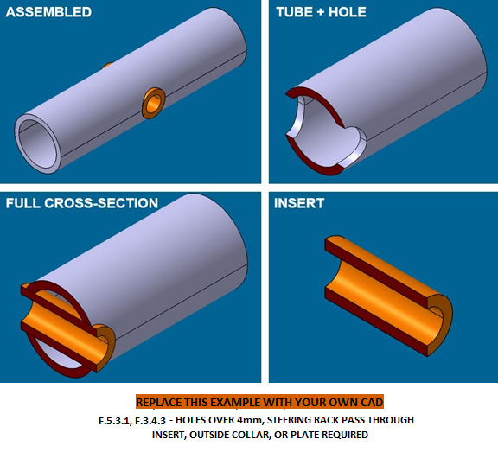
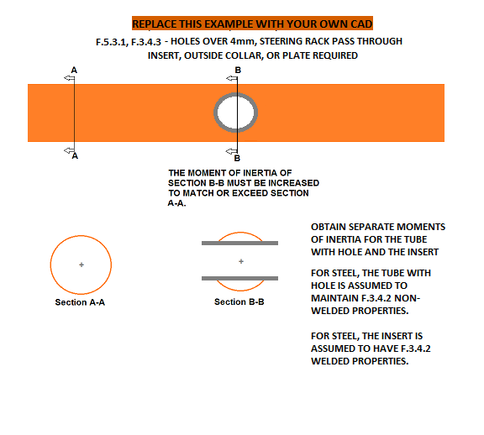
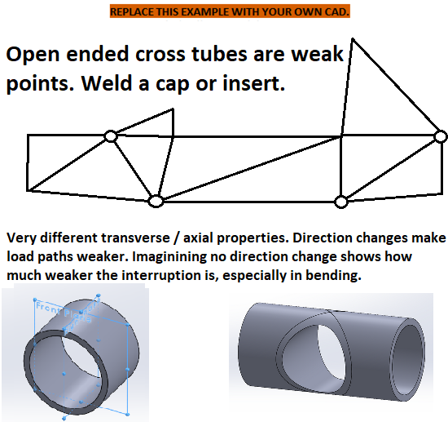
BLANK
Any removable members along required tubes?

 | Tube Chassis BO133: | 0

BLANK
Any holes over 4mm drilled in F.3.2.1 required tubes?

 | Tube Chassis BO134: | 0
 | AIP Inserts: | No
 | EV Accumulator: | No

BLANK |  |  | Welded Tube Insert with dimensions. |  |  |  |  |  |  |  | Welded Tube Insert with dimensions. |  |  |  |  |  |  |  | Welded Tube Insert with dimensions. |  |  |  |  |  |  |  | Welded Tube Insert with dimensions. |  |  |  |  |  |  |  | Welded Tube Insert with dimensions.
Does the steering rack interrupt any required tubes?

 | Tube Chassis BO135: | 0

BLANK

mm

 |  |  | Please show the source of each area and MOI measurement. |  |  |  |  |  |  |  | Please show the source of each area and MOI measurement. |  |  |  |  |  |  |  | Please show the source of each area and MOI measurement. |  |  |  |  |  |  |  | Please show the source of each area and MOI measurement. |  |  |  |  |  |  |  | Please show the source of each area and MOI measurement.
 |  |  | If additional images are necessary, they may be placed below each section. |  |  |  |  |  |  |  | If additional images are necessary, they may be placed below each section. |  |  |  |  |  |  |  | If additional images are necessary, they may be placed below each section. |  |  |  |  |  |  |  | If additional images are necessary, they may be placed below each section. |  |  |  |  |  |  |  | If additional images are necessary, they may be placed below each section.
 |  |  | EQ |  | Welded Tube Insert |  |  |  |  |  | EQ |  | Welded Tube Insert |  |  |  |  |  | EQ |  | Welded Tube Insert |  |  |  |  |  | EQ |  | Welded Tube Insert |  |  |  |  |  | EQ |  | Welded Tube Insert
Unwelded E, Sy, Su
Steel | 6061-T6 | Other AL | Note: Young's Modulus is given in MPa, not Gpa. |  |  |  |  |  |  |  | Note: Young's Modulus is given in MPa, not Gpa. |  |  |  |  |  |  |  | Note: Young's Modulus is given in MPa, not Gpa. |  |  |  |  |  |  |  | Note: Young's Modulus is given in MPa, not Gpa. |  |  |  |  |  |  |  | Note: Young's Modulus is given in MPa, not Gpa.
2.00E+11 | 6.90E+10 |  | EQ |  |  |  |  |  |  |  | EQ |  |  |  |  |  |  |  | EQ |  |  |  |  |  |  |  | EQ |  |  |  |  |  |  |  | EQ
3.05E+08 | 2.40E+08 |  |  |  |  |  | Minimum | Tube With Hole |  | N/A |  |  |  |  | Minimum | Tube With Hole |  | N/A |  |  |  |  | Minimum | Tube With Hole |  | N/A |  |  |  |  | Minimum | Tube With Hole |  | N/A |  |  |  |  | Minimum | Tube With Hole |  | N/A
3.65E+08 | 2.90E+08 |  |  |  |  |  | F.3.2.1 | + |  | N/A |  |  |  |  | F.3.2.1 | + |  | N/A |  |  |  |  | F.3.2.1 | + |  | N/A |  |  |  |  | F.3.2.1 | + |  | N/A |  |  |  |  | F.3.2.1 | + |  | N/A
Welded Sy, Su |  |  |  |  |  |  | Tube | Insert |  | N/A |  |  |  |  | Tube | Insert |  | N/A |  |  |  |  | Tube | Insert |  | N/A |  |  |  |  | Tube | Insert |  | N/A |  |  |  |  | Tube | Insert |  | N/A
Steel | 6061-T6 | Other AL |  |  |  | Material: | Steel | Steel |  | N/A |  |  |  | Material: | Steel | Steel |  | N/A |  |  |  | Material: | Steel | Steel |  | N/A |  |  |  | Material: | Steel | Steel |  | N/A |  |  |  | Material: | Steel | Steel |  | N/A
1.80E+08 | 1.15E+08 |  |  |  |  | Original tube: | Size A | Round |  | N/A |  |  |  | Original tube: | Size A | Round |  | N/A |  |  |  | Original tube: | Size A | Round |  | N/A |  |  |  | Original tube: | Size A | Round |  | N/A |  |  |  | Original tube: | Size A | Round |  | N/A
3.00E+08 | 1.75E+08 |  | F.3.4.1 |  |  | Wall thickness: | 2 |  | mm | N/A | F.3.4.1 |  |  | Wall thickness: | 2 |  | mm | N/A | F.3.4.1 |  |  | Wall thickness: | 2 |  | mm | N/A | F.3.4.1 |  |  | Wall thickness: | 2 |  | mm | N/A | F.3.4.1 |  |  | Wall thickness: | 2 |  | mm | N/A
 |  |  |  |  |  | Outer Diameter: | 25 |  | mm | N/A |  |  |  | Outer Diameter: | 25 |  | mm | N/A |  |  |  | Outer Diameter: | 25 |  | mm | N/A |  |  |  | Outer Diameter: | 25 |  | mm | N/A |  |  |  | Outer Diameter: | 25 |  | mm | N/A
 |  |  |  |  |  | Tube cross sectional area (A_1): | 1.73E+02 | - | mm^2 | N/A |  |  |  | Tube cross sectional area (A_1): | 1.73E+02 | - | mm^2 | N/A |  |  |  | Tube cross sectional area (A_1): | 1.73E+02 | - | mm^2 | N/A |  |  |  | Tube cross sectional area (A_1): | 1.73E+02 | - | mm^2 | N/A |  |  |  | Tube cross sectional area (A_1): | 1.73E+02 | - | mm^2 | N/A
For EQ: All entries filled out correctly. -or- No holes over 4mm: Clear all entry boxes. Identical tube / insert combinations need to be identified everywhere used on the chassis, but only need to be calculated once. If more than 5 tube / insert combinations are used, make a copy of this tab. Oversized tubes with holes may not need inserts for EQ. |  |  |  |  |  | Tube second moment of inertia (I_1): | 1.13E+04 | - | mm^4 | N/A |  |  |  | Tube second moment of inertia (I_1): | 1.13E+04 | - | mm^4 | N/A |  |  |  | Tube second moment of inertia (I_1): | 1.13E+04 | - | mm^4 | N/A |  |  |  | Tube second moment of inertia (I_1): | 1.13E+04 | - | mm^4 | N/A |  |  |  | Tube second moment of inertia (I_1): | 1.13E+04 | - | mm^4 | N/A
 |  |  | F.3.4.3 |  |  |  | Tube with Hole cross sectional area (A_3): |  | mm^2 | N/A | F.3.4.3 |  |  |  | Tube with Hole cross sectional area (A_3): |  | mm^2 | N/A | F.3.4.3 |  |  |  | Tube with Hole cross sectional area (A_3): |  | mm^2 | N/A | F.3.4.3 |  |  |  | Tube with Hole cross sectional area (A_3): |  | mm^2 | N/A | F.3.4.3 |  |  |  | Tube with Hole cross sectional area (A_3): |  | mm^2 | N/A
 |  |  |  |  |  |  | Tube with Hole second moment of inertia (I_3): |  | mm^4 | N/A |  |  |  |  | Tube with Hole second moment of inertia (I_3): |  | mm^4 | N/A |  |  |  |  | Tube with Hole second moment of inertia (I_3): |  | mm^4 | N/A |  |  |  |  | Tube with Hole second moment of inertia (I_3): |  | mm^4 | N/A |  |  |  |  | Tube with Hole second moment of inertia (I_3): |  | mm^4 | N/A
 |  |  |  |  |  |  | Insert/Collar cross sectional area (A_2): |  | mm^2 | N/A |  |  |  |  | Insert/Collar cross sectional area (A_2): |  | mm^2 | N/A |  |  |  |  | Insert/Collar cross sectional area (A_2): |  | mm^2 | N/A |  |  |  |  | Insert/Collar cross sectional area (A_2): |  | mm^2 | N/A |  |  |  |  | Insert/Collar cross sectional area (A_2): |  | mm^2 | N/A
 |  |  |  |  |  |  | Insert/Collar second moment of inertia (I_2): |  | mm^4 | N/A |  |  |  |  | Insert/Collar second moment of inertia (I_2): |  | mm^4 | N/A |  |  |  |  | Insert/Collar second moment of inertia (I_2): |  | mm^4 | N/A |  |  |  |  | Insert/Collar second moment of inertia (I_2): |  | mm^4 | N/A |  |  |  |  | Insert/Collar second moment of inertia (I_2): |  | mm^4 | N/A
 |  |  | F.3.4.2 | F.3.5.3 |  | Young's Modulus (E): | 2.00E+11 | 2.00E+11 | Pa | N/A | F.3.4.2 | F.3.5.3 |  | Young's Modulus (E): | 2.00E+11 | 2.00E+11 | Pa | N/A | F.3.4.2 | F.3.5.3 |  | Young's Modulus (E): | 2.00E+11 | 2.00E+11 | Pa | N/A | F.3.4.2 | F.3.5.3 |  | Young's Modulus (E): | 2.00E+11 | 2.00E+11 | Pa | N/A | F.3.4.2 | F.3.5.3 |  | Young's Modulus (E): | 2.00E+11 | 2.00E+11 | Pa | N/A
 |  |  |  |  |  | Unwelded Yield Strength (Sy): | 3.05E+08 | 3.05E+08 | Pa | N/A |  |  |  | Unwelded Yield Strength (Sy): | 3.05E+08 | 3.05E+08 | Pa | N/A |  |  |  | Unwelded Yield Strength (Sy): | 3.05E+08 | 3.05E+08 | Pa | N/A |  |  |  | Unwelded Yield Strength (Sy): | 3.05E+08 | 3.05E+08 | Pa | N/A |  |  |  | Unwelded Yield Strength (Sy): | 3.05E+08 | 3.05E+08 | Pa | N/A
 |  |  |  |  |  | Unwelded Ultimate Strength (Su): | 3.65E+08 | 3.65E+08 | Pa | N/A |  |  |  | Unwelded Ultimate Strength (Su): | 3.65E+08 | 3.65E+08 | Pa | N/A |  |  |  | Unwelded Ultimate Strength (Su): | 3.65E+08 | 3.65E+08 | Pa | N/A |  |  |  | Unwelded Ultimate Strength (Su): | 3.65E+08 | 3.65E+08 | Pa | N/A |  |  |  | Unwelded Ultimate Strength (Su): | 3.65E+08 | 3.65E+08 | Pa | N/A
 |  |  |  |  |  | Welded Yield Strength (Sy): | N/A | 1.80E+08 | Pa | N/A |  |  |  | Welded Yield Strength (Sy): | N/A | 1.80E+08 | Pa | N/A |  |  |  | Welded Yield Strength (Sy): | N/A | 1.80E+08 | Pa | N/A |  |  |  | Welded Yield Strength (Sy): | N/A | 1.80E+08 | Pa | N/A |  |  |  | Welded Yield Strength (Sy): | N/A | 1.80E+08 | Pa | N/A
 |  |  |  |  |  | Welded Ultimate Strength (Su): | N/A | 3.00E+08 | Pa | N/A |  |  |  | Welded Ultimate Strength (Su): | N/A | 3.00E+08 | Pa | N/A |  |  |  | Welded Ultimate Strength (Su): | N/A | 3.00E+08 | Pa | N/A |  |  |  | Welded Ultimate Strength (Su): | N/A | 3.00E+08 | Pa | N/A |  |  |  | Welded Ultimate Strength (Su): | N/A | 3.00E+08 | Pa | N/A
 |  |  | Buckling Modulus |  |  | E_1*I_1 <= E_2*I_2 + E_1*I_3: |  |  |  | N/A | Buckling Modulus |  |  | E_1*I_1 <= E_2*I_2 + E_1*I_3: |  |  |  | N/A | Buckling Modulus |  |  | E_1*I_1 <= E_2*I_2 + E_1*I_3: |  |  |  | N/A | Buckling Modulus |  |  | E_1*I_1 <= E_2*I_2 + E_1*I_3: |  |  |  | N/A | Buckling Modulus |  |  | E_1*I_1 <= E_2*I_2 + E_1*I_3: |  |  |  | N/A
 |  |  | Yield |  |  | Sy_1*A_1 <= Sy_2*A_2 + Sy_1*A_3: |  |  |  | N/A | Yield |  |  | Sy_1*A_1 <= Sy_2*A_2 + Sy_1*A_3: |  |  |  | N/A | Yield |  |  | Sy_1*A_1 <= Sy_2*A_2 + Sy_1*A_3: |  |  |  | N/A | Yield |  |  | Sy_1*A_1 <= Sy_2*A_2 + Sy_1*A_3: |  |  |  | N/A | Yield |  |  | Sy_1*A_1 <= Sy_2*A_2 + Sy_1*A_3: |  |  |  | N/A
 |  |  | Ultimate |  |  | Su_1*A_1 <= Su_2*A_2 + Su_1*A_3: |  |  |  | N/A | Ultimate |  |  | Su_1*A_1 <= Su_2*A_2 + Su_1*A_3: |  |  |  | N/A | Ultimate |  |  | Su_1*A_1 <= Su_2*A_2 + Su_1*A_3: |  |  |  | N/A | Ultimate |  |  | Su_1*A_1 <= Su_2*A_2 + Su_1*A_3: |  |  |  | N/A | Ultimate |  |  | Su_1*A_1 <= Su_2*A_2 + Su_1*A_3: |  |  |  | N/A
 |  |  | Bending |  |  | 4*Su_1*I_1/r <= 4*(Su_2*I_2+Su_1*I_3)/r: |  |  |  | N/A | Bending |  |  | 4*Su_1*I_1/r <= 4*Su_1*(I_2+I_3)/r: |  |  |  | N/A | Bending |  |  | 4*Su_1*I_1/r <= 4*Su_1*(I_2+I_3)/r: |  |  |  | N/A | Bending |  |  | 4*Su_1*I_1/r <= 4*Su_1*(I_2+I_3)/r: |  |  |  | N/A | Bending |  |  | 4*Su_1*I_1/r <= 4*Su_1*(I_2+I_3)/r: |  |  |  | N/A
 |  |  | Deflection |  |  | Bending_1/(48*EI): |  |  |  | N/A | Deflection |  |  | Bending_1/(48*EI): |  |  |  | N/A | Deflection |  |  | Bending_1/(48*EI): |  |  |  | N/A | Deflection |  |  | Bending_1/(48*EI): |  |  |  | N/A | Deflection |  |  | Bending_1/(48*EI): |  |  |  | N/A
 |  |  | Energy |  |  | 0.5*Bending^2/(48*EI): |  |  |  | N/A | Energy |  |  | 0.5*Bending^2/(48*EI): |  |  |  | N/A | Energy |  |  | 0.5*Bending^2/(48*EI): |  |  |  | N/A | Energy |  |  | 0.5*Bending^2/(48*EI): |  |  |  | N/A | Energy |  |  | 0.5*Bending^2/(48*EI): |  |  |  | N/A

F.5.12 Bolted Members
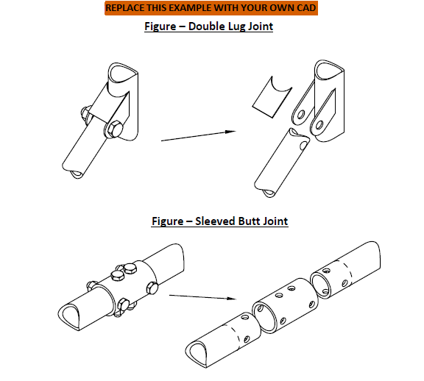
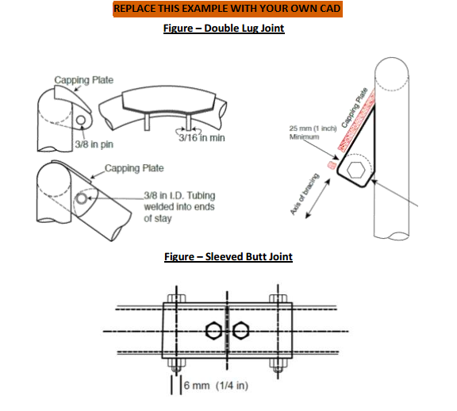
BLANK
Bolted Members Used?
 | Tube Chassis BO133: | 0

For EQ: All entries filled out correctly. - or if not used: 1. Bolted Connection set to "Select drop down." 2. Clear lug thickness box. Symmetric left / right attachments only need to be entered for one side. If more than 5 non-symmetric bolted connections are used, make a copy of this tab.

 |  |  | Bolted Chassis Connection with dimensions. |  |  |  |  |  |  | Bolted Chassis Connection with dimensions. |  |  |  |  |  |  | Bolted Chassis Connection with dimensions. |  |  |  |  |  |  | Bolted Chassis Connection with dimensions. |  |  |  |  |  |  | Bolted Chassis Connection with dimensions.

Removable tubes require
welded inserts to prevent
crushing.

mm

BLANK

 |  |  | If additional images are necessary, they may be placed below each section. |  |  |  |  |  |  | If additional images are necessary, they may be placed below each section. |  |  |  |  |  |  | If additional images are necessary, they may be placed below each section. |  |  |  |  |  |  | If additional images are necessary, they may be placed below each section. |  |  |  |  |  |  | If additional images are necessary, they may be placed below each section.
 |  |  | EQ |  | Bolted Connection |  |  |  |  | EQ |  | Bolted Connection |  |  |  |  | EQ |  | Bolted Connection |  |  |  |  | EQ |  | Bolted Connection |  |  |  |  | EQ |  | Bolted Connection

 |  |  | EQ |  |  |  |  |  |  | EQ |  |  |  |  |  |  | EQ |  |  |  |  |  |  | EQ |  |  |  |  |  |  | EQ
 |  |  | F.5.12.2 |  |  | Bolted Connection: | Select drop down: |  | EQ | F.5.12.2 |  |  | Bolted Connection: | Select drop down: |  | EQ | F.5.12.2 |  |  | Bolted Connection: | Select drop down: |  | EQ | F.5.12.2 |  |  | Bolted Connection: | Select drop down: |  | EQ | F.5.12.2 |  |  | Bolted Connection: | Select drop down: |  | EQ

 |  |  | F.5.3.1 | All fasteners for removable tubing require crush bushings through the tubes. |  |  |  |  |  | F.5.3.1 | All fasteners for removable tubing require crush bushings through the tubes. |  |  |  |  |  | F.5.3.1 | All fasteners for removable tubing require crush bushings through the tubes. |  |  |  |  |  | F.5.3.1 | All fasteners for removable tubing require crush bushings through the tubes. |  |  |  |  |  | F.5.3.1 | All fasteners for removable tubing require crush bushings through the tubes.
 |  |  |  | Inserts are not mandatory for outside sleeves and lugs for removable tubing. |  |  |  |  |  |  | Inserts are not mandatory for outside sleeves and lugs for removable tubing. |  |  |  |  |  |  | Inserts are not mandatory for outside sleeves and lugs for removable tubing. |  |  |  |  |  |  | Inserts are not mandatory for outside sleeves and lugs for removable tubing. |  |  |  |  |  |  | Inserts are not mandatory for outside sleeves and lugs for removable tubing.
 |  |  | F.5.12.4 | Double lug joints must include caps on tabs at both ends. |  |  |  |  |  | F.5.12.4 | Double lug joints must include caps on tabs at both ends. |  |  |  |  |  | F.5.12.4 | Double lug joints must include caps on tabs at both ends. |  |  |  |  |  | F.5.12.4 | Double lug joints must include caps on tabs at both ends. |  |  |  |  |  | F.5.12.4 | Double lug joints must include caps on tabs at both ends.

 |  |  | EQ |  |  |  |  |  |  | EQ |  |  |  |  |  |  | EQ |  |  |  |  |  |  | EQ |  |  |  |  |  |  | EQ
 |  |  | F.5.12.3.a |  |  | Lug thickness >= 4.5mm (0.177in) steel: |  | mm | N/A | F.5.12.3.a |  |  | Lug thickness >= 4.5mm (0.177in) steel: |  | mm | N/A | F.5.12.3.a |  |  | Lug thickness >= 4.5mm (0.177in) steel: |  | mm | N/A | F.5.12.3.a |  |  | Lug thickness >= 4.5mm (0.177in) steel: |  | mm | N/A | F.5.12.3.a |  |  | Lug thickness >= 4.5mm (0.177in) steel: |  | mm | N/A
 |  |  | F.5.12.3.b |  |  | Perpendicular dimension >=25mm (1in): |  | mm | N/A | F.5.12.3.b |  |  | Perpendicular dimension >=25mm (1in): |  | mm | N/A | F.5.12.3.b |  |  | Perpendicular dimension >=25mm (1in): |  | mm | N/A | F.5.12.3.b |  |  | Perpendicular dimension >=25mm (1in): |  | mm | N/A | F.5.12.3.b |  |  | Perpendicular dimension >=25mm (1in): |  | mm | N/A

 |  |  | F.5.12.5 | Double lug joints require a pin or fastener >= 10mm Grade 9.8 (3/8in Grade 8). |  |  |  |  |  | F.5.12.5 | Double lug joints require a pin or fastener >= 10mm Grade 9.8 (3/8in Grade 8). |  |  |  |  |  | F.5.12.5 | Double lug joints require a pin or fastener >= 10mm Grade 9.8 (3/8in Grade 8). |  |  |  |  |  | F.5.12.5 | Double lug joints require a pin or fastener >= 10mm Grade 9.8 (3/8in Grade 8). |  |  |  |  |  | F.5.12.5 | Double lug joints require a pin or fastener >= 10mm Grade 9.8 (3/8in Grade 8).
 |  |  | F.5.12.7 | Sleeved butt joints require 4X pins or fasteners >= 6mm Grade 9.8 (1/4in Grade 8). |  |  |  |  |  | F.5.12.7 | Sleeved butt joints require 4X pins or fasteners >= 6mm Grade 9.8 (1/4in Grade 8). |  |  |  |  |  | F.5.12.7 | Sleeved butt joints require 4X pins or fasteners >= 6mm Grade 9.8 (1/4in Grade 8). |  |  |  |  |  | F.5.12.7 | Sleeved butt joints require 4X pins or fasteners >= 6mm Grade 9.8 (1/4in Grade 8). |  |  |  |  |  | F.5.12.7 | Sleeved butt joints require 4X pins or fasteners >= 6mm Grade 9.8 (1/4in Grade 8).
 |  |  | F.5.4.3 | Any bolted non-suspension member must have an edge::distance ratio >=1.5. |  |  |  |  |  | F.5.4.3 | Any bolted non-suspension member must have an edge::distance ratio >=1.5. |  |  |  |  |  | F.5.4.3 | Any bolted non-suspension member must have an edge::distance ratio >=1.5. |  |  |  |  |  | F.5.4.3 | Any bolted non-suspension member must have an edge::distance ratio >=1.5. |  |  |  |  |  | F.5.4.3 | Any bolted non-suspension member must have an edge::distance ratio >=1.5.
 |  |  | Dimensions shown above from the edges of the holes to the end of each tube/tab >=1.5 x diameter. |  |  |  |  |  |  | Dimensions shown above from the edges of the holes to the end of each tube/tab >=1.5 x diameter. |  |  |  |  |  |  | Dimensions shown above from the edges of the holes to the end of each tube/tab >=1.5 x diameter. |  |  |  |  |  |  | Dimensions shown above from the edges of the holes to the end of each tube/tab >=1.5 x diameter. |  |  |  |  |  |  | Dimensions shown above from the edges of the holes to the end of each tube/tab >=1.5 x diameter.

 |  |  | EQ |  |  |  |  |  |  | EQ |  |  |  |  |  |  | EQ |  |  |  |  |  |  | EQ |  |  |  |  |  |  | EQ
 |  |  | F.5.4.3 |  |  | Hole diameter / fastener size: |  | mm | N/A | F.5.4.3 |  |  | Hole diameter / fastener size: |  | mm | N/A | F.5.4.3 |  |  | Hole diameter / fastener size: |  | mm | N/A | F.5.4.3 |  |  | Hole diameter / fastener size: |  | mm | N/A | F.5.4.3 |  |  | Hole diameter / fastener size: |  | mm | N/A
 |  |  |  |  |  | Distance to tube edge: |  | mm | N/A |  |  |  | Distance to tube edge: |  | mm | N/A |  |  |  | Distance to tube edge: |  | mm | N/A |  |  |  | Distance to tube edge: |  | mm | N/A |  |  |  | Distance to tube edge: |  | mm | N/A
 |  |  |  |  |  | Distance to tab edge: |  | mm | N/A |  |  |  | Distance to tab edge: |  | mm | N/A |  |  |  | Distance to tab edge: |  | mm | N/A |  |  |  | Distance to tab edge: |  | mm | N/A |  |  |  | Distance to tab edge: |  | mm | N/A
 |  |  |  |  |  | Minimum edge::diameter ratio >=1.5: |  |  | N/A |  |  |  | Minimum edge::diameter ratio >=1.5: |  |  | N/A |  |  |  | Minimum edge::diameter ratio >=1.5: |  |  | N/A |  |  |  | Minimum edge::diameter ratio >=1.5: |  |  | N/A |  |  |  | Minimum edge::diameter ratio >=1.5: |  |  | N/A

